Figure IX.1
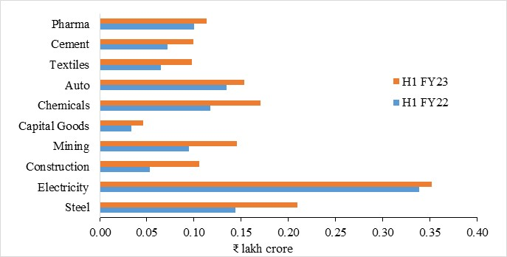
In ₹ Lakh crore
Figure IX.1: Private Investment gathers momentum
Sector | H1 FY22 | H1 FY23
Steel | 0.144 | 0.210
Electricity | 0.338 | 0.352
Construction | 0.054 | 0.106
Mining | 0.094 | 0.145
Capital Goods | 0.033 | 0.046
Chemicals | 0.117 | 0.170
Auto | 0.134 | 0.154
Textiles | 0.065 | 0.098
Cement | 0.072 | 0.099
Pharma | 0.100 | 0.114
Source: Axis Bank Research

Figure IX.2
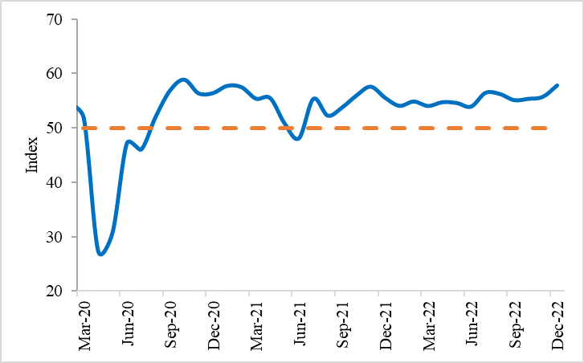
Figure IX.2: PMI Manufacturing remains in expansionary zone
Index values | PMI-Manufacturing | Line of Expansion
Jan-20 | 55.3 | 50
Feb-20 | 54.5 | 50
Mar-20 | 51.8 | 50
Apr-20 | 27.4 | 50
May-20 | 30.8 | 50
Jun-20 | 47.2 | 50
Jul-20 | 46.0 | 50
Aug-20 | 52.0 | 50
Sep-20 | 56.8 | 50
Oct-20 | 58.9 | 50
Nov-20 | 56.3 | 50
Dec-20 | 56.4 | 50
Jan-21 | 57.7 | 50
Feb-21 | 57.5 | 50
Mar-21 | 55.4 | 50
Apr-21 | 55.5 | 50
May-21 | 50.8 | 50
Jun-21 | 48.1 | 50
Jul-21 | 55.3 | 50
Aug-21 | 52.3 | 50
Sep-21 | 53.7 | 50
Oct-21 | 55.9 | 50
Nov-21 | 57.6 | 50
Dec-21 | 55.5 | 50
Jan-22 | 54.0 | 50
Feb-22 | 54.9 | 50
Mar-22 | 54.0 | 50
Apr-22 | 54.7 | 50
May-22 | 54.6 | 50
Jun-22 | 53.9 | 50
Jul-22 | 56.4 | 50
Aug-22 | 56.2 | 50
Sep-22 | 55.1 | 50
Oct-22 | 55.3 | 50
Nov-22 | 55.7 | 50
Dec-22 | 57.8 | 50
Source: IHS Markit

Figure IX.3
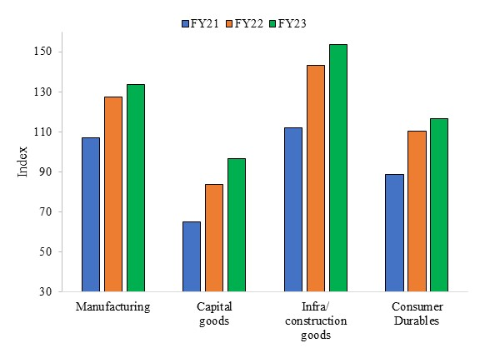
Figure IX.3: Sub-indices of IIP growing at a healthy pace (Apr-Nov)
Index Values | Manufacturing | Capital goods | Infra/ construction goods | Consumer Durables
FY21 | 107.2 | 64.9 | 112.1 | 88.5
FY22 | 127.2 | 83.9 | 143 | 110.3
FY23 | 133.6 | 96.4 | 153.6 | 116.6
Source: Ministry of Statistics and Programme Implementation

Figure IX.4
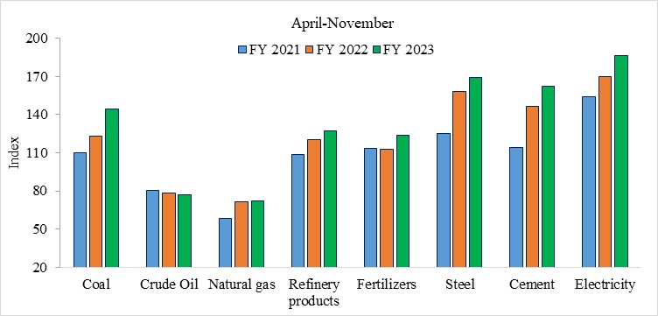
 | Figure IX.4: Steady growth in components of of Index of Core Industries

Index values | Coal | Crude Oil | Natural gas | Refinery products | Fertilizers | Steel | Cement | Electricity
FY 2021 | 110.2 | 80.4 | 58.4 | 108.9 | 113.5 | 125.3 | 114.2 | 154.4
FY 2022 | 123.0 | 78.3 | 71.7 | 120.5 | 112.8 | 158.0 | 146.5 | 170.2
FY 2023 | 144.1 | 77.2 | 72.2 | 127.4 | 124.1 | 169.1 | 162.1 | 186.6
Source: Department for Promotion of Industry and Internal Trade

Figure IX.5
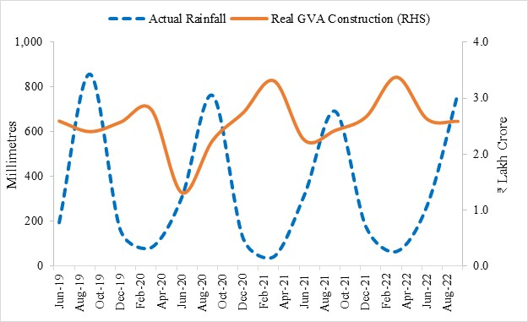
Figure IX.5: GVA Construction (a proxy for construction output) constrained by Higher Rainfall
 | Actual Rainfall | Real GVA Construction (RHS)
Jun-19 | 196.30 | 2.60
Sep-19 | 858.20 | 2.41
Dec-19 | 160.90 | 2.58
Mar-20 | 85.10 | 2.80
Jun-20 | 310.10 | 1.31
Sep-20 | 762.90 | 2.25
Dec-20 | 124.50 | 2.75
Mar-21 | 44.50 | 3.32
Jun-21 | 321.80 | 2.25
Sep-21 | 692.10 | 2.43
Dec-21 | 177.70 | 2.67
Mar-22 | 67.60 | 3.38
Jun-22 | 274.10 | 2.63
Sep-22 | 772.70 | 2.59
Source: MoSPI

Figure IX.6
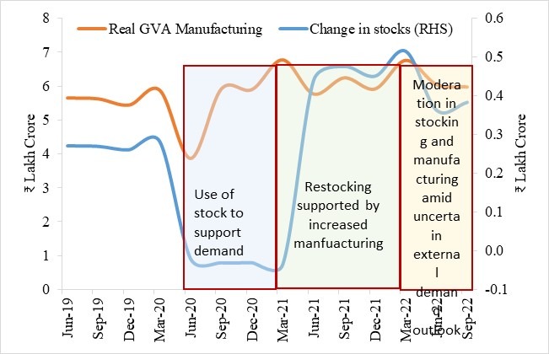
Figure IX.6: GVA Manufacturing slowing with build-up in stocks and elevated global uncertainty
 | Change in stocks (RHS) | Real GVA Manufacturing
Jun-19 | 0.27 | 5.66
Sep-19 | 0.27 | 5.63
Dec-19 | 0.26 | 5.45
Mar-20 | 0.28 | 5.88
Jun-20 | -0.02 | 3.87
Sep-20 | -0.03 | 5.92
Dec-20 | -0.03 | 5.91
Mar-21 | -0.03 | 6.78
Jun-21 | 0.44 | 5.77
Sep-21 | 0.48 | 6.25
Dec-21 | 0.45 | 5.92
Mar-22 | 0.51 | 6.76
Jun-22 | 0.36 | 6.05
Sep-22 | 0.38 | 5.98
Source: MoSPI; Note: Change in stocks refers to change in stocks of GFCF.

Figure IX.7
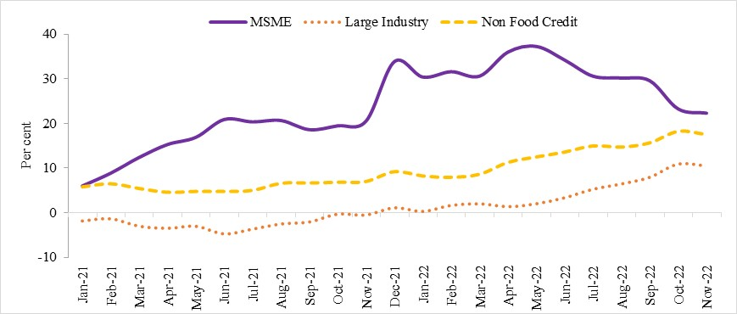
Figure IX.7: Double-digit credit growth in industry driven by MSMEs
In per cent | MSME | Large Industry | Non Food Credit
Jan-21 | 6.08 | -1.90 | 5.89
Feb-21 | 8.94 | -1.43 | 6.58
Mar-21 | 12.45 | -3.09 | 5.52
Apr-21 | 15.33 | -3.57 | 4.67
May-21 | 16.94 | -3.11 | 4.86
Jun-21 | 20.92 | -4.82 | 4.86
Jul-21 | 20.40 | -3.75 | 5.10
Aug-21 | 20.70 | -2.59 | 6.69
Sep-21 | 18.65 | -2.13 | 6.75
Oct-21 | 19.51 | -0.38 | 6.92
Nov-21 | 20.58 | -0.56 | 7.09
Dec-21 | 33.86 | 1.05 | 9.28
Jan-22 | 30.39 | 0.24 | 8.32
Feb-22 | 31.60 | 1.60 | 8.03
Mar-22 | 30.60 | 1.96 | 8.71
Apr-22 | 35.97 | 1.31 | 11.35
May-22 | 37.24 | 1.96 | 12.57
Jun-22 | 34.18 | 3.31 | 13.67
Jul-22 | 30.58 | 5.23 | 15.05
Aug-22 | 30.19 | 6.42 | 14.79
Sep-22 | 29.57 | 7.93 | 15.73
Oct-22 | 23.28 | 10.89 | 18.30
Nov-22 | 22.33 | 10.47 | 17.60
Source: RBI

Figure IX.8
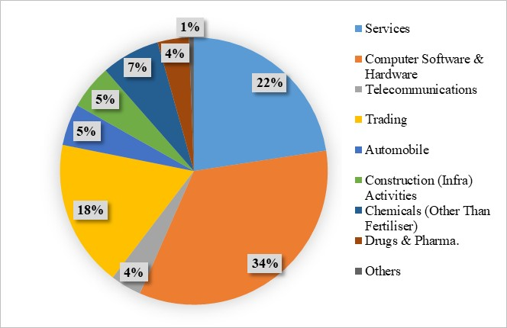
Figure IX.8: Sector-wise FDI Equity Inflows in 2022-23 during April-September 2022
 | FDI (US$ Million)
Services | 4,162
Computer Software & Hardware | 6,282
Telecommunications | 694
Trading | 3,280
Automobile | 932
Construction (Infra) Activities | 990
Chemicals (Other Than Fertiliser) | 1,307
Drugs & Pharma. | 699
Others | 107
Source: DPIIT data

Figure IX.9a
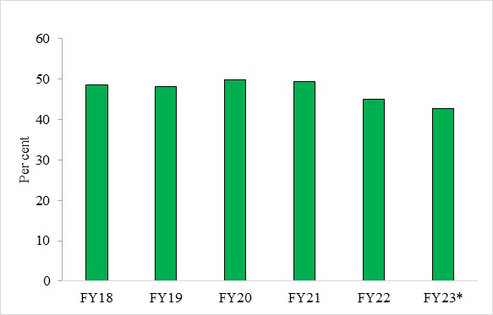

Figure IX.9a: MSME share in exports
In per cent | Share in Exports
FY18 | 48.56
FY19 | 48.1
FY20 | 49.77
FY21 | 49.35
FY22 | 45.04
FY23* | 42.67
Source: Directorate General of Commercial Intelligence and Statistics
*Data for FY23 is until August 2022

Figure IX.9b
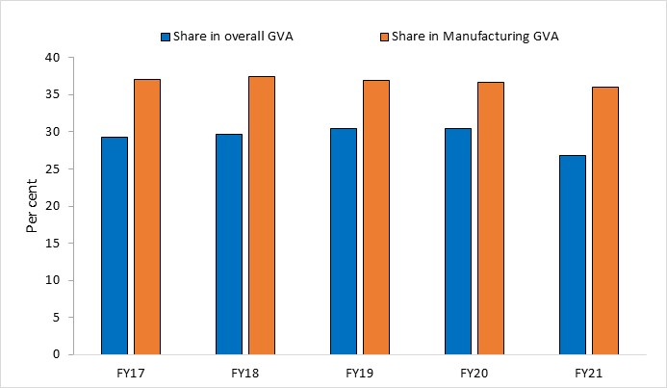
Figure IX.9b: MSME Share in overall GVA and Manufacturing GVA
(In per cent) | Share in overall GVA | Share in Manufacturing GVA
FY17 | 29.25 | 37.09
FY18 | 29.69 | 37.38
FY19 | 30.5 | 36.86
FY20 | 30.5 | 36.68
FY21 | 26.83 | 35.98
Source: Ministry of Statistics and Programme Implementation

Figure IX.10
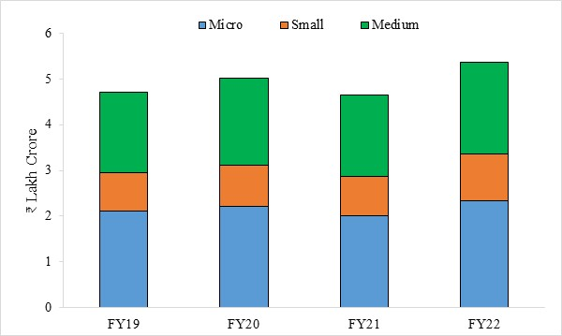
Figure IX.10: GST paid by MSMEs in FY22 crossed the pre-pandemic level
 | Micro | Small | Medium
FY19 | 2.1 | 0.8 | 1.8
FY20 | 2.2 | 0.9 | 1.9
FY21 | 2.0 | 0.9 | 1.8
FY22 | 2.3 | 1.0 | 2.0
Source: Ministry of Finance
Note: Includes firms with turnover up to ₹1000 crore. Micro -- <= 25cr; Small <= 25 to 100 Cr.; Medium 100 to 1000 Cr.

Figure IX.11
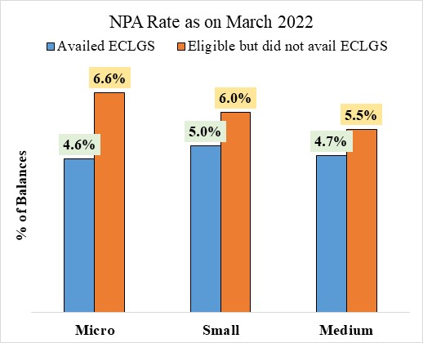
In per cent | Figure IX.11: ECLGS aided MSMEs in improving their asset quality
 |  | Availed ECLGS | Eligible but did not avail ECLGS
 | Micro | 4.60% | 6.60%
 | Small | 5.00% | 6.00%
 | Medium | 4.70% | 5.50%
 | Source: ECLGS Insights Report’, TransUnion CIBIL, August 2022

Figure IX.12
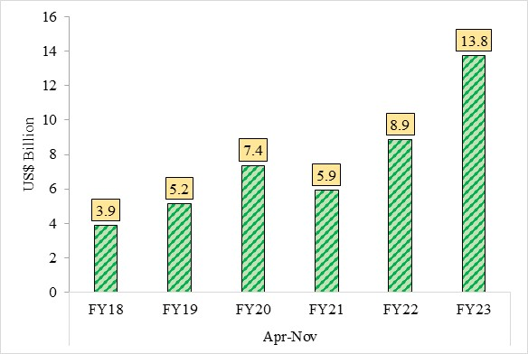
Figure IX.12: Robust growth in Electronics Exports
 |  | Exports (in US$ Billion)
Apr-Nov | FY18 | 3.9
 | FY19 | 5.2
 | FY20 | 7.4
 | FY21 | 5.9
 | FY22 | 8.9
 | FY23 | 13.8
Source: Directorate General of Commercial Intelligence and Statistics

Figure IX.13
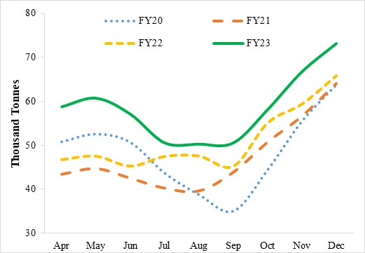

 | Figure IX.13: Adequate Coal Production
in thousand tonnes |  | FY20 | FY21 | FY22 | FY23
 | Apr | 50.80 | 43.38 | 46.76 | 58.79
 | May | 52.56 | 44.66 | 47.54 | 60.75
 | Jun | 50.66 | 42.47 | 45.27 | 57.12
 | Jul | 43.66 | 40.21 | 47.47 | 50.61
 | Aug | 38.75 | 39.61 | 47.56 | 50.32
 | Sep | 35.02 | 43.85 | 45.24 | 50.60
 | Oct | 44.41 | 50.69 | 55.11 | 58.16
 | Nov | 55.47 | 56.61 | 59.41 | 66.75
 | Dec | 63.74 | 64.02 | 65.85 | 73.15
 | Source: Ministry of Coal
 | Note: Production by Coal India Limited (CIL), Singareni Collieries Company Ltd (SCCL) and Captives/Others

Figure IX.14
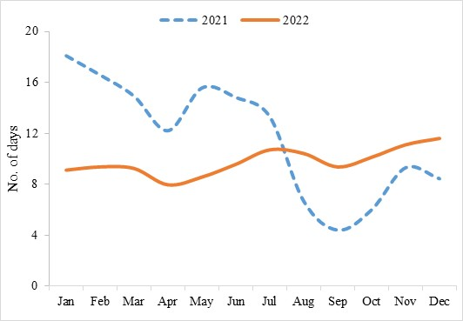
 |  | Figure IX.14: Adequate Coal Stock
No. of days |  | 2021 | 2022
 | Jan | 18 | 9.1
 | Feb | 17 | 9.4
 | Mar | 15 | 9.3
 | Apr | 12 | 8.0
 | May | 15.6 | 8.6
 | Jun | 15 | 9.6
 | Jul | 13 | 10.7
 | Aug | 7 | 10.5
 | Sep | 4 | 9.4
 | Oct | 6 | 10
 | Nov | 9 | 11
 | Dec | 8.5 | 12
 | Source: National Power Portal

Figure IX.15
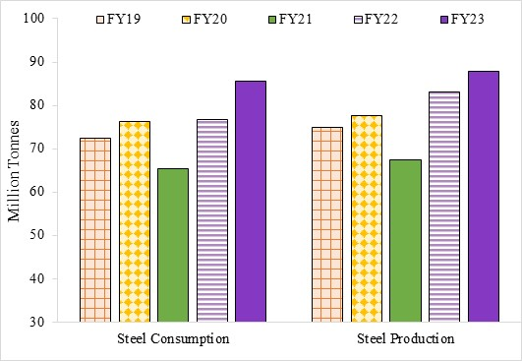
Figure IX.15: Increasing Steel Production and Consumption (Apr-Dec)
In million tonnes |  | Steel Consumption | Steel Production
Apr-Dec | FY19 | 72.33 | 74.97
 | FY20 | 76.24 | 77.74
 | FY21 | 65.40 | 67.35
 | FY22 | 76.74 | 83.10
 | FY23 | 86 | 88
Source: Joint Plant Committee (JPC), Ministry of Steel

Figure IX.16
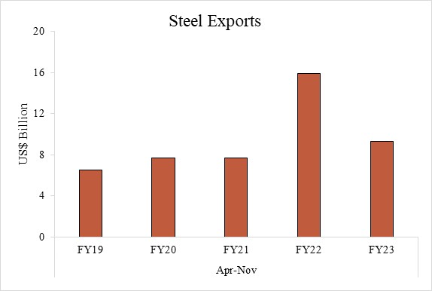
 | Figure IX.16: A slight moderation in Iron and Steel Exports during FY23
in US$ billion |  |  | Steel Exports
 | Apr-Nov | FY19 | 6.5269
 |  | FY20 | 7.7238
 |  | FY21 | 7.7238
 |  | FY22 | 15.93
 |  | FY23 | 9.29
 | Source: DGCI&S

Figure IX.17
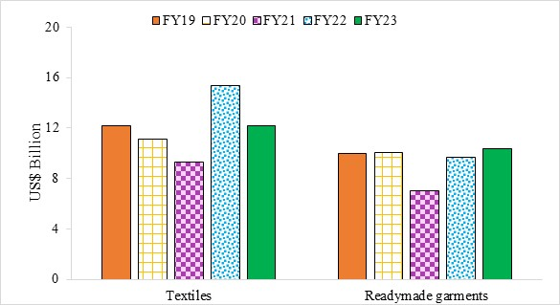
 | Figure IX.17: Export of Textiles moderated, while there is an uptick in Readymade Garment exports (April-Nov)
in US$ billion |  |  | Textiles | Readymade garments
 | Apr-Nov | FY19 | 12174 | 9975
 |  | FY20 | 11110 | 10037
 |  | FY21 | 9326 | 7006
 |  | FY22 | 15329 | 9661
 |  | FY23 | 12163 | 10361
 | Source: Dept. of Commerce

Figure IX.18
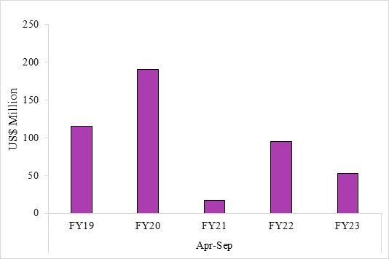
 | Figure IX.18: FDI Equity inflows in Textile yet to Recover
In US$ million |  |  | Textiles
 | Apr-Sep | FY19 | 115.3
 |  | FY20 | 190.7
 |  | FY21 | 16.6
 |  | FY22 | 94.7
 |  | FY23 | 53.1
 | Source: DPIIT

Figure IX.19
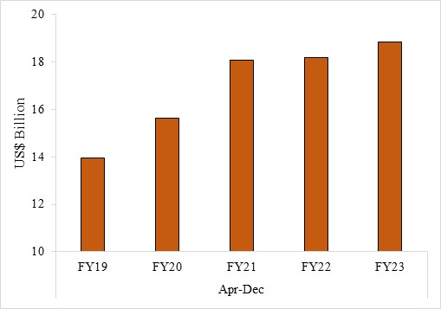
 | Figure IX.19: Strong growth in pharmaceutical exports
In US$ billion |  |  | Drugs, pharmaceuticals & fine chemicals
 | Apr-Dec | FY19 | 13.95
 |  | FY20 | 15.63
 |  | FY21 | 18.07
 |  | FY22 | 18.20
 |  | FY23 | 18.85
 | Source: DGCI&S

Figure IX.20
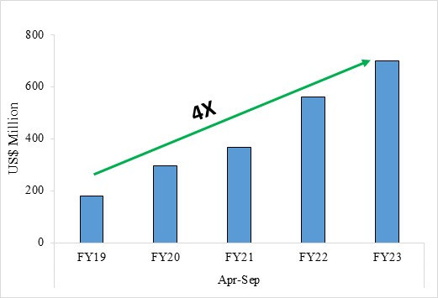
 | Figure IX.19: Strong growth in pharmaceutical exports
In US$ million |  |  | FDI in Pharma
 | Apr-Sep | FY19 | 179.7
 |  | FY20 | 296.3
 |  | FY21 | 367.1
 |  | FY22 | 558.6
 |  | FY23 | 698.9
 | Source: DPIIT

Figure IX.22
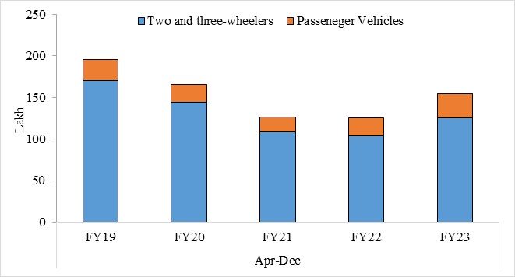
Figure IX.22: Rising automobile sales
Domestic Sales (in units) | Apr-Dec
 | FY19 | FY20 | FY21 | FY22 | FY23
Two and three-wheelers | 17047598 | 14421049 | 10899870 | 10358214 | 12592617
Passeneger Vehicles | 2533255 | 2117920 | 1777874 | 2148838 | 2871695
Source: Society of Indian Automobile Manufacturers

Figure IX.23
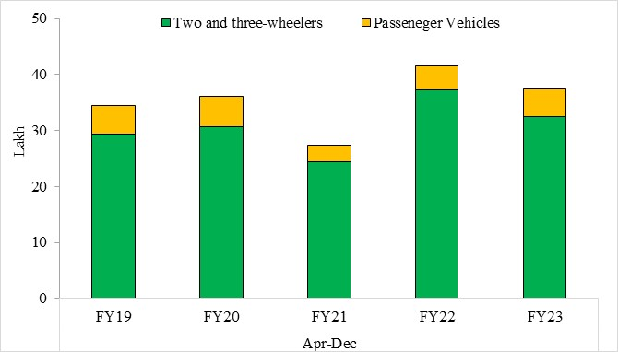
 | Figure IX.23: Moderation in automobile exports amid weaking global demand
 |  | Apr-Dec
In units |  | FY19 | FY20 | FY21 | FY22 | FY23
 | Two and three-wheelers | 2941647 | 3075060 | 2448503 | 3727282 | 3254853
 | Passeneger Vehicles | 510,305 | 540,271 | 291,170 | 423,997 | 491,037
 | Source: Society of Indian Automobile Manufacturers

Figure IX.24
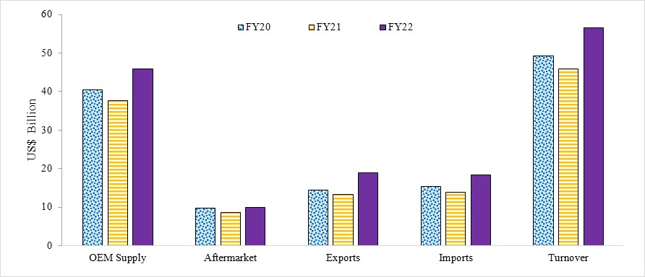
Figure IX.24: Rising sales of auto components
Sales w.r.t Auto Components (US$ Billion) | FY20 | FY21 | FY22
OEM Supply | 40.5 | 37.7 | 45.8
Aftermarket | 9.8 | 8.7 | 10
Exports | 14.5 | 13.3 | 19
Imports | 15.4 | 13.8 | 18.3
Turnover | 49.3 | 45.9 | 56.5
Source: Ministry of Heavy Industries

Figure IX.25
Figure IX.25: Consumption Enhancing Incentive Schemes

Consumption Enhancing Incentive Schemes

Source: Ministry of Heavy Industries
Note: FAME stands for Faster Adoption and Manufacturing of Electric Vehicles

Figure IX.26
Figure IX.26: Production Linked Incentive Schemes

Production Linked Incentive Schemes

Source: Ministry of Heavy Industries

Box 1 Figure A
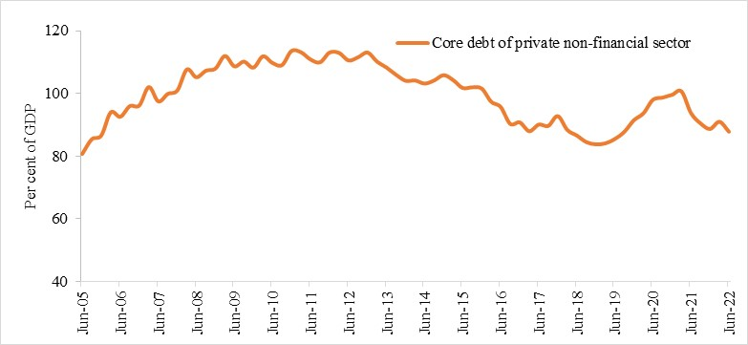
Box 1 Figure A: Develeraging by private non-financial sector
Month | Core debt of private non-financial sector
Jun-05 | 80.7
Sep-05 | 85.4
Dec-05 | 86.6
Mar-06 | 94.0
Jun-06 | 92.6
Sep-06 | 96.0
Dec-06 | 96.2
Mar-07 | 102.1
Jun-07 | 97.5
Sep-07 | 99.9
Dec-07 | 101.0
Mar-08 | 107.7
Jun-08 | 105.2
Sep-08 | 107.3
Dec-08 | 108.0
Mar-09 | 112.0
Jun-09 | 108.7
Sep-09 | 110.2
Dec-09 | 108.3
Mar-10 | 111.9
Jun-10 | 109.8
Sep-10 | 109.1
Dec-10 | 113.6
Mar-11 | 113.2
Jun-11 | 110.9
Sep-11 | 110.0
Dec-11 | 113.1
Mar-12 | 113.0
Jun-12 | 110.6
Sep-12 | 111.6
Dec-12 | 113.1
Mar-13 | 110.2
Jun-13 | 108.3
Sep-13 | 106.0
Dec-13 | 104.1
Mar-14 | 104.2
Jun-14 | 103.2
Sep-14 | 104.2
Dec-14 | 105.9
Mar-15 | 104.3
Jun-15 | 101.8
Sep-15 | 102.0
Dec-15 | 101.6
Mar-16 | 97.4
Jun-16 | 95.7
Sep-16 | 90.3
Dec-16 | 90.8
Mar-17 | 88.0
Jun-17 | 90.1
Sep-17 | 89.7
Dec-17 | 92.8
Mar-18 | 88.4
Jun-18 | 86.6
Sep-18 | 84.5
Dec-18 | 83.8
Mar-19 | 84.1
Jun-19 | 85.5
Sep-19 | 87.8
Dec-19 | 91.5
Mar-20 | 93.7
Jun-20 | 98.0
Sep-20 | 98.7
Dec-20 | 99.6
Mar-21 | 100.7
Jun-21 | 93.8
Sep-21 | 90.5
Dec-21 | 88.7
Mar-22 | 91.0
Jun-22 | 87.8
Source: Bank for International Settlements

Box 1 Figure B
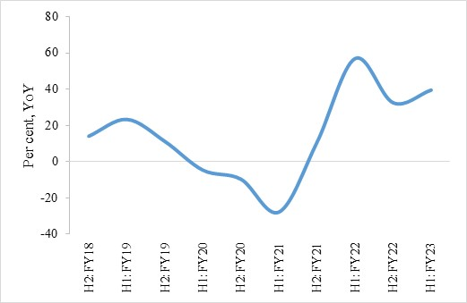
Figure B: Net Sales expected to rise
 | Net Sales
H2:FY18 | 14
H1:FY19 | 23
H2:FY19 | 11
H1:FY20 | -5
H2:FY20 | -10
H1:FY21 | -28
H2:FY21 | 11
H1:FY22 | 57
H2:FY22 | 33
H1:FY23 | 40
Source: Centre for Monitoring Indian Economy (CMIE)

Box 1 Figure C
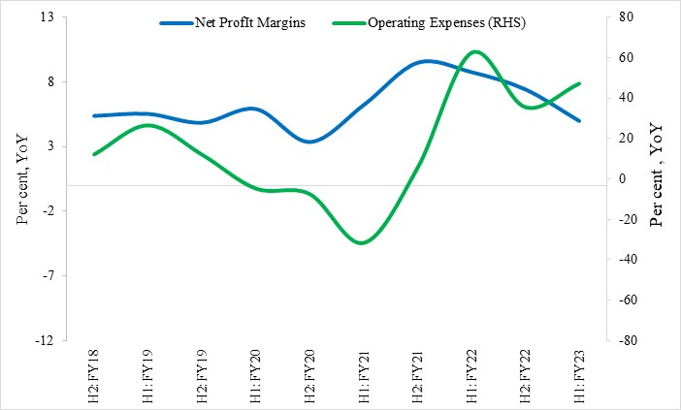
Figure C: Profit Margins Improving
 | Net ProfIt Margins | Operating Expenses (RHS)
H2:FY18 | 5 | 12
H1:FY19 | 6 | 27
H2:FY19 | 5 | 12
H1:FY20 | 6 | -5
H2:FY20 | 3 | -7
H1:FY21 | 6 | -32
H2:FY21 | 9 | 6
H1:FY22 | 9 | 62
H2:FY22 | 7 | 36
H1:FY23 | 5 | 47
Source: Centre for Monitoring Indian Economy (CMIE)

Box 1 Figure D
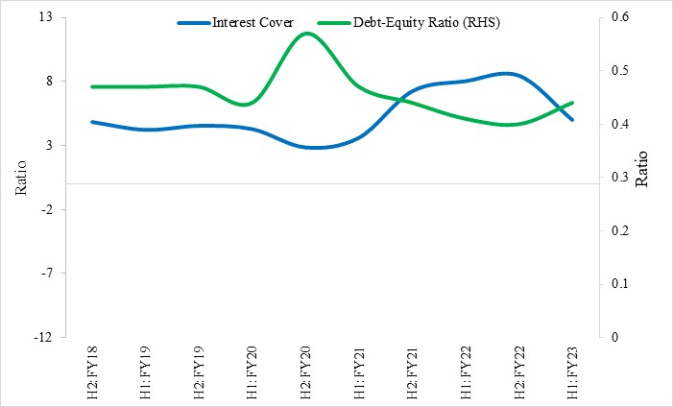
Figure D: Liquidity and Gearing Ratios marginally healthier
 | Interest Cover | Debt-Equity Ratio (RHS)
H2:FY18 | 4.84 | 0.47
H1:FY19 | 4.23 | 0.47
H2:FY19 | 4.54 | 0.47
H1:FY20 | 4.29 | 0.44
H2:FY20 | 2.87 | 0.57
H1:FY21 | 3.62 | 0.47
H2:FY21 | 7.22 | 0.44
H1:FY22 | 8 | 0.41
H2:FY22 | 8.42 | 0.4
H1:FY23 | 5 | 0.44
Source: Centre for Monitoring Indian Economy (CMIE)

Box 1 Figure E
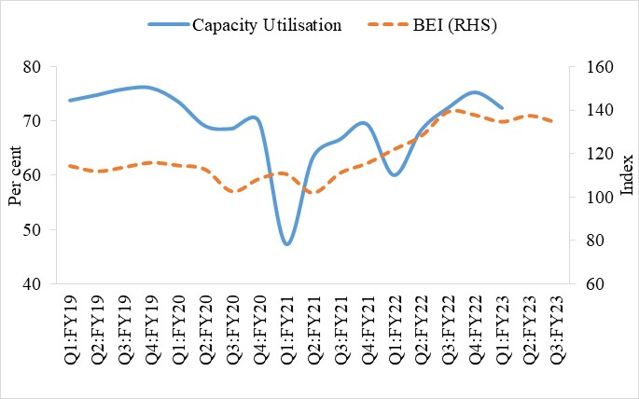
Figure E: Capacity Utilisation and Business expectation
 | Capacity Utilisation | BEI (RHS)
Q1:FY19 | 73.8 | 114.2
Q2:FY19 | 74.8 | 111.7
Q3:FY19 | 75.9 | 113.6
Q4:FY19 | 76.1 | 115.7
Q1:FY20 | 73.6 | 114.4
Q2:FY20 | 69.1 | 112.6
Q3:FY20 | 68.6 | 102.4
Q4:FY20 | 69.9 | 108.2
Q1:FY21 | 47.3 | 110.5
Q2:FY21 | 63.3 | 101.7
Q3:FY21 | 66.6 | 110.9
Q4:FY21 | 69.4 | 115.4
Q1:FY22 | 60.0 | 121.9
Q2:FY22 | 68.3 | 128.0
Q3:FY22 | 72.4 | 139.3
Q4:FY22 | 75.3 | 137.8
Q1:FY23 | 72.4 | 134.7
Q2:FY23 |  | 137.5
Q3:FY23 |  | 134.4
Source: RBI
Note: BEI stands for Business Expectation Index

Box 3 Figure A
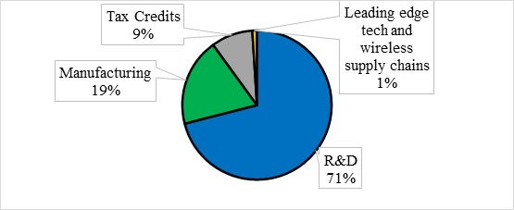
Box 3 Figure A

 | CHIPS Act
R&D | 71%
Manufacturing | 19%
Tax Credits | 9%
Leading edge tech and wireless supply chains | 1%

Source: White House, Fedral Government of the United States of America'

Box 5 Figure A
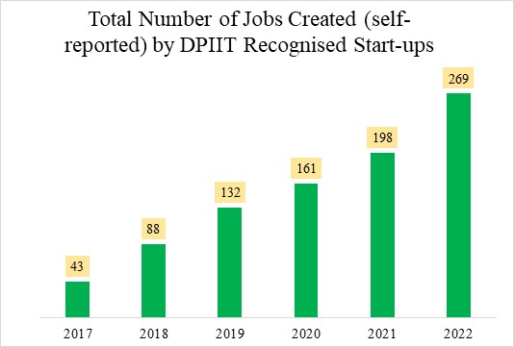
Figure A: Jobs created by Start-ups
 | Number of Jobs Created (Thousands)
2017 | 43
2018 | 88
2019 | 132
2020 | 161
2021 | 198
2022 | 269
Source: DPIIT

Box 5 Figure B
Figure B: Effect of Flipping on the structure of the company
Pre-Flipping | Post-Flipping
Resident Shareholders
Non-Resident Shareholders
Indian Company
Resident Shareholders
Non-Resident Shareholders
US/Singapore Company
Indian Company

