Figure VII.1
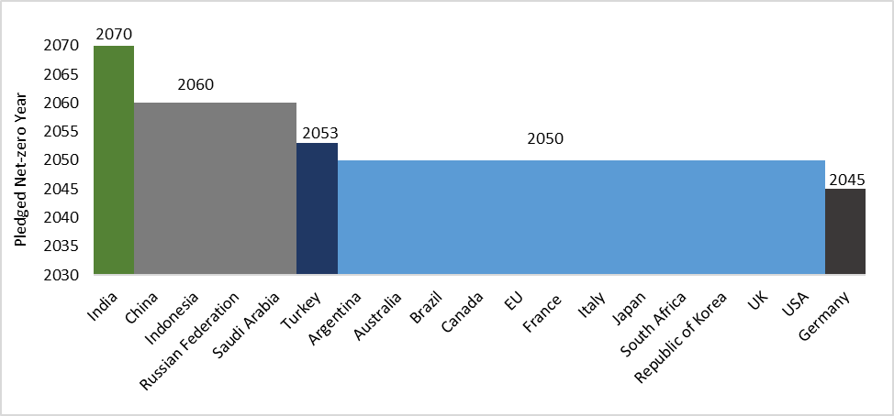
Figure VII.1: Net Zero pledges of countries
Country | Target Year
Argentina | 2050
Australia | 2050
Brazil | 2050
Canada | 2050
China | 2060
EU | 2050
France | 2050
Germany | 2045
India | 2070
Indonesia | 2060
Italy | 2050
Japan | 2050
Mexico
Russian Federation | 2060
Saudi Arabia | 2060
South Africa | 2050
Republic of Korea | 2050
Turkey | 2053
UK | 2050
USA | 2050
Source: Emissions Gap Report 2021, UNEP

Figure VII.3
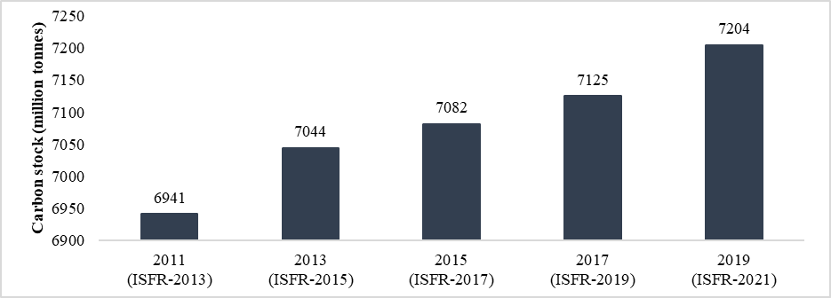
Figure VII.3: Carbon stock in forests in India is rising
Year | Carbon stock (million tonnes)
2011 | 6941
2013 | 7044
2015 | 7082
2017 | 7125
2019 | 7204
Source: Based on data of Forest Survey of India

Figure VII.4
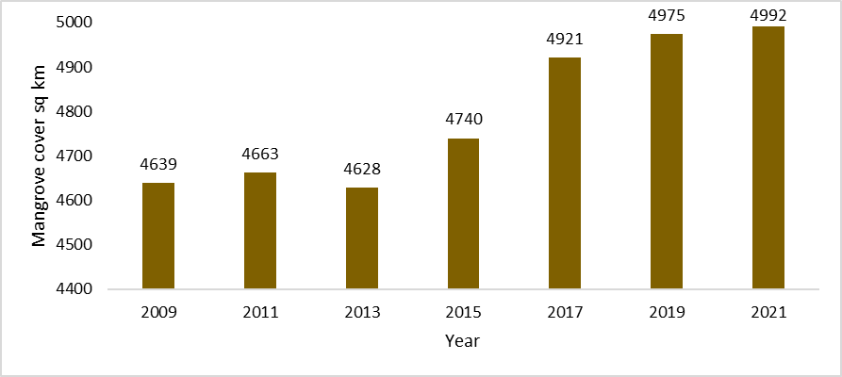
Figure VII.4: Increasing Mangrove cover in India
Year | Carbon stock (million tonnes)
2009 | 4639
2011 | 4663
2013 | 4628
2015 | 4740
2017 | 4921
2019 | 4975
2021 | 4992
Source: Based on data of Forest Survey of India

Figure VII.6
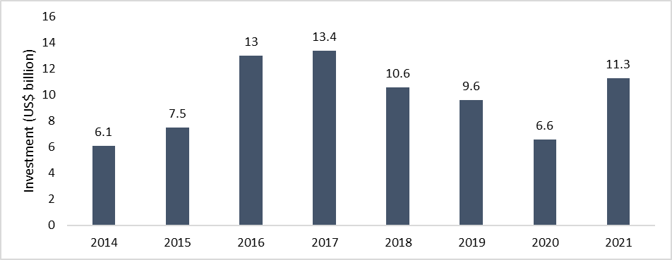
Figure VII.6: Investment in Renewables in India since 2014
Year | Investment (US$ billion)
2014 | 6.1
2015 | 7.5
2016 | 13
2017 | 13.4
2018 | 10.6
2019 | 9.6
2020 | 6.6
2021 | 11.3
Source: REN21. Renewables 2022 Global Status Report

Figure VII.7
Figure VII.7: Projected optimal mix of installed capacity for 2029-30
Source: REN21. Renewables 2022 Global Status Report | Share in overall installed capacity (per cent)
Hydro* | 7.46
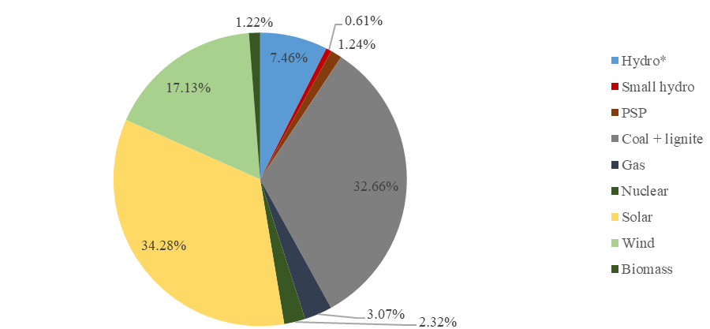
Solar | 34.28
Wind | 17.13
Coal+Lignite | 32.66
Small hydro | 0.61
PSP | 1.24
Gas | 3.07
Biomass | 1.22
Nuclear | 2.32
Source: Central Electricity Authority

Figure VII.10
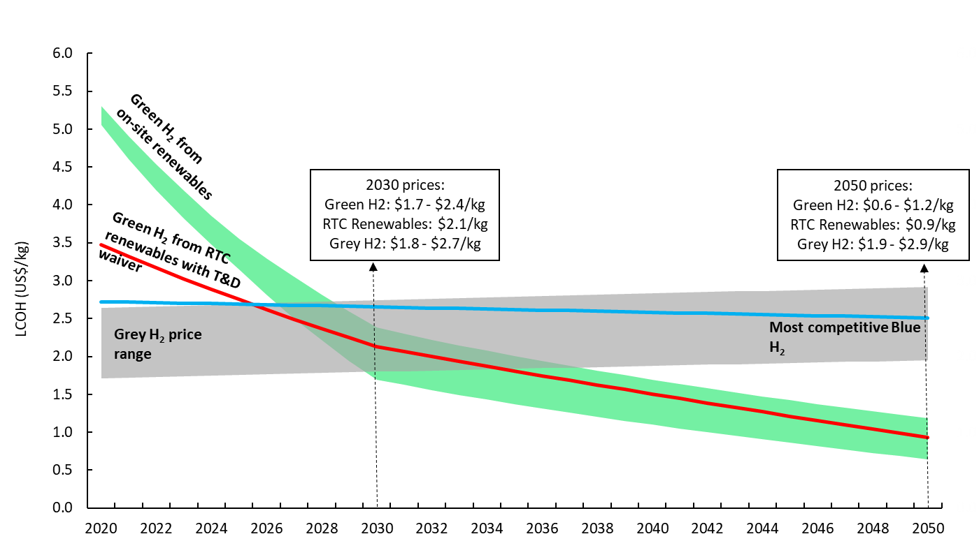
Figure VII.10: Falling LCOH for Green Hydrogen
c | Hydrogen price ($/kg)
Year | GREEN HYDROGEN |  |  | GREY HYDROGEN |  |  | Blue Hydrogen | RTC Renewable
 | GR-High | GR-Low | GR-Stack | G-High | G-Low | G-Stack
2020 | 5.3 | 5.1 | 0.2 | 2.6 | 1.7 | 0.9 | 2.7 | 3.5
2021 | 4.9 | 4.6 | 0.3 | 2.6 | 1.7 | 0.9 | 2.7 | 3.3
2022 | 4.5 | 4.2 | 0.3 | 2.7 | 1.7 | 0.9 | 2.7 | 3.2
2023 | 4.2 | 3.8 | 0.4 | 2.7 | 1.7 | 0.9 | 2.7 | 3.0
2024 | 3.9 | 3.5 | 0.4 | 2.7 | 1.7 | 0.9 | 2.7 | 2.9
2025 | 3.6 | 3.2 | 0.4 | 2.7 | 1.8 | 0.9 | 2.7 | 2.8
2026 | 3.3 | 2.8 | 0.5 | 2.7 | 1.8 | 0.9 | 2.7 | 2.6
2027 | 3.1 | 2.5 | 0.5 | 2.7 | 1.8 | 0.9 | 2.7 | 2.5
2028 | 2.8 | 2.2 | 0.6 | 2.7 | 1.8 | 0.9 | 2.7 | 2.4
2029 | 2.6 | 1.9 | 0.6 | 2.7 | 1.8 | 0.9 | 2.7 | 2.2
2030 | 2.4 | 1.7 | 0.7 | 2.7 | 1.8 | 0.9 | 2.7 | 2.1
2031 | 2.3 | 1.6 | 0.7 | 2.7 | 1.8 | 0.9 | 2.6 | 2.1
2032 | 2.2 | 1.6 | 0.7 | 2.8 | 1.8 | 0.9 | 2.6 | 2.0
2033 | 2.1 | 1.5 | 0.7 | 2.8 | 1.8 | 0.9 | 2.6 | 1.9
2034 | 2.1 | 1.4 | 0.6 | 2.8 | 1.8 | 0.9 | 2.6 | 1.9
2035 | 2.0 | 1.4 | 0.6 | 2.8 | 1.8 | 0.9 | 2.6 | 1.8
2036 | 1.9 | 1.3 | 0.6 | 2.8 | 1.8 | 1.0 | 2.6 | 1.7
2037 | 1.9 | 1.3 | 0.6 | 2.8 | 1.9 | 1.0 | 2.6 | 1.7
2038 | 1.8 | 1.2 | 0.6 | 2.8 | 1.9 | 1.0 | 2.6 | 1.6
2039 | 1.8 | 1.1 | 0.6 | 2.8 | 1.9 | 1.0 | 2.6 | 1.6
2040 | 1.7 | 1.1 | 0.6 | 2.8 | 1.9 | 1.0 | 2.6 | 1.5
2041 | 1.6 | 1.0 | 0.6 | 2.8 | 1.9 | 1.0 | 2.6 | 1.4
2042 | 1.6 | 1.0 | 0.6 | 2.8 | 1.9 | 1.0 | 2.6 | 1.4
2043 | 1.5 | 1.0 | 0.6 | 2.9 | 1.9 | 1.0 | 2.6 | 1.3
2044 | 1.5 | 0.9 | 0.6 | 2.9 | 1.9 | 1.0 | 2.6 | 1.3
2045 | 1.4 | 0.9 | 0.6 | 2.9 | 1.9 | 1.0 | 2.5 | 1.2
2046 | 1.4 | 0.8 | 0.6 | 2.9 | 1.9 | 1.0 | 2.5 | 1.2
2047 | 1.3 | 0.8 | 0.6 | 2.9 | 1.9 | 1.0 | 2.5 | 1.1
2048 | 1.3 | 0.7 | 0.5 | 2.9 | 1.9 | 1.0 | 2.5 | 1.0
2049 | 1.2 | 0.7 | 0.5 | 2.9 | 1.9 | 1.0 | 2.5 | 1.0
2050 | 1.2 | 0.6 | 0.5 | 2.9 | 1.9 | 1.0 | 2.5 | 0.9
Source: NITI Aayog

Figure VII.13
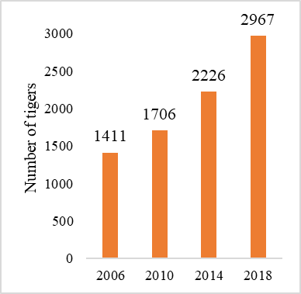
Figure VII.13: Success story of tiger conservation efforts reflected in increased tiger count
Year | Tiger count
2006 | 1411
2010 | 1706
2014 | 2226
2018 | 2967
Source: National Tiger Conservation Authority

Figure VII.14
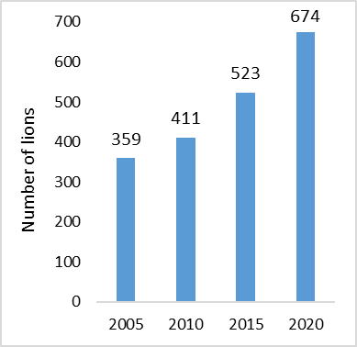
Figure VII.14: Rising lion count
Year | Lion count
2005 | 359
2010 | 411
2015 | 523
2020 | 674
Source: Press Information Bureau release

