Figure VI.1
Figure VI.1: Trends in Social Services Expenditure by General Government
 | 2017-18 | 2018-19 | 2019-20 | 2020-21 | 2021-22 RE | 2022-23 BE
Total Expenditure (in lakh crore) | 45.2 | 50.4 | 54.1 | 63.5 | 74.5 | 80.1
Expenditure on Social Services (in lakh crore) | 11.4 | 12.8 | 13.6 | 14.8 | 19.4 | 21.3
Expenditure on Social Services (as % of GDP) | 6.7 | 6.8 | 6.8 | 7.5 | 8.2 | 8.3
Expenditure on Social Services (as % of total expenditure) | 25.2 | 25.4 | 25.2 | 23.3 | 26.1 | 26.6

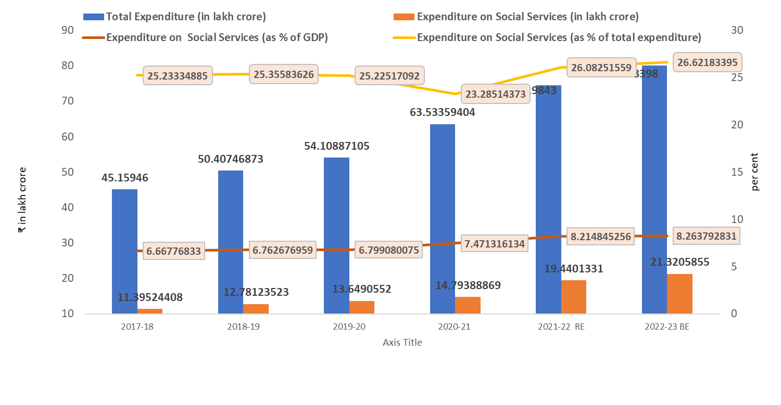

Figure VI.2
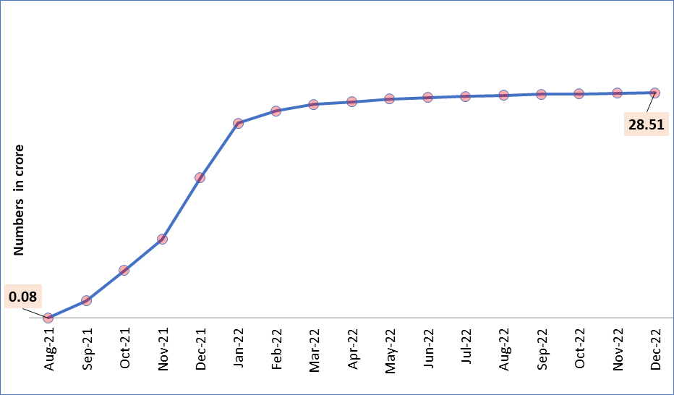
Figure VI.2: Cumulative registrations under e-Shram portal
 | Month | Figures in crore
 | Aug-21 | 0.08
 | Sep-21 | 2.22
 | Oct-21 | 6.03
 | Nov-21 | 9.97
 | Dec-21 | 17.78
 | Jan-22 | 24.64
 | Feb-22 | 26.23
 | Mar-22 | 27.05
 | Apr-22 | 27.37
 | May-22 | 27.73
 | Jun-22 | 27.93
 | Jul-22 | 28.04
 | Aug-22 | 28.19
 | Sep-22 | 28.31
 | Oct-22 | 28.37
 | Nov-22 | 28.44
 | Dec-22 | 28.51

(b) In Oct-2022 (in lakhs)
 | 1

Figure VI.3
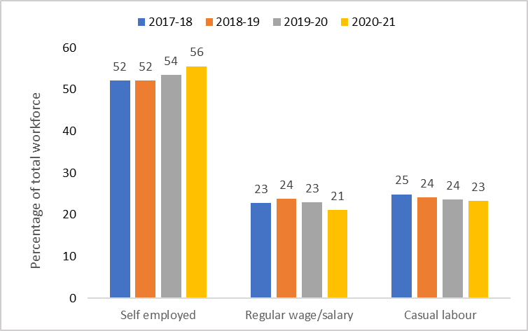
Figure VI.3: Trends in broad employment status (Persons, rural+urban)
 | Self employed | Regular wage/salary | Casual labour
2017-18 | 52 | 23 | 25
2018-19 | 52 | 24 | 24
2019-20 | 54 | 23 | 24
2020-21 | 56 | 21 | 23

Figure VI.4
Figure VI.4 Change in female labour force participation rate

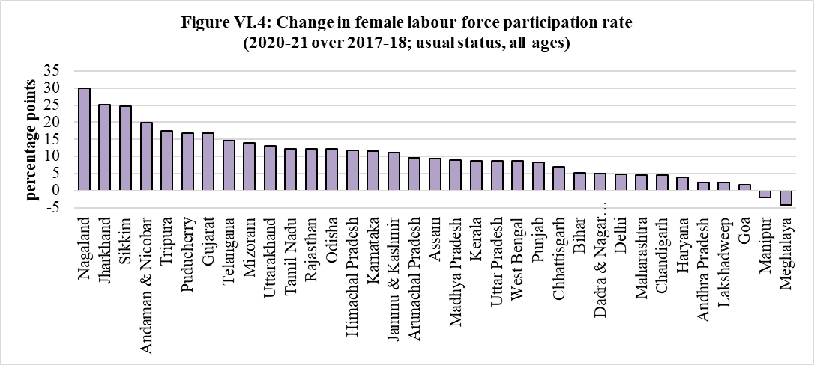
States/UTs | Change in female labour force participation rate
Nagaland | 30
Jharkhand | 25
Sikkim | 25
Andaman & Nicobar | 20
Tripura | 17
Puducherry | 17
Gujarat | 17
Telangana | 15
Mizoram | 14
Uttarakhand | 13
Tamil Nadu | 12
Rajasthan | 12
Odisha | 12
Himachal Pradesh | 12
Karnataka | 12
Jammu & Kashmir | 11
Arunachal Pradesh | 10
Assam | 9
Madhya Pradesh | 9
Kerala | 9
Uttar Pradesh | 9
West Bengal | 9
Punjab | 8
Chhattisgarh | 7
Bihar | 5
Dadra & Nagar Haveli | 5
Delhi | 5
Maharashtra | 5
Chandigarh | 5
Haryana | 4
Andhra Pradesh | 2
Lakshadweep | 2
Goa | 2
Manipur | -2
Meghalaya | -4

Source: PLFS, MoSPI

Figure VI.5
Figure VI.5 Quarterly urban employment indicators

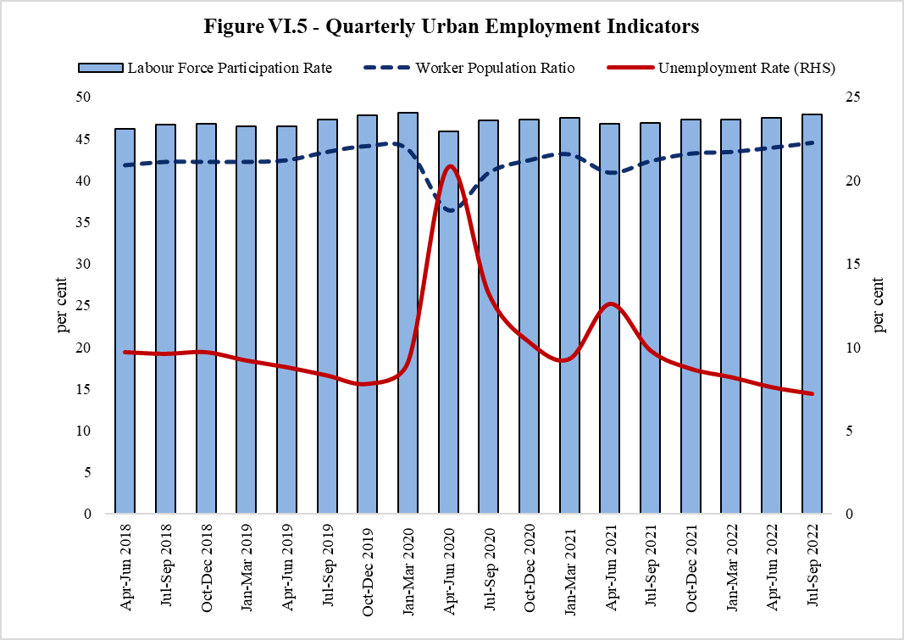
Quarters | Labour Force Participation Rate | Worker Population Ratio | Unemployment Rate (RHS)
Apr-Jun 2018 | 46.2 | 41.8 | 9.7
Jul-Sep 2018 | 46.7 | 42.2 | 9.6
Oct-Dec 2018 | 46.8 | 42.2 | 9.7
Jan-Mar 2019 | 46.5 | 42.2 | 9.2
Apr-Jun 2019 | 46.5 | 42.4 | 8.8
Jul-Sep 2019 | 47.3 | 43.4 | 8.3
Oct-Dec 2019 | 47.8 | 44.1 | 7.8
Jan-Mar 2020 | 48.1 | 43.7 | 9.1
Apr-Jun 2020 | 45.9 | 36.4 | 20.8
Jul-Sep 2020 | 47.2 | 40.9 | 13.2
Oct-Dec 2020 | 47.3 | 42.4 | 10.3
Jan-Mar 2021 | 47.5 | 43.1 | 9.3
Apr-Jun 2021 | 46.8 | 40.9 | 12.6
Jul-Sep 2021 | 46.9 | 42.3 | 9.8
Oct-Dec 2021 | 47.3 | 43.2 | 8.7
Jan-Mar 2022 | 47.3 | 43.4 | 8.2
Apr-Jun 2022 | 47.5 | 43.9 | 7.6
Jul-Sep 2022 | 47.9 | 44.5 | 7.2

Source: Quarterly PLFS Reports, MoS&PI

Figure VI.6
Figure VI.6 Estimated Number of Workers according to QES (inFY22 , in lakh)

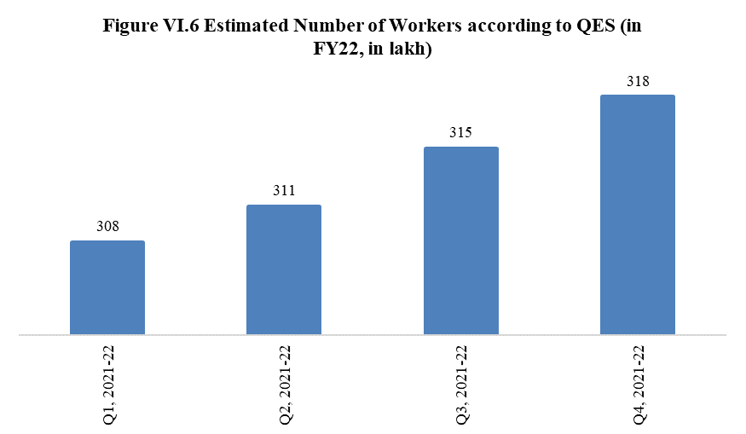
Quarters | Estimated Number of Workers
Q1, 2021-22 | 308
Q2, 2021-22 | 311
Q3, 2021-22 | 315
Q4, 2021-22 | 318

Source: QES Reports, Labour Bureau

Figure VI.7
Figure VI.7 Sector-wise share of total employment according to QES (in Q4 FY22; in percentage)
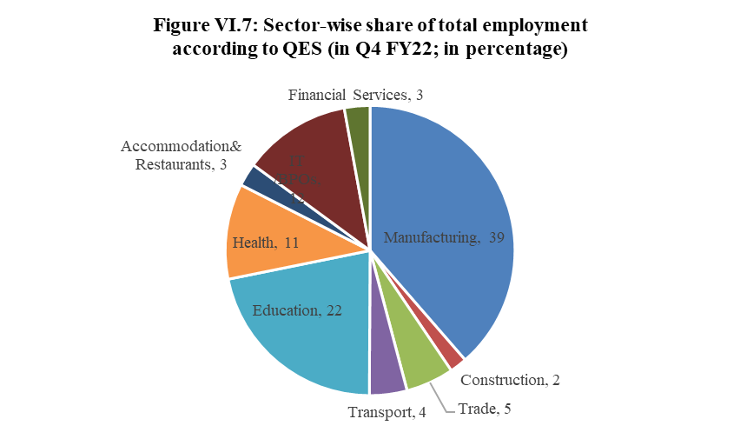
Srl No. | Sectors | Share of total employment
1 | Manufacturing | 39
2 | Construction | 2
3 | Trade | 5
4 | Transport | 4
5 | Education | 22
6 | Health | 11
7 | Accommodation& Restaurants | 3
8 | IT /BPOs | 12
9 | Financial Services | 3

Source: QES Reports, Labour Bureau

Figure VI.8
Figure VI.8 Total Persons Engaged in Factory Sector by State/UT in 2019-20

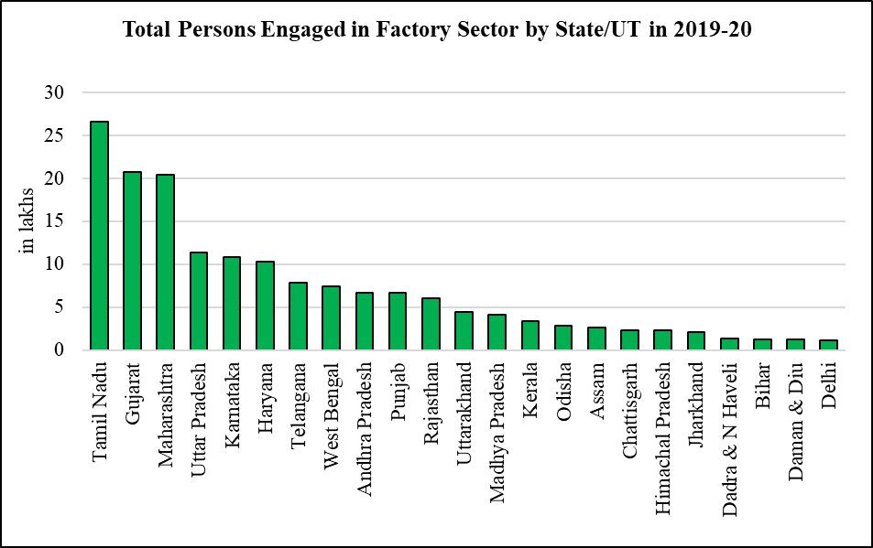
State/UT | Total Persons Engaged (in lakhs)
Tamil Nadu | 26.6
Gujarat | 20.7
Maharashtra | 20.4
Uttar Pradesh | 11.3
Karnataka | 10.8
Haryana | 10.2
Telangana | 7.9
West Bengal | 7.4
Andhra Pradesh | 6.6
Punjab | 6.6
Rajasthan | 6.0
Uttarakhand | 4.4
Madhya Pradesh | 4.1
Kerala | 3.4
Odisha | 2.8
Assam | 2.6
Chattisgarh | 2.3
Himachal Pradesh | 2.3
Jharkhand | 2.1
Dadra & N Haveli | 1.3
Bihar | 1.3
Daman & Diu | 1.2
Delhi | 1.1

Source: Annual Survey of Industries, 2019-20

Figure VI.9
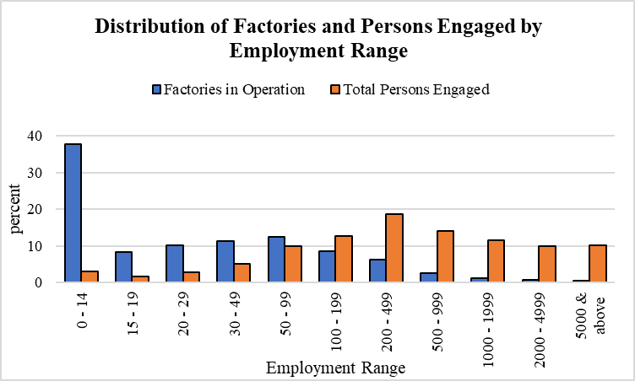
Figure VI.9 Distribution of Factories and Persons Engaged by Employment Range
Employment Range | Percentage of Factories in Operation | Percentage of Total Persons Engaged
0 - 14 | 37.81 | 3
15 - 19 | 8.41 | 1.68
20 - 29 | 10.19 | 2.89
30 - 49 | 11.34 | 5.1
50 - 99 | 12.4 | 10
100 - 199 | 8.52 | 12.8
200 - 499 | 6.24 | 18.7
500 - 999 | 2.58 | 14.18
1000 - 1999 | 1.28 | 11.6
2000 - 4999 | 0.82 | 9.96
5000 & above | 0.41 | 10.1

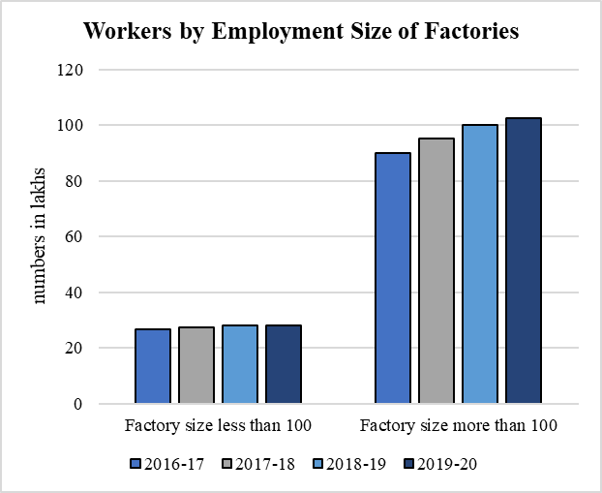
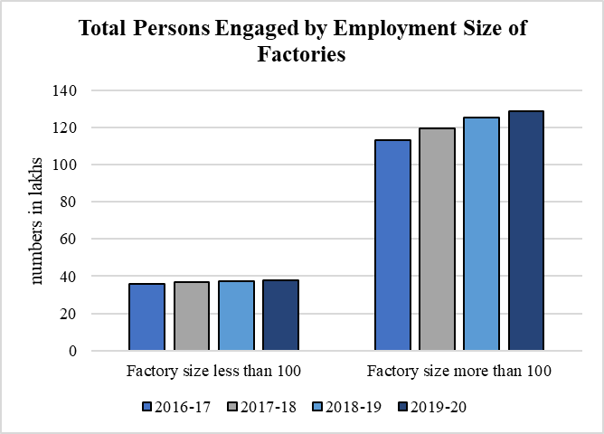
Source: Annual Survey of Industries, 2019-20

Workers by Employment Size of Factories
numbers in lakhs | 2016-17 | 2017-18 | 2018-19 | 2019-20
Factory size less than 100 | 26.8 | 27.2 | 27.9 | 28.1
Factory size more than 100 | 89.9 | 95.0 | 100.1 | 102.5
Source: Annual Survey of Industries, 2019-20

Total Persons Engaged by Employment Size of Factories
numbers in lakhs | 2016-17 | 2017-18 | 2018-19 | 2019-20
Factory size less than 100 | 36.0 | 36.6 | 37.4 | 37.7
Factory size more than 100 | 113.1 | 119.6 | 125.4 | 128.6
Source: Annual Survey of Industries, 2019-20

Figure VI.10
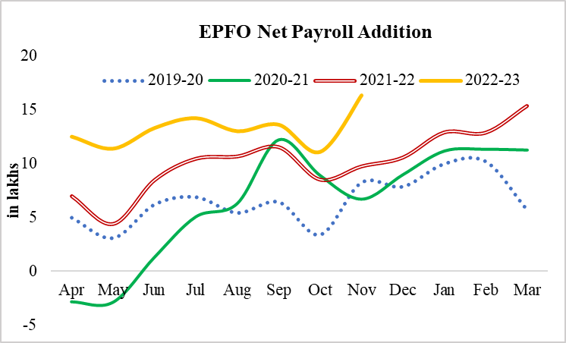
Figure VI.10 EPFO Net Payroll Addition
numbers in lakhs | 2019-20 | 2020-21 | 2021-22 | 2022-23
Apr | 5.0 | -2.8 | 7.0 | 12.5
May | 3.1 | -2.9 | 4.4 | 11.4
Jun | 6.2 | 1.3 | 8.5 | 13.3
Jul | 6.9 | 5.0 | 10.4 | 14.2
Aug | 5.4 | 6.3 | 10.7 | 13.0
Sep | 6.4 | 12.2 | 11.5 | 13.6
Oct | 3.4 | 8.9 | 8.5 | 11.1
Nov | 8.3 | 6.7 | 9.7 | 16.3
Dec | 7.9 | 8.9 | 10.6
Jan | 10.0 | 11.1 | 12.9
Feb | 10.2 | 11.3 | 12.8
Mar | 5.7 | 11.2 | 15.3

Source: EPFO monthly releases, latest January 2023

Figure VI.11
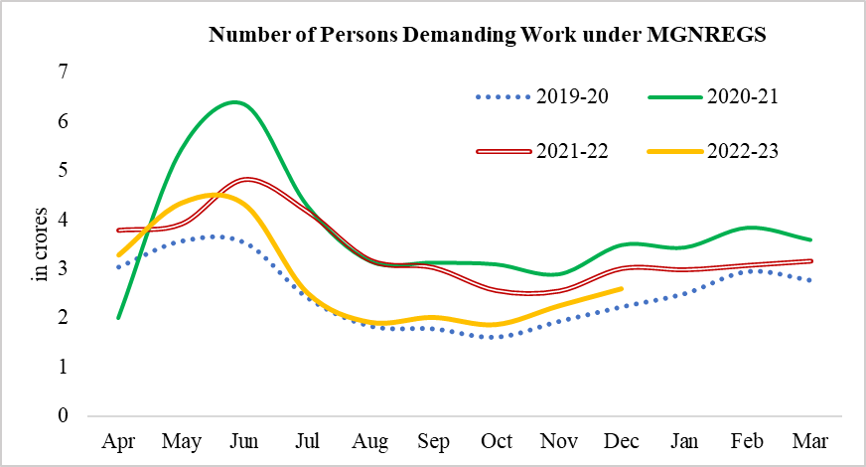
Figure VI.11 MGNREGS work demanded (persons)
in crores | 2019-20 | 2020-21 | 2021-22 | 2022-23
Apr | 3.0 | 2.0 | 3.8 | 3.3
May | 3.6 | 5.4 | 3.9 | 4.4
Jun | 3.5 | 6.4 | 4.8 | 4.3
Jul | 2.4 | 4.3 | 4.2 | 2.5
Aug | 1.8 | 3.2 | 3.2 | 1.9
Sep | 1.8 | 3.1 | 3.0 | 2.0
Oct | 1.6 | 3.1 | 2.6 | 1.9
Nov | 1.9 | 2.9 | 2.5 | 2.3
Dec | 2.2 | 3.5 | 3.0 | 2.6
Jan | 2.5 | 3.4 | 3.0
Feb | 2.9 | 3.8 | 3.1
Mar | 2.8 | 3.6 | 3.2

Source: MGNREGS Portal accessed on 20th January 2023

Figure VI.12
Number of Projects under MGNREGS
Figure VI.12: Number of projects under MGNREGS (in lakhs)
 | Completed Works | Ongoing Works
2013-14 | 27.6 | 101.8
2014-15 | 38.0 | 55.1
2015-16 | 35.2 | 79.6
2016-17 | 66.2 | 87.7
2017-18 | 63.0 | 123.0
2018-19 | 90.4 | 120.5
2019-20 | 73.4 | 140.7
2020-21 | 82.8 | 165.6
2021-22 | 85.0 | 169.1

Figure VI.13
Figure VI.13: Share of completed works under MGNREGS (by count)

Figure: Share of completed works under MGNREGS, by count
 | land development share | micro irrigation share | renovation of traditional water bodies | rural connectivity | rural sanitation | water conservation and water harvesting | work on individual's land | flood control & protection | drought proofing | others
2013-14 | 9.4 | 7.0 | 3.9 | 14.8 | 34.4 | 8.6 | 9.6 | 3.4 | 6.2 | 2.6
2014-15 | 8.0 | 3.4 | 3.4 | 11.6 | 39.6 | 6.6 | 16.2 | 2.2 | 6.6 | 2.4
2015-16 | 8.5 | 4.0 | 3.9 | 12.4 | 22.5 | 7.2 | 27.3 | 2.8 | 7.9 | 3.5
2016-17 | 7.6 | 3.2 | 2.7 | 7.9 | 17.1 | 8.2 | 43.7 | 1.8 | 5.4 | 2.5
2017-18 | 4.4 | 2.3 | 2.2 | 6.4 | 17.5 | 5.9 | 52.1 | 1.5 | 4.1 | 3.6
2018-19 | 3.2 | 1.6 | 1.0 | 4.3 | 6.4 | 3.4 | 72.6 | 1.0 | 3.9 | 2.6
2019-20 | 3.6 | 2.0 | 1.0 | 4.0 | 4.6 | 4.8 | 73.1 | 1.2 | 4.8 | 1.1
2020-21 | 4.0 | 2.4 | 1.0 | 4.7 | 5.4 | 5.3 | 70.2 | 1.3 | 4.6 | 1.2
2021-22 | 4.0 | 2.8 | 0.9 | 4.0 | 2.0 | 5.8 | 73.3 | 1.5 | 4.4 | 1.5

Figure VI.14
Figure VI.14: Trends in rural wages
AGRICULTURE |  |  |  |  |  | NON-AGRI
 | nominal |  |  | real |  |  | nominal |  |  | real
 | Men | Women |  | men | women |  | men | women |  | men | women
May-20 | 312 | 242 | May-20 | 207 | 160 | May-20 | 381 | 226 | May-20 | 252 | 150
Jun-20 | 322 | 242 | Jun-20 | 211 | 158 | Jun-20 | 384 | 221 | Jun-20 | 251 | 145
Jul-20 | 327 | 238 | Jul-20 | 212 | 154 | Jul-20 | 380 | 221 | Jul-20 | 246 | 143
Aug-20 | 325 | 235 | Aug-20 | 209 | 151 | Aug-20 | 375 | 236 | Aug-20 | 241 | 152
Sep-20 | 323 | 234 | Sep-20 | 205 | 149 | Sep-20 | 371 | 237 | Sep-20 | 235 | 151
Oct-20 | 323 | 234 | Oct-20 | 202 | 147 | Oct-20 | 372 | 247 | Oct-20 | 233 | 155
Nov-20 | 326 | 237 | Nov-20 | 203 | 148 | Nov-20 | 373 | 249 | Nov-20 | 232 | 155
Dec-20 | 327 | 240 | Dec-20 | 206 | 151 | Dec-20 | 374 | 250 | Dec-20 | 236 | 158
Jan-21 | 330 | 239 | Jan-21 | 210 | 153 | Jan-21 | 375 | 248 | Jan-21 | 239 | 158
Feb-21 | 333 | 242 | Feb-21 | 213 | 154 | Feb-21 | 377 | 246 | Feb-21 | 241 | 157
Mar-21 | 337 | 245 | Mar-21 | 215 | 156 | Mar-21 | 379 | 250 | Mar-21 | 242 | 160
Apr-21 | 339 | 246 | Apr-21 | 215 | 156 | Apr-21 | 380 | 250 | Apr-21 | 241 | 159
May-21 | 340 | 246 | May-21 | 211 | 153 | May-21 | 381 | 250 | May-21 | 236 | 155
Jun-21 | 341 | 248 | Jun-21 | 210 | 153 | Jun-21 | 381 | 250 | Jun-21 | 235 | 155
Jul-21 | 342 | 250 | Jul-21 | 209 | 153 | Jul-21 | 384 | 252 | Jul-21 | 235 | 155
Aug-21 | 343 | 250 | Aug-21 | 210 | 153 | Aug-21 | 385 | 252 | Aug-21 | 235 | 154
Sep-21 | 345 | 251 | Sep-21 | 210 | 153 | Sep-21 | 386 | 253 | Sep-21 | 236 | 154
Oct-21 | 342 | 253 | Oct-21 | 205 | 152 | Oct-21 | 387 | 253 | Oct-21 | 233 | 152
Nov-21 | 342 | 252 | Nov-21 | 204 | 150 | Nov-21 | 388 | 254 | Nov-21 | 232 | 151
Dec-21 | 343 | 254 | Dec-21 | 205 | 152 | Dec-21 | 389 | 254 | Dec-21 | 233 | 152
Jan-22 | 343 | 254 | Jan-22 | 206 | 153 | Jan-22 | 391 | 255 | Jan-22 | 235 | 153
Feb-22 | 348 | 257 | Feb-22 | 209 | 154 | Feb-22 | 394 | 256 | Feb-22 | 236 | 153
Mar-22 | 351 | 259 | Mar-22 | 208 | 154 | Mar-22 | 395 | 256 | Mar-22 | 234 | 152
Apr-22 | 353 | 262 | Apr-22 | 207 | 153 | Apr-22 | 396 | 257 | Apr-22 | 232 | 150
May-22 | 354 | 264 | May-22 | 205 | 153 | May-22 | 397 | 259 | May-22 | 230 | 150
Jun-22 | 356 | 274 | Jun-22 | 205 | 158 | Jun-22 | 399 | 260 | Jun-22 | 230 | 150
Jul-22 | 358 | 266 | Jul-22 | 206 | 153 | Jul-22 | 401 | 261 | Jul-22 | 230 | 150
Aug-22 | 360 | 268 | Aug-22 | 205 | 153 | Aug-22 | 403 | 262 | Aug-22 | 230 | 149
Sep-22 | 361 | 269 | Sep-22 | 205 | 153 | Sep-22 | 404 | 263 | Sep-22 | 229 | 149
Oct-22 | 364 | 271 | Oct-22 | 204 | 152 | Oct-22 | 408 | 269 | Oct-22 | 229 | 151

Nom agri
 | Men | Women
43952 | 312.40818182 | 241.84777778
43983 | 321.83416667 | 241.98777778
44013 | 327.47416667 | 237.934
44044 | 325.2775 | 235.382
44075 | 322.8825 | 233.946
44105 | 322.5475 | 234.293
44136 | 325.91666667 | 237.432
44166 | 326.81083333 | 240.077
44197 | 330.0275 | 239.485
44228 | 333.20666667 | 241.53
44256 | 337.3375 | 245.081
44287 | 339.34333333 | 245.992
44317 | 339.94416667 | 246.235
44348 | 340.865 | 247.652
44378 | 341.75166667 | 250.42
44409 | 342.83333333 | 249.8
44440 | 344.5275 | 251.064
44470 | 341.57727273 | 252.624
44501 | 341.57727273 | 252.053
44531 | 343.14545455 | 253.6
44562 | 343.46363636 | 254.05
44593 | 347.70454545 | 256.541
44621 | 350.61727273 | 259.499
44652 | 352.95454545 | 261.74
44682 | 354.07181818 | 263.836
44713 | 355.95727273 | 273.632
44743 | 358.28727273 | 266.485
44774 | 359.50181818 | 267.668
44805 | 361.03090909 | 269.368
44835 | 363.66363636 | 270.6
Real agri
 | men | women
43952 | 206.61916787 | 159.95223398
43983 | 210.76238812 | 158.472677
44013 | 211.68336565 | 153.80349063
44044 | 209.31628057 | 151.46846847
44075 | 205.0047619 | 148.53714286
44105 | 201.84449312 | 146.61639549
44136 | 202.8106202 | 147.74859988
44166 | 206.18980021 | 151.4681388
44197 | 210.47672194 | 152.73278061
44228 | 212.63986386 | 154.13529036
44256 | 215.27600511 | 156.40140396
44287 | 215.31937394 | 156.08629442
44317 | 211.0143803 | 152.84605835
44348 | 210.28069093 | 152.77729796
44378 | 209.4066585 | 153.44362745
44409 | 209.55582722 | 152.68948655
44440 | 210.0777439 | 153.08780488
44470 | 205.39823976 | 151.90859892
44501 | 203.80505533 | 150.38961814
44531 | 205.47632009 | 151.85628743
44562 | 206.40843531 | 152.67427885
44593 | 208.58101107 | 153.89382124
44621 | 207.83477933 | 153.8227623
44652 | 206.64786034 | 153.24355972
44682 | 205.37808479 | 153.03712297
44713 | 205.04451194 | 157.62211982
44743 | 205.55781568 | 152.88869765
44774 | 205.07804802 | 152.6913862
44805 | 204.66604824 | 152.70294785
44835 | 204.42025653 | 152.1079258
Nom non-agri
 | men | women
43952 | 381.09076923 | 226.49
43983 | 383.99846154 | 220.90333333
44013 | 380.40538462 | 221.48
44044 | 374.68923077 | 236.305
44075 | 370.59153846 | 237.145
44105 | 371.63692308 | 246.98375
44136 | 372.50538462 | 248.89
44166 | 373.64 | 250.05375
44197 | 375.13076923 | 248.23625
44228 | 377.06461538 | 245.97333333
44256 | 379.31384615 | 249.97333333
44287 | 380.09769231 | 250.04333333
44317 | 380.56307692 | 249.90444444
44348 | 380.95384615 | 250.49
44378 | 383.96923077 | 252.29333333
44409 | 384.84615385 | 252.33333333
44440 | 386.36615385 | 253.03111111
44470 | 387.22076923 | 253.37111111
44501 | 388.11076923 | 253.61333333
44531 | 389.16153846 | 254.13555556
44562 | 390.69230769 | 255.14666667
44593 | 393.52076923 | 255.68222222
44621 | 395.02076923 | 255.93888889
44652 | 396.46153846 | 256.61111111
44682 | 397.04769231 | 258.74333333
44713 | 398.58692308 | 259.82
44743 | 401.07846154 | 261.31555556
44774 | 402.82923077 | 261.75
44805 | 404.28153846 | 262.73888889
44835 | 407.60769231 | 269.4375
real non agri
 | men | women
43952 | 252.04415954 | 149.79497354
43983 | 251.4724699 | 144.66492032
44013 | 245.89876187 | 143.16742081
44044 | 241.11276111 | 152.06241956
44075 | 235.2962149 | 150.56825397
44105 | 232.56378165 | 154.5580413
44136 | 231.8017328 | 154.87865588
44166 | 235.73501577 | 157.7626183
44197 | 239.24156201 | 158.31393495
44228 | 240.62834421 | 156.97085726
44256 | 242.06371803 | 159.52350564
44287 | 241.17873877 | 158.65693739
44317 | 236.22785656 | 155.12380164
44348 | 235.01162625 | 154.52806909
44378 | 235.27526395 | 154.59150327
44409 | 235.23603536 | 154.23797881
44440 | 235.5891182 | 154.28726287
44470 | 232.84471992 | 152.35785395
44501 | 231.56967138 | 151.32060461
44531 | 233.03086135 | 152.17697937
44562 | 234.7910503 | 153.33333333
44593 | 236.06524849 | 153.3786576
44621 | 234.15576125 | 151.71244155
44652 | 232.12033868 | 150.24069737
44682 | 230.30608603 | 150.08313998
44713 | 229.60076214 | 149.66589862
44743 | 230.10812481 | 149.92286607
44774 | 229.79419896 | 149.31545921
44805 | 229.18454561 | 148.94494835
44835 | 229.12180568 | 151.4544688

Figure VI.15
Figure VI.15 Total students’ enrolments in higher education
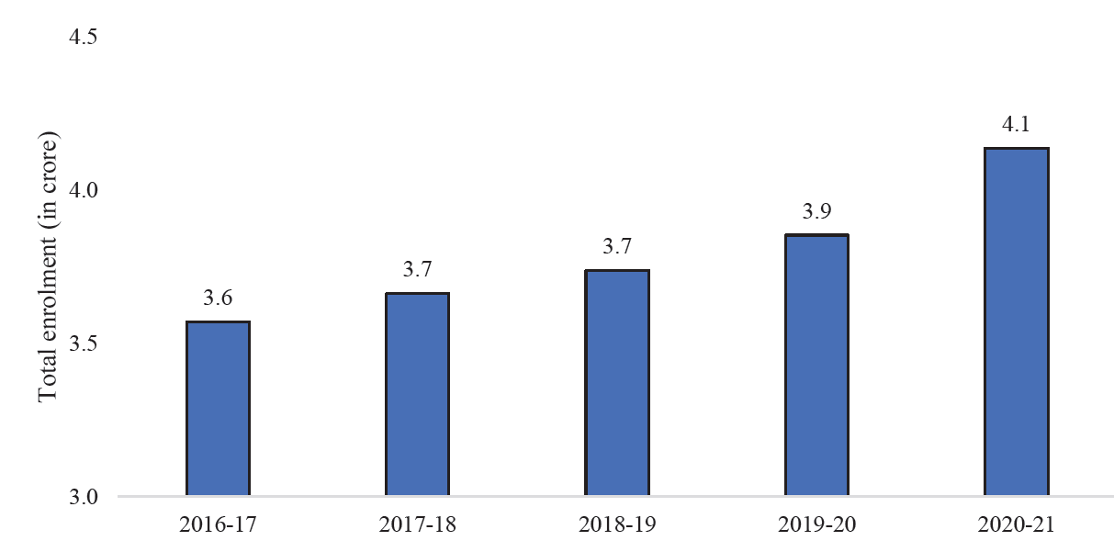
in crore | Total Enrolment
2016-17 | 3.6
2017-18 | 3.7
2018-19 | 3.7
2019-20 | 3.9
2020-21 | 4.1

Source: All India Survey on Higher Education (AISHE) report 2020-21, Ministry of Education

Figure VI.16
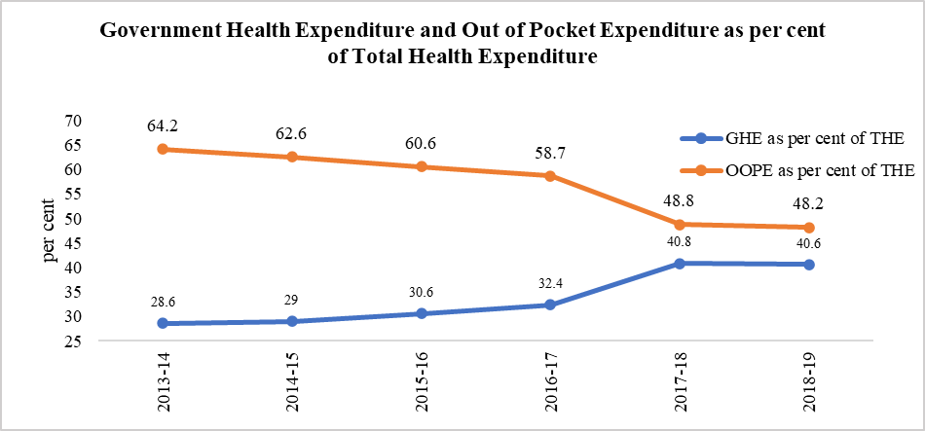
Figure VI.16 Government Health Expenditure (GHE) and Out of Pocket Expenditure (OOPE) as per cent of Total Health Expenditure (THE)
 | 2013-14 | 2014-15 | 2015-16 | 2016-17 | 2017-18 | 2018-19
GHE as per cent of THE | 28.6 | 29 | 30.6 | 32.4 | 40.8 | 40.6
OOPE as per cent of THE | 64.2 | 62.6 | 60.6 | 58.7 | 48.8 | 48.2

Source: National Health Accounts, MoHFW

Figure VI.17
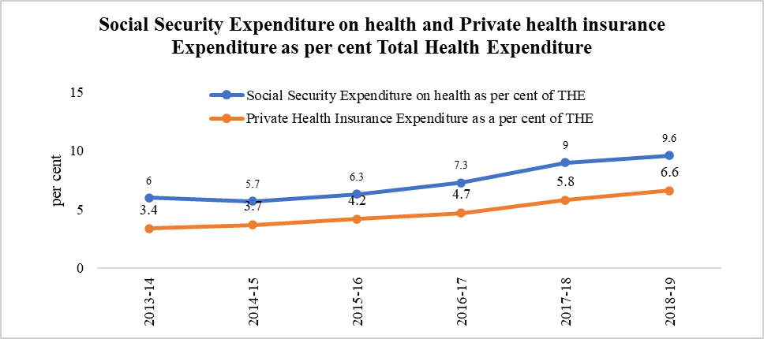
Figure VI.17 Social Security Expenditure on health and Private health insurance Expenditure as per cent Total Health Expenditure
 | 2013-14 | 2014-15 | 2015-16 | 2016-17 | 2017-18 | 2018-19
Social Security Expenditure on health as per cent of THE | 6 | 5.7 | 6.3 | 7.3 | 9 | 9.6
Private Health Insurance Expenditure as a per cent of THE | 3.4 | 3.7 | 4.2 | 4.7 | 5.8 | 6.6

Source: National Health Accounts, MoHFW

Figure VI.18
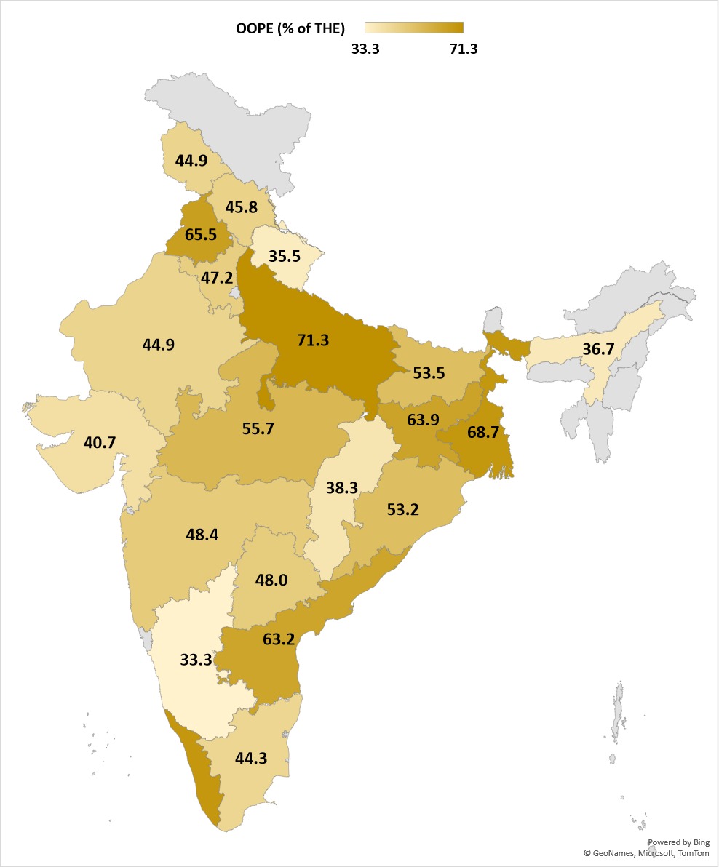
Figure VI.18 Out of Pocket Expenditure (OOPE) as per cent of Total Health Expenditure - Statewise for 2018-19
State/UT | OOPE (% of THE)
Assam | 36.7
Andhra Pradesh | 63.2
Bihar | 53.5
Chhattisgarh | 38.3
Gujarat | 40.7
Haryana | 47.2
Jammu and Kashmir | 44.9
Jharkhand | 63.9
Karnataka | 33.3
Kerala | 68.6
Madhya Pradesh | 55.7
Maharashtra | 48.4
Odisha | 53.2
Punjab | 65.5
Rajasthan | 44.9
Tamil Nadu | 44.3
Uttar Pradesh | 71.3
Uttarakhand | 35.5
West Bengal | 68.7
Telangana | 48
Himachal Pradesh | 45.8

Source: National Health Accounts 2018-19, MoHFW
Note: Jammu and Kashmir represents the erstwhile J&K including Ladakh

Figure VI.19
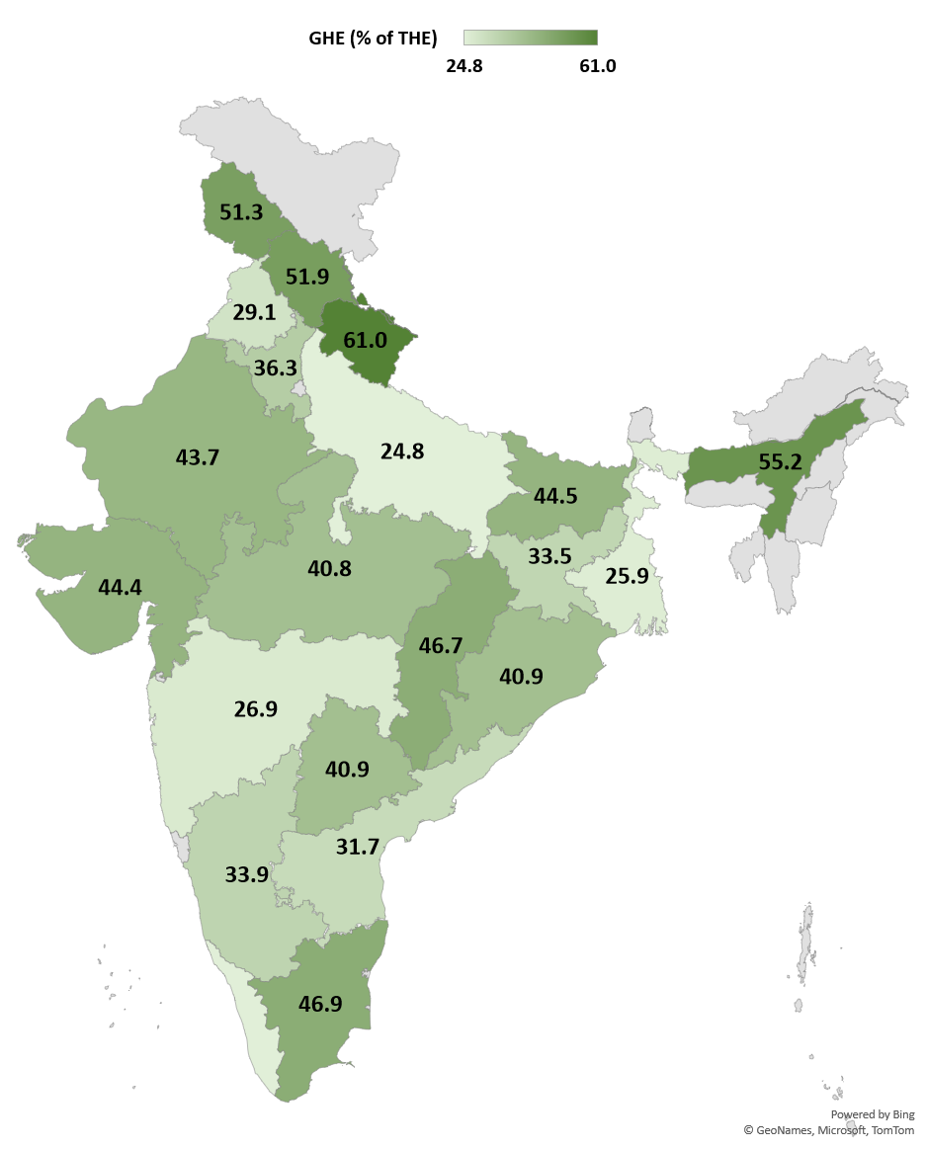
Figure VI.19 Government Health Expenditure as per cent of Total Health Expenditure – State-wise for 2018-19
State/UT | GHE (% of THE)
Assam | 55.2
Andhra Pradesh | 31.7
Bihar | 44.5
Chhattisgarh | 46.7
Gujarat | 44.4
Haryana | 36.3
Jammu and Kashmir | 51.3
Jharkhand | 33.5
Karnataka | 33.9
Kerala | 25.1
Madhya Pradesh | 40.8
Maharashtra | 26.9
Odisha | 40.9
Punjab | 29.1
Rajasthan | 43.7
Tamil Nadu | 46.9
Uttar Pradesh | 24.8
Uttarakhand | 61
West Bengal | 25.9
Telangana | 40.9
Himachal Pradesh | 51.9

Source: National Health Accounts 2018-19, MoHFW
Note: Jammu and Kashmir represents the erstwhile J&K including Ladakh

