V.9
 | 1
 | 2016-17 | 2017-18 | 2018-19 | 2019-20 | 2020-21 | 2021-22
Quantity (lakh tonne) | 151 | 145 | 149 | 132 | 131 | 140
Value (₹'000 crore) | 75 | 67 | 63 | 72 | 117 | 157

 | Import of Edible oils
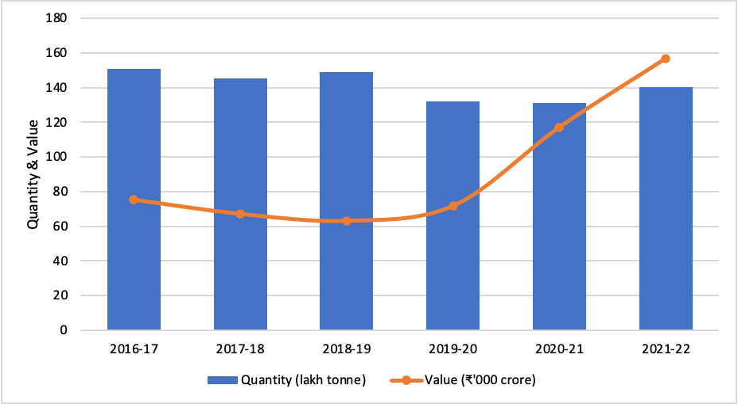

 | Source: Solvent Extractors Association of India
 | Note: Data corresponding to oil year (November-October)

V.10
 | Soya Oil | Palm Oil | Sunflower Oil |  | Moderating Retail Prices of Edible Oils
Apr-21 | 139.0 | 125.0 | 161.6
May-21 | 149.4 | 132.6 | 170.8
Jun-21 | 152.8 | 132.7 | 173.2
Jul-21 | 150.8 | 129.8 | 171.0
Aug-21 | 153.4 | 132.2 | 171.2
Sep-21 | 155.2 | 132.8 | 170.5
Oct-21 | 155.2 | 132.9 | 169.2
Nov-21 | 153.4 | 131.7 | 166.3
Dec-21 | 150.6 | 129.9 | 163.7
Jan-22 | 147.7 | 128.2 | 161.6
Feb-22 | 148.2 | 131.5 | 161.6
Mar-22 | 160.1 | 146.4 | 175.8
Apr-22 | 165.6 | 150.0 | 183.7
May-22 | 171.4 | 155.5 | 189.3
Jun-22 | 169.8 | 151.8 | 189.1
Jul-22 | 164.3 | 142.3 | 185.2
Aug-22 | 159.3 | 138.2 | 182.5
Sep-22 | 155.8 | 130.3 | 179.1
Oct-22 | 153.0 | 123.5 | 176.2
Nov-22 | 156.7 | 122.7 | 177.8
Dec-22 | 155.6 | 120.5 | 176.1 | Source: DoCA

 | 1 | 1 | 1 | 1 | 1 | 1 | 1

 | 1 | 1 | 1 | 1 | 1 | 1 | 1

 | 1 | 1 | 1 | 1 | 1 | 1 | 1

V.13
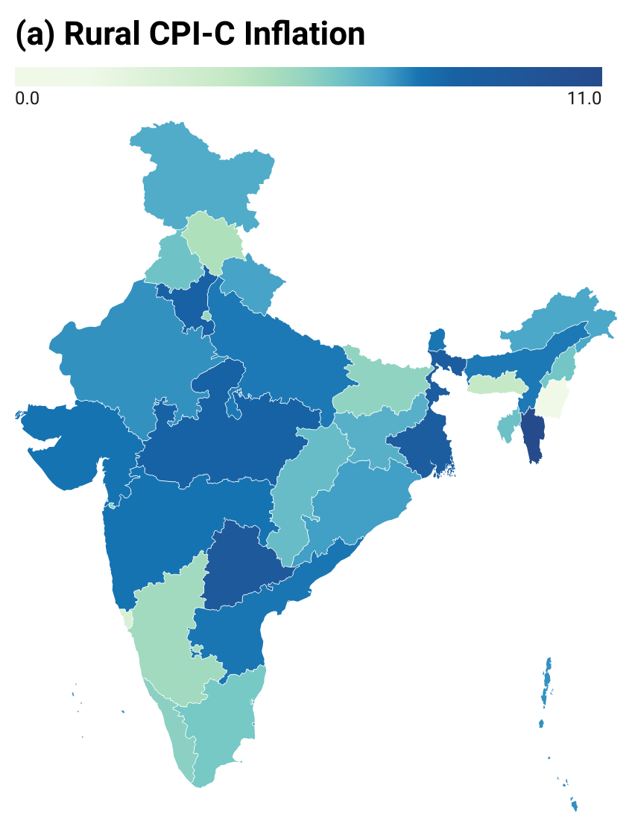
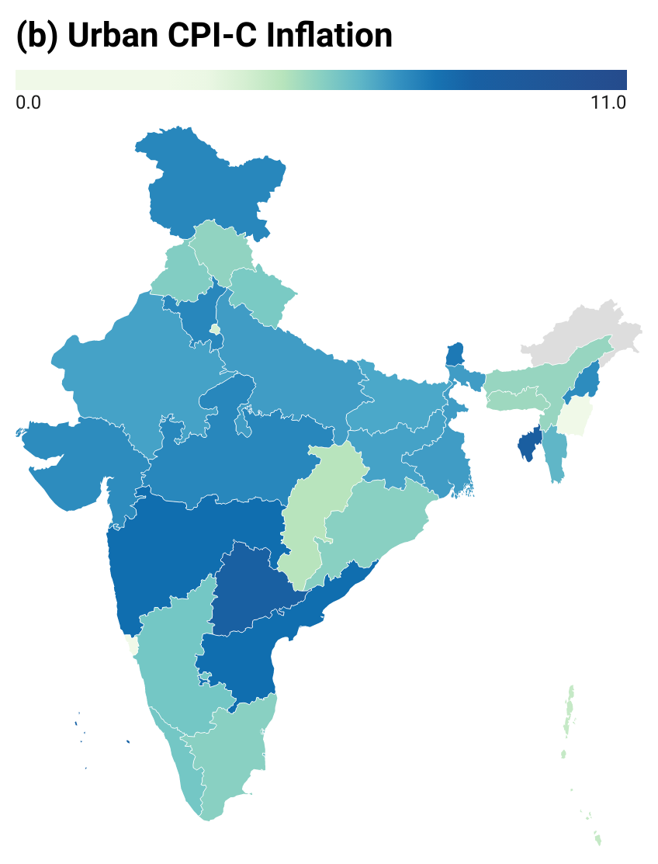
 | Rural | Urban |  | Higher Rural Inflation in Most of States/UTs in FY23*
Andaman and Nicobar Islands | 7.3 | 4.6
Andhra Pradesh | 7.5 | 7.7
Assam | 7.4 | 5.3
Bihar | 5.5 | 6.5
Chandigarh | 5.8 | 6.2
Chhattisgarh | 6.3 | 4.8
Dadra and Nagar Haveli | 5.9 | 6.9
Delhi | 5.4 | 4.1
Goa | 2.8 | 3.3
Gujarat | 7.6 | 7.0
Haryana | 8.2 | 7.1
Himachal Pradesh | 4.7 | 5.4
Jammu and Kashmir | 6.7 | 7.1
Jharkhand | 6.6 | 6.6
Karnataka | 5.1 | 5.8
Kerala | 5.6 | 5.8
Lakshadweep | 7.1 | 8.0
Madhya Pradesh | 8.1 | 7.1
Maharashtra | 7.6 | 7.7
Manipur | 1.3 | -0.2
Meghalaya | 4.0 | 5.2
Mizoram | 11.0 | 6.2
Nagaland | 6.0 | 7.0
Odisha | 7.0 | 5.5
Puducherry | 7.1 | 6.0
Punjab | 6.1 | 5.6
Rajasthan | 7.3 | 6.6
Sikkim | 7.5 | 7.4
Tamil Nadu | 5.9 | 5.5
Telangana | 9.2 | 8.3
Tripura | 6.2 | 8.5
Uttar Pradesh | 7.4 | 6.7
Uttarakhand | 6.9 | 5.7
West Bengal | 8.8 | 6.7
Daman and Diu | 6.4 | 4.9 | Source: MoSPI
 |  |  | Note: (i) *April-December
 |  |  | (ii) Data for Urban Arunachal Pradesh is not available

V.16
 |  |  |  |  |  |  |  |  |  |  |  | Slackening Global Commodity Prices
 | Aluminum ($/mt) | Iron ore, cfr spot ($/dmtu) | Copper ($/mt) | Lead ($/mt) | Tin ($/mt) | Palm oil ($/mt) | Soybean oil ($/mt) | Sunflower oil ($/mt) | Cotton, A Index ($/kg) | Rubber, TSR20 ($/kg)
Dec-21 | 2695.50 | 117.00 | 9551.20 | 2301.70 | 39422.50 | 1270.29 | 1411.21 | 1361.83 | 2.65 | 1.72
Jan-22 | 3006.00 | 132.50 | 9782.30 | 2331.90 | 41791.70 | 1344.79 | 1469.56 | 1411.73 | 2.91 | 1.78
Feb-22 | 3245.80 | 142.80 | 9943.20 | 2296.90 | 43983.40 | 1522.36 | 1595.74 | 1499.12 | 3.05 | 1.79
Mar-22 | 3498.40 | 152.10 | 10230.90 | 2344.80 | 43949.70 | 1776.96 | 1956.88 | 2361.13 | 3.11 | 1.75
Apr-22 | 3244.40 | 151.30 | 10161.40 | 2380.40 | 42991.10 | 1682.74 | 1947.51 | 2275.76 | 3.42 | 1.70
May-22 | 2830.30 | 131.20 | 9377.20 | 2142.50 | 35769.40 | 1716.92 | 1962.88 | 2079.30 | 3.61 | 1.62
Jun-22 | 2563.40 | 130.70 | 9024.50 | 2066.40 | 31559.30 | 1501.10 | 1751.76 | 1884.59 | 3.40 | 1.64
Jul-22 | 2408.40 | 108.60 | 7544.80 | 1985.20 | 25395.80 | 1056.64 | 1533.40 | 1556.87 | 2.89 | 1.56
Aug-22 | 2430.80 | 108.90 | 7981.80 | 2072.70 | 24647.50 | 1025.95 | 1598.78 | 1496.22 | 2.74 | 1.46
Sep-22 | 2224.80 | 99.80 | 7746.00 | 1870.10 | 21124.00 | 909.32 | 1548.32 | 1304.75 | 2.59 | 1.32
Oct-22 | 2255.50 | 92.60 | 7651.10 | 1999.90 | 19391.20 | 888.99 | 1575.90 | 1359.15 | 2.20 | 1.29
Nov-22 | 2350.70 | 93.30 | 8049.90 | 2099.99 | 21249.50 | 945.74 | 1651.60 | 1347.28 | 2.23 | 1.27
Dec-22 | 2401.69 | 111.84 | 8375.40 | 2216.48 | 24172.37 | 940.39 | 1409.24 | 1233.80 | 2.22 | 1.35

 |  |  |  |  |  |  |  |  |  |  | Source: Pink Sheet, World Bank
 |  |  |  |  |  |  |  |  |  |  | Note: *dmtu:dry metric tonne unit

V.20
 |  | Apr-21 | May-21 | Jun-21 | Jul-21 | Aug-21 | Sep-21 | Oct-21 | Nov-21 | Dec-21 | Jan-22 | Feb-22 | Mar-22 | Apr-22 | May-22 | Jun-22 | Jul-22 | Aug-22 | Sep-22 | Oct-22 | Nov-22 | Dec-22
Food Inflation | WPI | 7.5 | 8.2 | 6.7 | 4.5 | 3.8 | 2.6 | 4.3 | 6.8 | 9.4 | 9.6 | 8.7 | 9.3 | 9.1 | 10.6 | 11.8 | 9.3 | 10.1 | 8.0 | 6.6 | 2.2 | 0.7
CPI-C Food Inflation | CPI-C | 2.0 | 5.0 | 5.1 | 4.0 | 3.1 | 0.7 | 0.8 | 1.9 | 4.0 | 5.4 | 5.9 | 7.7 | 8.3 | 8.0 | 7.7 | 6.7 | 7.6 | 8.6 | 7.0 | 4.7 | 4.2
Apr-21 | 1 | 1
May-21
Jun-21
Jul-21
Aug-21
Sep-21
Oct-21
Nov-21
Dec-21
Jan-22
Feb-22
Mar-22
Apr-22
May-22
Jun-22
Jul-22
Aug-22
Sep-22
Oct-22
Nov-22
Dec-22
 |  | Convergence in Food Inflation – CPI-C vs WPI

 |  | Source: MoSPI and Office of Economic Adviser, DPIIT

