Figure IV.1
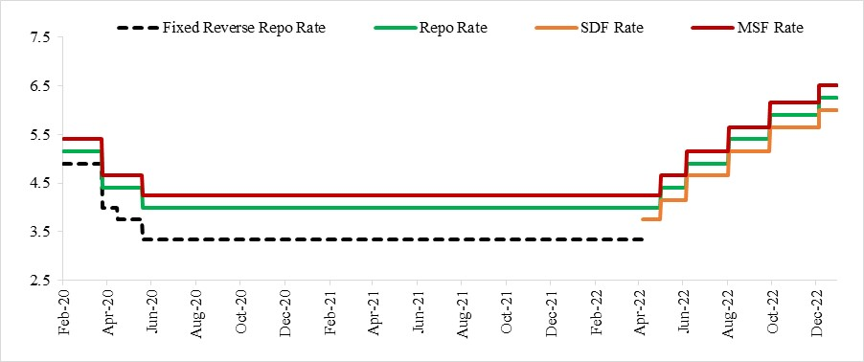
Figure IV.1: Policy Rates (in per cent)
Date | Fixed Reverse Repo Rate | Repo Rate | SDF Rate | MSF Rate
3-Feb-20 | 4.9 | 5.15 |  | 5.4
4-Feb-20 | 4.9 | 5.15 |  | 5.4
5-Feb-20 | 4.9 | 5.15 |  | 5.4
6-Feb-20 | 4.9 | 5.15 |  | 5.4
7-Feb-20 | 4.9 | 5.15 |  | 5.4
10-Feb-20 | 4.9 | 5.15 |  | 5.4
11-Feb-20 | 4.9 | 5.15 |  | 5.4
12-Feb-20 | 4.9 | 5.15 |  | 5.4
13-Feb-20 | 4.9 | 5.15 |  | 5.4
14-Feb-20 | 4.9 | 5.15 |  | 5.4
17-Feb-20 | 4.9 | 5.15 |  | 5.4
18-Feb-20 | 4.9 | 5.15 |  | 5.4
20-Feb-20 | 4.9 | 5.15 |  | 5.4
24-Feb-20 | 4.9 | 5.15 |  | 5.4
25-Feb-20 | 4.9 | 5.15 |  | 5.4
26-Feb-20 | 4.9 | 5.15 |  | 5.4
27-Feb-20 | 4.9 | 5.15 |  | 5.4
28-Feb-20 | 4.9 | 5.15 |  | 5.4
2-Mar-20 | 4.9 | 5.15 |  | 5.4
3-Mar-20 | 4.9 | 5.15 |  | 5.4
4-Mar-20 | 4.9 | 5.15 |  | 5.4
5-Mar-20 | 4.9 | 5.15 |  | 5.4
6-Mar-20 | 4.9 | 5.15 |  | 5.4
9-Mar-20 | 4.9 | 5.15 |  | 5.4
11-Mar-20 | 4.9 | 5.15 |  | 5.4
12-Mar-20 | 4.9 | 5.15 |  | 5.4
13-Mar-20 | 4.9 | 5.15 |  | 5.4
16-Mar-20 | 4.9 | 5.15 |  | 5.4
17-Mar-20 | 4.9 | 5.15 |  | 5.4
18-Mar-20 | 4.9 | 5.15 |  | 5.4
19-Mar-20 | 4.9 | 5.15 |  | 5.4
20-Mar-20 | 4.9 | 5.15 |  | 5.4
23-Mar-20 | 4.9 | 5.15 |  | 5.4
24-Mar-20 | 4.9 | 5.15 |  | 5.4
26-Mar-20 | 4.9 | 5.15 |  | 5.4
27-Mar-20 | 4 | 4.4 |  | 4.65
30-Mar-20 | 4 | 4.4 |  | 4.65
31-Mar-20 | 4 | 4.4 |  | 4.65
3-Apr-20 | 4 | 4.4 |  | 4.65
4-Apr-20 | 4 | 4.4 |  | 4.65
7-Apr-20 | 4 | 4.4 |  | 4.65
8-Apr-20 | 4 | 4.4 |  | 4.65
9-Apr-20 | 4 | 4.4 |  | 4.65
13-Apr-20 | 4 | 4.4 |  | 4.65
15-Apr-20 | 4 | 4.4 |  | 4.65
16-Apr-20 | 4 | 4.4 |  | 4.65
17-Apr-20 | 3.75 | 4.4 |  | 4.65
20-Apr-20 | 3.75 | 4.4 |  | 4.65
21-Apr-20 | 3.75 | 4.4 |  | 4.65
22-Apr-20 | 3.75 | 4.4 |  | 4.65
23-Apr-20 | 3.75 | 4.4 |  | 4.65
24-Apr-20 | 3.75 | 4.4 |  | 4.65
27-Apr-20 | 3.75 | 4.4 |  | 4.65
28-Apr-20 | 3.75 | 4.4 |  | 4.65
29-Apr-20 | 3.75 | 4.4 |  | 4.65
30-Apr-20 | 3.75 | 4.4 |  | 4.65
4-May-20 | 3.75 | 4.4 |  | 4.65
5-May-20 | 3.75 | 4.4 |  | 4.65
6-May-20 | 3.75 | 4.4 |  | 4.65
8-May-20 | 3.75 | 4.4 |  | 4.65
11-May-20 | 3.75 | 4.4 |  | 4.65
12-May-20 | 3.75 | 4.4 |  | 4.65
13-May-20 | 3.75 | 4.4 |  | 4.65
14-May-20 | 3.75 | 4.4 |  | 4.65
15-May-20 | 3.75 | 4.4 |  | 4.65
18-May-20 | 3.75 | 4.4 |  | 4.65
19-May-20 | 3.75 | 4.4 |  | 4.65
20-May-20 | 3.75 | 4.4 |  | 4.65
21-May-20 | 3.75 | 4.4 |  | 4.65
22-May-20 | 3.35 | 4 |  | 4.25
26-May-20 | 3.35 | 4 |  | 4.25
27-May-20 | 3.35 | 4 |  | 4.25
28-May-20 | 3.35 | 4 |  | 4.25
29-May-20 | 3.35 | 4 |  | 4.25
1-Jun-20 | 3.35 | 4 |  | 4.25
2-Jun-20 | 3.35 | 4 |  | 4.25
3-Jun-20 | 3.35 | 4 |  | 4.25
4-Jun-20 | 3.35 | 4 |  | 4.25
5-Jun-20 | 3.35 | 4 |  | 4.25
8-Jun-20 | 3.35 | 4 |  | 4.25
9-Jun-20 | 3.35 | 4 |  | 4.25
10-Jun-20 | 3.35 | 4 |  | 4.25
11-Jun-20 | 3.35 | 4 |  | 4.25
12-Jun-20 | 3.35 | 4 |  | 4.25
15-Jun-20 | 3.35 | 4 |  | 4.25
16-Jun-20 | 3.35 | 4 |  | 4.25
17-Jun-20 | 3.35 | 4 |  | 4.25
18-Jun-20 | 3.35 | 4 |  | 4.25
19-Jun-20 | 3.35 | 4 |  | 4.25
22-Jun-20 | 3.35 | 4 |  | 4.25
23-Jun-20 | 3.35 | 4 |  | 4.25
24-Jun-20 | 3.35 | 4 |  | 4.25
25-Jun-20 | 3.35 | 4 |  | 4.25
26-Jun-20 | 3.35 | 4 |  | 4.25
29-Jun-20 | 3.35 | 4 |  | 4.25
30-Jun-20 | 3.35 | 4 |  | 4.25
1-Jul-20 | 3.35 | 4 |  | 4.25
2-Jul-20 | 3.35 | 4 |  | 4.25
3-Jul-20 | 3.35 | 4 |  | 4.25
6-Jul-20 | 3.35 | 4 |  | 4.25
7-Jul-20 | 3.35 | 4 |  | 4.25
8-Jul-20 | 3.35 | 4 |  | 4.25
9-Jul-20 | 3.35 | 4 |  | 4.25
10-Jul-20 | 3.35 | 4 |  | 4.25
13-Jul-20 | 3.35 | 4 |  | 4.25
14-Jul-20 | 3.35 | 4 |  | 4.25
15-Jul-20 | 3.35 | 4 |  | 4.25
16-Jul-20 | 3.35 | 4 |  | 4.25
17-Jul-20 | 3.35 | 4 |  | 4.25
20-Jul-20 | 3.35 | 4 |  | 4.25
21-Jul-20 | 3.35 | 4 |  | 4.25
22-Jul-20 | 3.35 | 4 |  | 4.25
23-Jul-20 | 3.35 | 4 |  | 4.25
24-Jul-20 | 3.35 | 4 |  | 4.25
27-Jul-20 | 3.35 | 4 |  | 4.25
28-Jul-20 | 3.35 | 4 |  | 4.25
29-Jul-20 | 3.35 | 4 |  | 4.25
30-Jul-20 | 3.35 | 4 |  | 4.25
31-Jul-20 | 3.35 | 4 |  | 4.25
3-Aug-20 | 3.35 | 4 |  | 4.25
4-Aug-20 | 3.35 | 4 |  | 4.25
5-Aug-20 | 3.35 | 4 |  | 4.25
6-Aug-20 | 3.35 | 4 |  | 4.25
7-Aug-20 | 3.35 | 4 |  | 4.25
10-Aug-20 | 3.35 | 4 |  | 4.25
11-Aug-20 | 3.35 | 4 |  | 4.25
12-Aug-20 | 3.35 | 4 |  | 4.25
13-Aug-20 | 3.35 | 4 |  | 4.25
14-Aug-20 | 3.35 | 4 |  | 4.25
17-Aug-20 | 3.35 | 4 |  | 4.25
18-Aug-20 | 3.35 | 4 |  | 4.25
19-Aug-20 | 3.35 | 4 |  | 4.25
20-Aug-20 | 3.35 | 4 |  | 4.25
21-Aug-20 | 3.35 | 4 |  | 4.25
24-Aug-20 | 3.35 | 4 |  | 4.25
25-Aug-20 | 3.35 | 4 |  | 4.25
26-Aug-20 | 3.35 | 4 |  | 4.25
27-Aug-20 | 3.35 | 4 |  | 4.25
28-Aug-20 | 3.35 | 4 |  | 4.25
31-Aug-20 | 3.35 | 4 |  | 4.25
1-Sep-20 | 3.35 | 4 |  | 4.25
2-Sep-20 | 3.35 | 4 |  | 4.25
3-Sep-20 | 3.35 | 4 |  | 4.25
4-Sep-20 | 3.35 | 4 |  | 4.25
7-Sep-20 | 3.35 | 4 |  | 4.25
8-Sep-20 | 3.35 | 4 |  | 4.25
9-Sep-20 | 3.35 | 4 |  | 4.25
10-Sep-20 | 3.35 | 4 |  | 4.25
11-Sep-20 | 3.35 | 4 |  | 4.25
14-Sep-20 | 3.35 | 4 |  | 4.25
15-Sep-20 | 3.35 | 4 |  | 4.25
16-Sep-20 | 3.35 | 4 |  | 4.25
17-Sep-20 | 3.35 | 4 |  | 4.25
18-Sep-20 | 3.35 | 4 |  | 4.25
21-Sep-20 | 3.35 | 4 |  | 4.25
22-Sep-20 | 3.35 | 4 |  | 4.25
23-Sep-20 | 3.35 | 4 |  | 4.25
24-Sep-20 | 3.35 | 4 |  | 4.25
25-Sep-20 | 3.35 | 4 |  | 4.25
28-Sep-20 | 3.35 | 4 |  | 4.25
29-Sep-20 | 3.35 | 4 |  | 4.25
30-Sep-20 | 3.35 | 4 |  | 4.25
1-Oct-20 | 3.35 | 4 |  | 4.25
5-Oct-20 | 3.35 | 4 |  | 4.25
6-Oct-20 | 3.35 | 4 |  | 4.25
7-Oct-20 | 3.35 | 4 |  | 4.25
8-Oct-20 | 3.35 | 4 |  | 4.25
9-Oct-20 | 3.35 | 4 |  | 4.25
12-Oct-20 | 3.35 | 4 |  | 4.25
13-Oct-20 | 3.35 | 4 |  | 4.25
14-Oct-20 | 3.35 | 4 |  | 4.25
15-Oct-20 | 3.35 | 4 |  | 4.25
16-Oct-20 | 3.35 | 4 |  | 4.25
19-Oct-20 | 3.35 | 4 |  | 4.25
20-Oct-20 | 3.35 | 4 |  | 4.25
21-Oct-20 | 3.35 | 4 |  | 4.25
22-Oct-20 | 3.35 | 4 |  | 4.25
23-Oct-20 | 3.35 | 4 |  | 4.25
26-Oct-20 | 3.35 | 4 |  | 4.25
27-Oct-20 | 3.35 | 4 |  | 4.25
28-Oct-20 | 3.35 | 4 |  | 4.25
29-Oct-20 | 3.35 | 4 |  | 4.25
2-Nov-20 | 3.35 | 4 |  | 4.25
3-Nov-20 | 3.35 | 4 |  | 4.25
4-Nov-20 | 3.35 | 4 |  | 4.25
5-Nov-20 | 3.35 | 4 |  | 4.25
6-Nov-20 | 3.35 | 4 |  | 4.25
9-Nov-20 | 3.35 | 4 |  | 4.25
10-Nov-20 | 3.35 | 4 |  | 4.25
11-Nov-20 | 3.35 | 4 |  | 4.25
12-Nov-20 | 3.35 | 4 |  | 4.25
13-Nov-20 | 3.35 | 4 |  | 4.25
17-Nov-20 | 3.35 | 4 |  | 4.25
18-Nov-20 | 3.35 | 4 |  | 4.25
19-Nov-20 | 3.35 | 4 |  | 4.25
20-Nov-20 | 3.35 | 4 |  | 4.25
23-Nov-20 | 3.35 | 4 |  | 4.25
24-Nov-20 | 3.35 | 4 |  | 4.25
25-Nov-20 | 3.35 | 4 |  | 4.25
26-Nov-20 | 3.35 | 4 |  | 4.25
27-Nov-20 | 3.35 | 4 |  | 4.25
1-Dec-20 | 3.35 | 4 |  | 4.25
2-Dec-20 | 3.35 | 4 |  | 4.25
3-Dec-20 | 3.35 | 4 |  | 4.25
4-Dec-20 | 3.35 | 4 |  | 4.25
7-Dec-20 | 3.35 | 4 |  | 4.25
8-Dec-20 | 3.35 | 4 |  | 4.25
9-Dec-20 | 3.35 | 4 |  | 4.25
10-Dec-20 | 3.35 | 4 |  | 4.25
11-Dec-20 | 3.35 | 4 |  | 4.25
14-Dec-20 | 3.35 | 4 |  | 4.25
15-Dec-20 | 3.35 | 4 |  | 4.25
16-Dec-20 | 3.35 | 4 |  | 4.25
17-Dec-20 | 3.35 | 4 |  | 4.25
18-Dec-20 | 3.35 | 4 |  | 4.25
21-Dec-20 | 3.35 | 4 |  | 4.25
22-Dec-20 | 3.35 | 4 |  | 4.25
23-Dec-20 | 3.35 | 4 |  | 4.25
24-Dec-20 | 3.35 | 4 |  | 4.25
28-Dec-20 | 3.35 | 4 |  | 4.25
29-Dec-20 | 3.35 | 4 |  | 4.25
30-Dec-20 | 3.35 | 4 |  | 4.25
31-Dec-20 | 3.35 | 4 |  | 4.25
1-Jan-21 | 3.35 | 4 |  | 4.25
...

Figure IV.2a
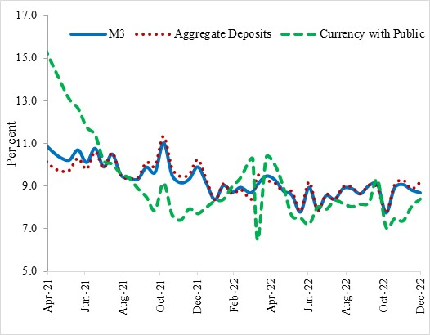
Figure IV.2a: Declining YoY Growth of Broad Money (in per cent)
 | M3 | Aggregate Deposits | Currency with Public
9-Apr-21 | 11.7 | 10.9 | 16.6
23-Apr-21 | 11.1 | 10.3 | 15.6
7-May-21 | 10.6 | 9.9 | 14.7
21-May-21 | 10.3 | 9.7 | 13.9
4-Jun-21 | 10.2 | 9.8 | 13.1
18-Jun-21 | 10.7 | 10.3 | 12.7
2-Jul-21 | 10.1 | 9.8 | 11.8
16-Jul-21 | 10.8 | 10.6 | 11.4
30-Jul-21 | 9.9 | 9.8 | 10.2
13-Aug-21 | 10.5 | 10.6 | 10.0
27-Aug-21 | 9.5 | 9.5 | 9.6
10-Sep-21 | 9.4 | 9.4 | 9.4
24-Sep-21 | 9.3 | 9.4 | 8.9
8-Oct-21 | 9.9 | 10.1 | 8.5
22-Oct-21 | 9.7 | 10.0 | 7.9
5-Nov-21 | 11.0 | 11.3 | 9.2
19-Nov-21 | 9.5 | 9.8 | 7.7
3-Dec-21 | 9.2 | 9.5 | 7.4
17-Dec-21 | 9.3 | 9.6 | 7.9
31-Dec-21 | 9.9 | 10.3 | 7.7
14-Jan-22 | 9.1 | 9.3 | 8.0
28-Jan-22 | 8.4 | 8.3 | 8.3
11-Feb-22 | 9.0 | 9.1 | 8.4
25-Feb-22 | 8.7 | 8.6 | 9.0
...

Figure IV.2b
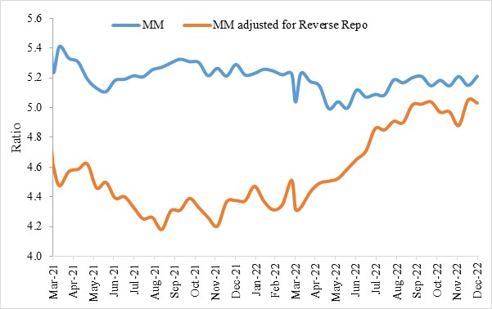
Figure IV.2b: Converging Money Multiplier measures
 | MM | MM adjusted for Reverse Repo
31-Mar-19 | 5.6 | 5.3
12-Apr-19 | 5.6 | 5.5
26-Apr-19 | 5.6 | 5.5
10-May-19 | 5.6 | 5.5
24-May-19 | 5.6 | 5.5
7-Jun-19 | 5.5 | 5.3
21-Jun-19 | 5.6 | 5.4
5-Jul-19 | 5.6 | 5.2
19-Jul-19 | 5.6 | 5.2
2-Aug-19 | 5.7 | 5.2
16-Aug-19 | 5.6 | 5.3
30-Aug-19 | 5.6 | 5.3
13-Sep-19 | 5.6 | 5.3
27-Sep-19 | 5.7 | 5.3
11-Oct-19 | 5.6 | 5.2
25-Oct-19 | 5.5 | 5.2
8-Nov-19 | 5.6 | 5.1
22-Nov-19 | 5.6 | 5.2
6-Dec-19 | 5.6 | 5.0
20-Dec-19 | 5.5 | 5.1
3-Jan-20 | 5.6 | 4.9
17-Jan-20 | 5.5 | 5.0
31-Jan-20 | 5.6 | 5.0
...

Figure IV.3a
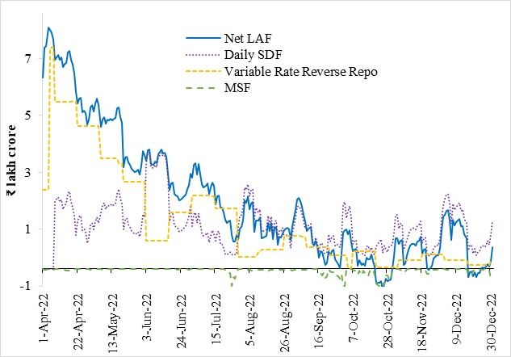
...
Net LAF | Daily SDF | Fixed rate Reverse Repo | Variable Rate Reverse Repo | MSF
671793 | 0 | 480713 | 278448 | -620
778062 | 0 | 588240 | 278448 | -1878
783339 | 0 | 593628 | 278448 | -1989
849004 | 0 | 657311 | 278448 | -7
840412 | 0 | 149133 | 778028 | -1
829776 | 0 | 138548 | 778028 | -52
807921 | 0 | 119389 | 778028 | -2748
735052 | 234996 | 0 | 586837 | -33
745477 | 245963 | 0 | 586837 | -575
753438 | 254004 | 0 | 586837 | -655
735447 | 235650 | 0 | 586837 | -292
743178 | 243159 | 0 | 586837 | -70
710275 | 210299 | 0 | 586837 | -113
721620 | 223089 | 0 | 586837 | -1558
724448 | 228749 | 0 | 586837 | -4390
761651 | 266658 | 0 | 586837 | -5096
767902 | 272911 | 0 | 586837 | -5098
734229 | 234424 | 0 | 586837 | -284
719391 | 216659 | 0 | 589657 | -177
688537 | 186363 | 0 | 589657 | -735
620893 | 118136 | 0 | 589657 | -152
581785 | 166762 | 0 | 501911 | -140
598303 | 183318 | 0 | 501911 | -178
602182 | 187225 | 0 | 501911 | -206
...

Figure IV.3b
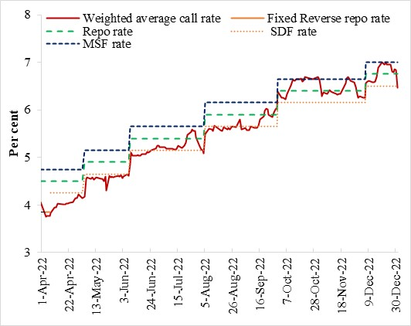
...
Weighted average call rate | Fixed Reverse repo rate | Repo rate | SDF rate | MSF rate
3.56 | 3.35 | 4 |  | 4.25
3.24 | 3.35 | 4 |  | 4.25
3.26 | 3.35 | 4 |  | 4.25
3.26 | 3.35 | 4 |  | 4.25
3.27 | 3.35 | 4 |  | 4.25
3.33 |  | 4 | 3.75 | 4.25
3.44 |  | 4 | 3.75 | 4.25
3.44 |  | 4 | 3.75 | 4.25
3.52 |  | 4 | 3.75 | 4.25
3.51 |  | 4 | 3.75 | 4.25
3.51 |  | 4 | 3.75 | 4.25
3.52 |  | 4 | 3.75 | 4.25
3.53 |  | 4 | 3.75 | 4.25
3.54 |  | 4 | 3.75 | 4.25
3.56 |  | 4 | 3.75 | 4.25
3.59 |  | 4 | 3.75 | 4.25
3.64 |  | 4 | 3.75 | 4.25
3.63 |  | 4 | 3.75 | 4.25
3.72 |  | 4 | 3.75 | 4.25
3.64 |  | 4 | 3.75 | 4.25
3.67 |  | 4.4 | 4.15 | 4.65
4.05 |  | 4.4 | 4.15 | 4.65
4.07 |  | 4.4 | 4.15 | 4.65
...

Figure IV.4
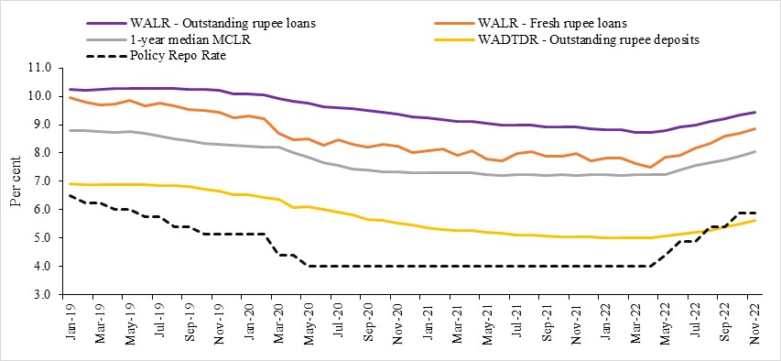
...
WALR - Outstanding rupee loans | WALR - Fresh rupee loans | 1-year median MCLR | WADTDR - Outstanding rupee deposits | Policy Repo Rate
10.24 | 9.95 | 8.80 | 6.91 | 6.50
10.22 | 9.80 | 8.80 | 6.90 | 6.25
10.23 | 9.69 | 8.75 | 6.89 | 6.25
10.26 | 9.74 | 8.73 | 6.89 | 6.00
10.26 | 9.84 | 8.75 | 6.89 | 6.00
10.26 | 9.66 | 8.70 | 6.88 | 5.75
10.26 | 9.75 | 8.60 | 6.84 | 5.75
10.27 | 9.66 | 8.50 | 6.86 | 5.4
10.24 | 9.52 | 8.45 | 6.83 | 5.4
10.24 | 9.49 | 8.35 | 6.74 | 5.15
10.21 | 9.44 | 8.31 | 6.67 | 5.15
10.08 | 9.23 | 8.28 | 6.54 | 5.15
10.08 | 9.32 | 8.25 | 6.52 | 5.15
10.05 | 9.22 | 8.21 | 6.45 | 5.15
9.92 | 8.71 | 8.20 | 6.38 | 4.4
9.82 | 8.46 | 8.00 | 6.07 | 4.4
9.76 | 8.50 | 7.85 | 6.12 | 4
9.63 | 8.28 | 7.65 | 6.00 | 4
9.60 | 8.48 | 7.55 | 5.92 | 4
9.55 | 8.31 | 7.45 | 5.81 | 4
9.50 | 8.22 | 7.40 | 5.65 | 4
9.43 | 8.32 | 7.35 | 5.63 | 4
9.37 | 8.24 | 7.32 | 5.54 | 4
9.27 | 8.02 | 7.30 | 5.46 | 4
...

Figure IV.5
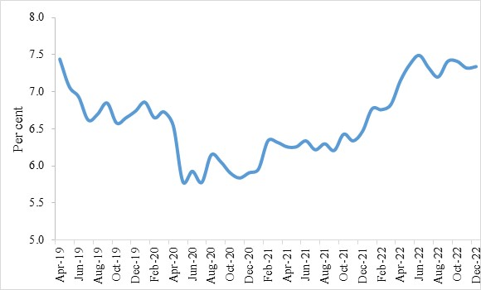
Figure IV.5: G-sec yields easing since July, with decline in oil prices and global bonds yields
 | 10 year G-Sec Yields
Apr-19 | 7.4
May-19 | 7.1
Jun-19 | 6.9
Jul-19 | 6.6
Aug-19 | 6.7
Sep-19 | 6.9
Oct-19 | 6.6
Nov-19 | 6.7
Dec-19 | 6.7
Jan-20 | 6.9
Feb-20 | 6.7
Mar-20 | 6.7
Apr-20 | 6.5
May-20 | 5.8
Jun-20 | 5.9
Jul-20 | 5.8
Aug-20 | 6.2
Sep-20 | 6.1
Oct-20 | 5.9
...

Figure IV.6a
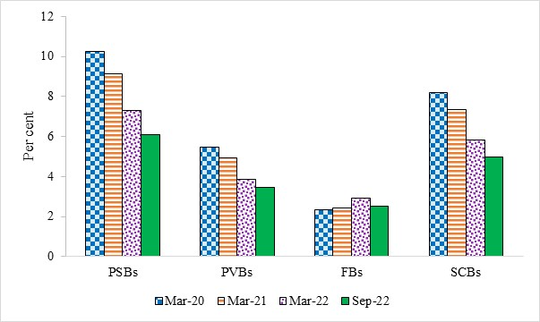
Figure IV.6a: Declining SCB’s GNPA Ratio
 | PSBs | PVBs | FBs | SCBs
Mar-20 | 10.3 | 5.5 | 2.3 | 8.2
Mar-21 | 9.1 | 4.9 | 2.4 | 7.3
Mar-22 | 7.3 | 3.8 | 2.9 | 5.8
Sep-22 | 6.1 | 3.4 | 2.5 | 5.0
Source: RBI

Figure IV.6b
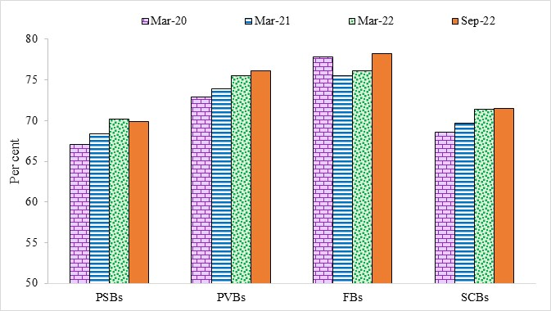
Figure IV.6b: Provisioning Coverage Ratio
 | PSBs | PVBs | FBs | SCBs
Mar-20 | 67.1 | 72.9 | 77.9 | 68.6
Mar-21 | 68.3 | 73.9 | 75.5 | 69.7
Mar-22 | 70.2 | 75.5 | 76.1 | 71.4
Sep-22 | 69.9 | 76.1 | 78.2 | 71.5
Source: RBI

Figure IV.7
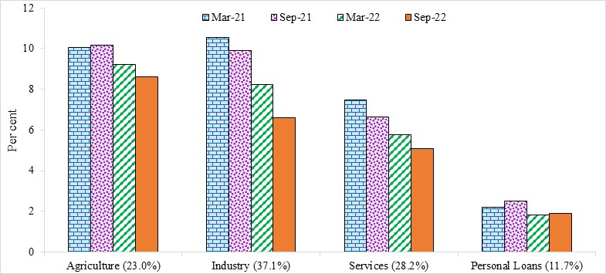
Figure IV.7: Broad-based improvement in the GNPA ratio
 | Mar-21 | Sep-21 | Mar-22 | Sep-22
Agriculture (23.0%) | 10.1 | 10.2 | 9.2 | 8.6
Industry (37.1%) | 10.6 | 9.9 | 8.2 | 6.6
Services (28.2%) | 7.5 | 6.6 | 5.8 | 5.1
Personal Loans (11.7%) | 2.2 | 2.5 | 1.8 | 1.9
Source: RBI

Figure IV.8
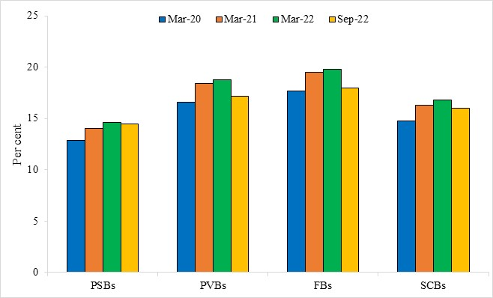
Figure IV.8: Capital Adequacy Ratio well above the requirement norms
 | PSBs | PVBs | FBs | SCBs
Mar-20 | 12.9 | 16.6 | 17.7 | 14.8
Mar-21 | 14.0 | 18.4 | 19.5 | 16.3
Mar-22 | 14.6 | 18.8 | 19.8 | 16.8
Sep-22 | 14.5 | 17.2 | 18.0 | 16.0
Source: RBI

Figure IV.9a
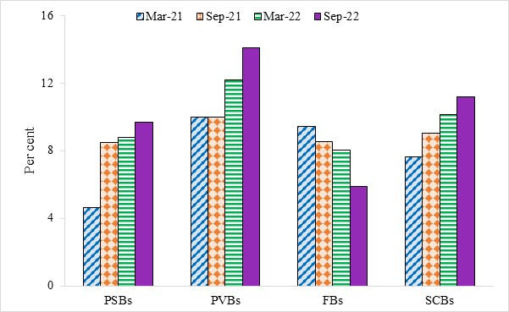
Figure IV.9a: ROE- Annualised
 | PSBs | PVBs | FBs | SCBs
Mar-21 | 4.6 | 10.0 | 9.4 | 7.6
Sep-21 | 8.5 | 10.0 | 8.5 | 9.0
Mar-22 | 8.8 | 12.2 | 8.1 | 10.1
Sep-22 | 9.7 | 14.1 | 5.9 | 11.2
Source: RBI

Figure IV.9b
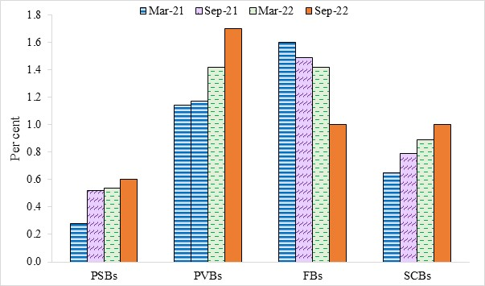
Figure IV.9b: ROA-Annualised
 | PSBs | PVBs | FBs | SCBs
Mar-21 | 0.3 | 1.1 | 1.6 | 0.7
Sep-21 | 0.5 | 1.2 | 1.5 | 0.8
Mar-22 | 0.5 | 1.4 | 1.4 | 0.9
Sep-22 | 0.6 | 1.7 | 1.0 | 1.0
Source: RBI

Figure IV.10
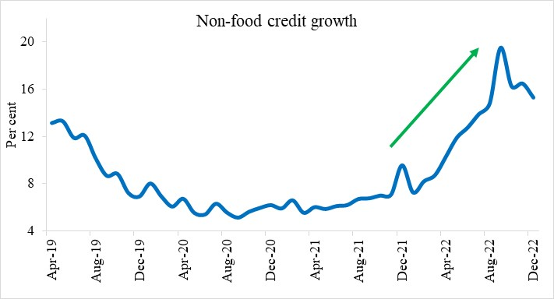
Figure IV.10: Non-Food Bank credit growth in double digit since April 2022
 | Non-food credit Growth
Apr-19 | 13.1
May-19 | 13.3
Jun-19 | 11.9
Jul-19 | 12.1
Aug-19 | 10.2
Sep-19 | 8.7
Oct-19 | 8.8
Nov-19 | 7.2
Dec-19 | 6.9
Jan-20 | 8.0
Feb-20 | 6.9
Mar-20 | 6.1
Apr-20 | 6.7
May-20 | 5.5
Jun-20 | 5.4
Jul-20 | 6.3
Aug-20 | 5.5
Sep-20 | 5.1
Oct-20 | 5.6
Nov-20 | 5.9
Dec-20 | 6.2
...

Figure IV.11
...
 | 2012-13 | 2013-14 | 2014-15 | 2015-16 | 2016-17 | 2017-18 | 2018-19 | 2019-20 | 2020-21 | 2021-22 | H1:2022-23 (E)
Aggregate Credit by NBFCs | 9.3 | 10.9 | 12.2 | 13.2 | 14.8 | 19.6 | 22.8 | 24.6 | 26.98 | 28.5 | 31.5

 |  |  |  |  |  |  |  |  | 11,716,584.40 | 4.64
 |  |  |  |  |  |  |  |  | 236,646,369.90 | 252738323.05

 | Aggregate Credit by NBFCs | Credit to NBFCs (% of GDP, RHS)
2012-13 | 9.3 | 2.62
2013-14 | 10.9 | 2.62
2014-15 | 12.2 | 2.5
2015-16 | 13.2 | 2.56
2016-17 | 14.8 | 2.54
2017-18 | 19.6 | 2.9
2018-19 | 22.8 | 3.71
2019-20 | 24.6 | 4.77
2020-21 | 26.98 | 4.79
2021-22 | 28.5 | 4.32
H1:2022-23 (E) | 31.5 | 4.6358558759

Figure IV.12
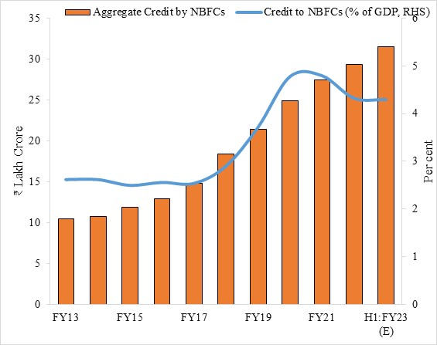
Figure IV.12: Increasing credit disbursed to and by NBFCs
 | Credit to NBFCs (% of GDP, RHS) | Aggregate Credit by NBFCs
FY13 | 2.6 | 10.4
FY14 | 2.6 | 10.8
FY15 | 2.5 | 11.9
FY16 | 2.6 | 13.0
FY17 | 2.5 | 14.8
FY18 | 2.9 | 18.4
FY19 | 3.7 | 21.4
FY20 | 4.8 | 24.9
FY21 | 4.8 | 27.5
FY22 | 4.3 | 29.4
H1:FY23 (E) | 4.3 | 31.5
Source: RBI Note: Credit to NBFCs (per cent of GDP) for FY23 (H1) is estimated based on NSO’s 1st AE for FY23 and credit by NBFCs as of September 2022.

Figure IV.13
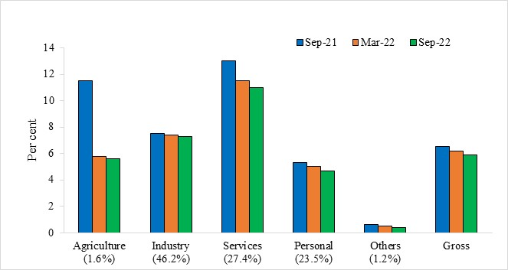
Figure IV.13: Declining GNPA ratio: Improvement in Asset quality of NBFCs across sectors
 | Sep-21 | Mar-22 | Sep-22
Agriculture (1.6%) | 11.5 | 5.8 | 5.6
Industry (46.2%) | 7.5 | 7.4 | 7.3
Services (27.4%) | 13 | 11.5 | 11
Personal (23.5%) | 5.3 | 5 | 4.7
Others (1.2%) | 0.6 | 0.5 | 0.4
Gross | 6.5 | 6.2 | 5.9
Source: RBI Note: Numbers in bracket represents sectoral shares in GNPA in Sep-22.

Figure IV.14
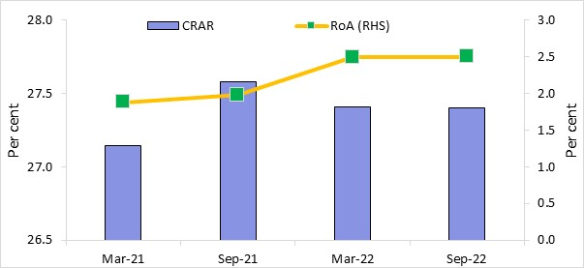
Figure IV.14: NBFCs Performance: Recouping RoA with robust capital position
 | CRAR | RoA (RHS)
Mar-21 | 27.1 | 1.9
Sep-21 | 27.6 | 2.0
Mar-22 | 27.4 | 2.5
Sep-22 | 27.4 | 2.5
Source: RBI

Figure IV.15
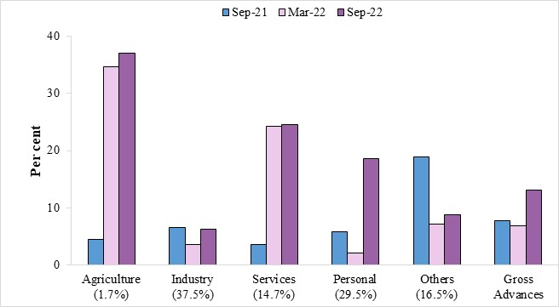
Figure IV.15: Robust growth in credit disbursement by NBFCs across sectors with a slight moderation in Industry
 | Sep-21 | Mar-22 | Sep-22
Agriculture (1.7%) | 4.5 | 34.6 | 37.0
Industry (37.5%) | 6.5 | 3.6 | 6.3
Services (14.7%) | 3.6 | 24.2 | 24.5
Personal (29.5%) | 5.8 | 2.1 | 18.6
Others (16.5%) | 18.9 | 7.1 | 8.8
Gross Advances | 7.8 | 6.9 | 13.1
Source: RBI
Note: Numbers in the bracket corresponds to sectoral shares in outstanding loans in Sep-22

Figure IV.17
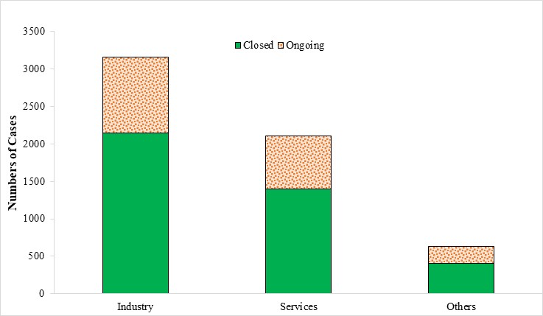
Figure IV.17: Sector-wise status of CIRPs (as on September 2022)
 | Closed | Ongoing
Industry | 2147 | 1007
Services | 1395 | 713
Others | 404 | 227
Source: IBBI

Figure IV.18
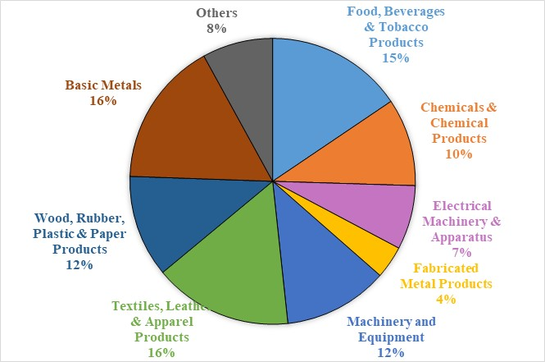
Figure IV.18: Sectoral break up of ongoing CIRPs in Manufacturing Sector
 | Ongoing
Food, Beverages & Tobacco Products | 105
Chemicals & Chemical Products | 67
Electrical Machinery & Apparatus | 49
Fabricated Metal Products | 25
Machinery and Equipment | 80
Textiles, Leather & Apparel Products | 106
Wood, Rubber, Plastic & Paper Products | 78
Basic Metals | 111
Others | 54
Source: IBBI

Figure IV.19
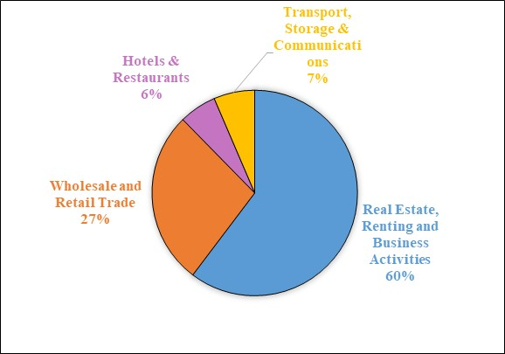
Figure 19: Sectoral break up of ongoing CIRPs in Services Sector
 | Ongoing
Real Estate, Renting and Business Activities | 430
Wholesale and Retail Trade | 195
Hotels & Restaurants | 42
Transport, Storage & Communications | 46
Source: IBBI

Figure IV.20
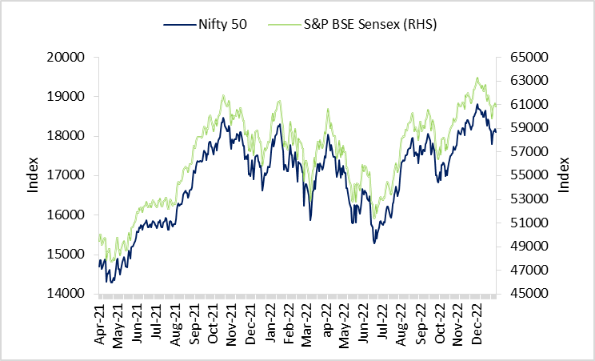
Figure IV.20: Indian Benchmark Indices witnessed swift recovery
Date | Nifty 50 | S&P BSE Sensex (RHS)
2021-03-31 | 14690.7 | 49509.15
2021-04-01 | 14867.35 | 50029.83
2021-04-02 | 14867.35 | 50029.83
2021-04-05 | 14637.8 | 49159.32
2021-04-06 | 14683.5 | 49201.39
2021-04-07 | 14819.05 | 49661.76
2021-04-08 | 14873.8 | 49746.21
2021-04-09 | 14834.85 | 49591.32
2021-04-12 | 14310.8 | 47883.38
2021-04-13 | 14504.8 | 48544.06
2021-04-14 | 14504.8 | 48544.06
2021-04-15 | 14581.45 | 48803.68
2021-04-16 | 14617.85 | 48832.03
2021-04-19 | 14359.45 | 47949.42
2021-04-20 | 14296.4 | 47705.8
2021-04-21 | 14296.4 | 47705.8
2021-04-22 | 14406.15 | 48080.67
2021-04-23 | 14341.35 | 47878.45
2021-04-26 | 14485 | 48386.51
2021-04-27 | 14653.05 | 48944.14
2021-04-28 | 14864.55 | 49733.84
2021-04-29 | 14894.9 | 49765.94
...

Figure IV.21
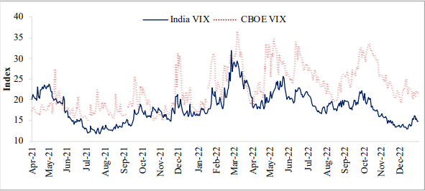
Figure IV.21: India VIX witnessed declining trend
Date | India VIX | CBOE VIX
Apr-21 | 20.0 | 17.3
 | 21.2 | 17.9
 | 20.8 | 18.1
 | 20.2 | 17.2
 | 20.3 | 17.0
 | 19.8 | 16.7
 | 23.0 | 16.9
 | 20.5 | 16.7
 | 20.9 | 16.6
 | 20.4 | 16.3
 | 22.5 | 17.3
 | 22.4 | 18.7
 | 23.0 | 18.7
 | 22.7 | 17.3
 | 23.5 | 17.6
 | 23.1 | 17.6
 | 22.6 | 17.3
 | 23.3 | 17.6
 | 23.0 | 18.6
May-21 | 23.7 | 18.3
 | 23.0 | 19.5
...

Figure IV.22
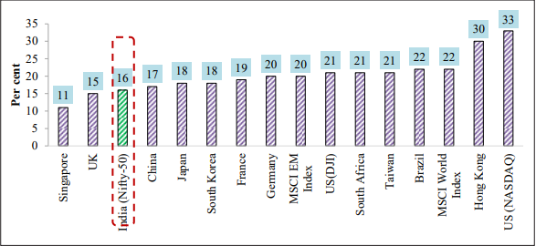
Figure IV.22: Annualised Volatility in Indian Indices during FY23 (April-November) remained relatively low
Country | Volatility (Local Currency Index)
Singapore | 11%
UK | 15%
India (Nifty 50) | 16%
China | 17%
South Korea | 18%
Japan | 18%
France | 19%
MSCI EM Index | 20%
Germany | 20%
Taiwan | 21%
US ( DJI) | 21%
South Africa | 21%
Brazil | 22%
MSCI World Index | 22%
Hong Kong | 30%
US ( NASDAQ) | 33%
Source:SEBI

Figure IV.23
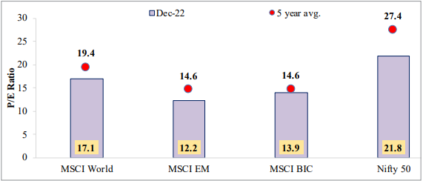
...

Figure IV.24
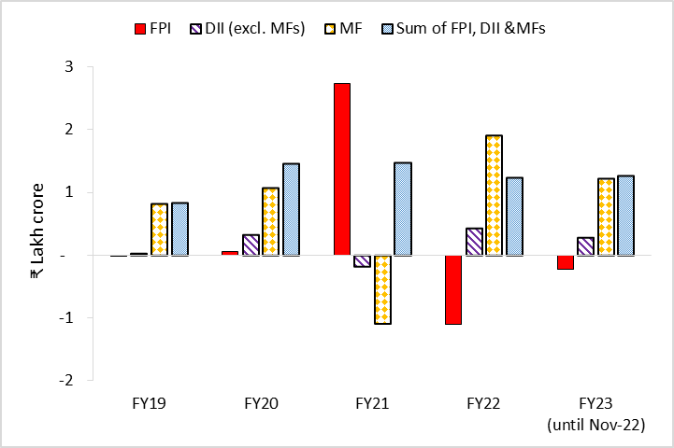
Figure IV.24: DII investments acted as a countervailing force to FPI outflows during recent years
Year | FPI | DII (excl. MFs) | MF | Sum of FPI, DII &MFs
FY19 | 0.0 | 0.0 | 0.8 | 0.8
FY20 | 0.1 | 0.3 | 1.1 | 1.5
FY21 | 2.7 | -0.2 | -1.1 | 1.5
FY22 | -1.1 | 0.4 | 1.9 | 1.2
FY23 (till Nov-22) | -0.2 | 0.3 | 1.2 | 1.3
Source: SEBI

Figure IV.25a
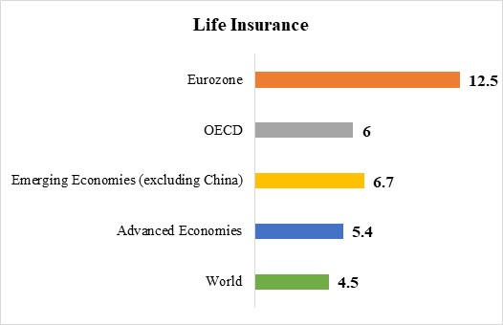
Figure IV.25a: Per cent Change in volume of Life-Insurance premiums in 2021
 | Life Insurance
World | 4.5
Advanced Economies | 5.4
Emerging Economies (excluding China) | 6.7
OECD | 6
Eurozone | 12.5
Source: Swiss Re, Sigma various issues

Figure IV.25b
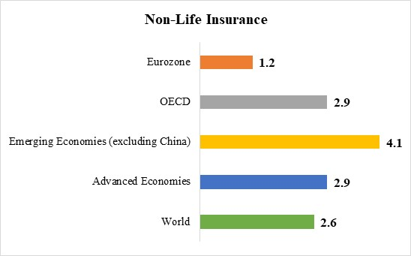
Figure IV.25b: Per cent Change in volume of Non-Life Insurance premiums in 2021
 | Non-Life Insurance
World | 2.6
Advanced Economies | 2.9
Emerging Economies (excluding China) | 4.1
OECD | 2.9
Eurozone | 1.2
Source: Swiss Re, Sigma various issues

Figure IV.26
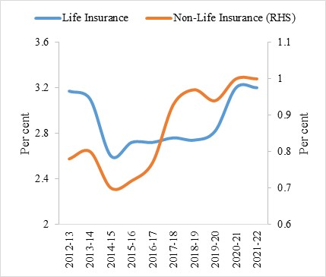
Figure IV.26a: Steady increase in Insurance Penetration
 | Life Insurance | Non-Life Insurance (RHS)
2012-13 | 3.17 | 0.78
2013-14 | 3.1 | 0.8
2014-15 | 2.6 | 0.7
2015-16 | 2.72 | 0.72
2016-17 | 2.72 | 0.77
2017-18 | 2.76 | 0.93
2018-19 | 2.74 | 0.97
2019-20 | 2.82 | 0.94
2020-21 | 3.2 | 1
2021-22 | 3.2 | 1
Source: Swiss Re, Sigma various issues

Figure IV.26b
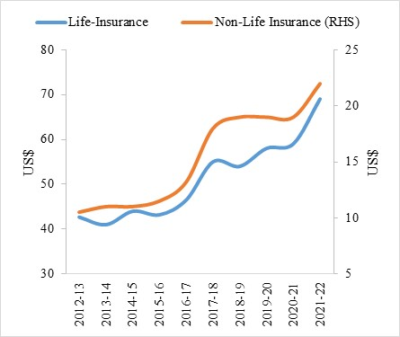
Figure IV.26b: Significant rise in Insurance Density
 | Life-Insurance | Non-Life Insurance (RHS)
2012-13 | 42.7 | 10.5
2013-14 | 41 | 11
2014-15 | 44 | 11
2015-16 | 43.2 | 11.5
2016-17 | 46.5 | 13.2
2017-18 | 55 | 18
2018-19 | 54 | 19
2019-20 | 58 | 19
2020-21 | 59 | 19
2021-22 | 69 | 22
Source: Swiss Re, Sigma various issues

