Figure XI.1
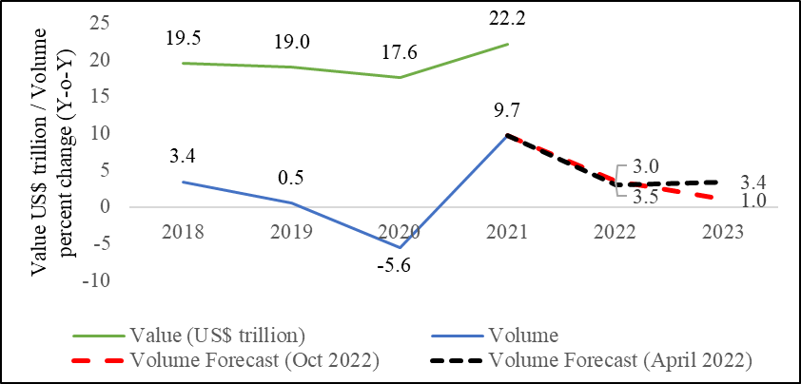
Figure XI.1 Growth in Global Merchandise Trade: Actual and Forecast
 | Value (US$ trillion) | Volume | Volume Forecast (Oct 2022) | Volume Forecast (April 2022)
2018 | 19.5 | 3.4
2019 | 19.0 | 0.5
2020 | 17.6 | -5.6
2021 | 22.2 | 9.7 | 9.7 | 9.7
2022 |  |  | 3.5 | 3.0
2023 |  |  | 1.0 | 3.4
Source : World Trade Organisation

Figure XI.2
 | Figure XI.2: India’s Trade catching up with global trade levels
 |  | (Trade as% of GDP)
 | 1991 | 1992 | 1993 | 1994 | 1995 | 1996 | 1997 | 1998 | 1999 | 2000 | 2001 | 2002 | 2003 | 2004 | 2005 | 2006 | 2007 | 2008 | 2009 | 2010 | 2011 | 2012 | 2013 | 2014 | 2015 | 2016 | 2017 | 2018 | 2019 | 2020 | 2021
India | 17.0 | 18.4 | 19.7 | 20.1 | 22.9 | 21.9 | 22.6 | 23.7 | 24.8 | 26.9 | 26.0 | 29.5 | 30.6 | 37.5 | 42.0 | 45.7 | 45.7 | 53.4 | 46.3 | 49.3 | 55.6 | 55.8 | 53.8 | 48.9 | 41.9 | 40.1 | 40.7 | 43.6 | 40.0 | 37.8 | 45.3
World | 37.6 | 40.2 | 38.8 | 41.1 | 43.2 | 43.3 | 45.2 | 45.6 | 46.1 | 50.7 | 49.6 | 49.4 | 51.2 | 54.6 | 56.7 | 58.9 | 59.3 | 61.0 | 52.5 | 56.9 | 60.1 | 59.8 | 59.1 | 58.5 | 56.1 | 54.3 | 56.1 | 57.6 | 56.3 | 52.2 | 56.5
Source : World Bank database
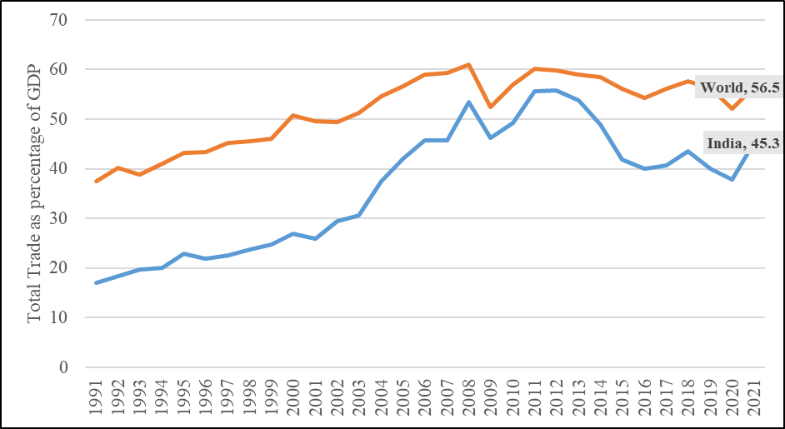

Figure XI.3
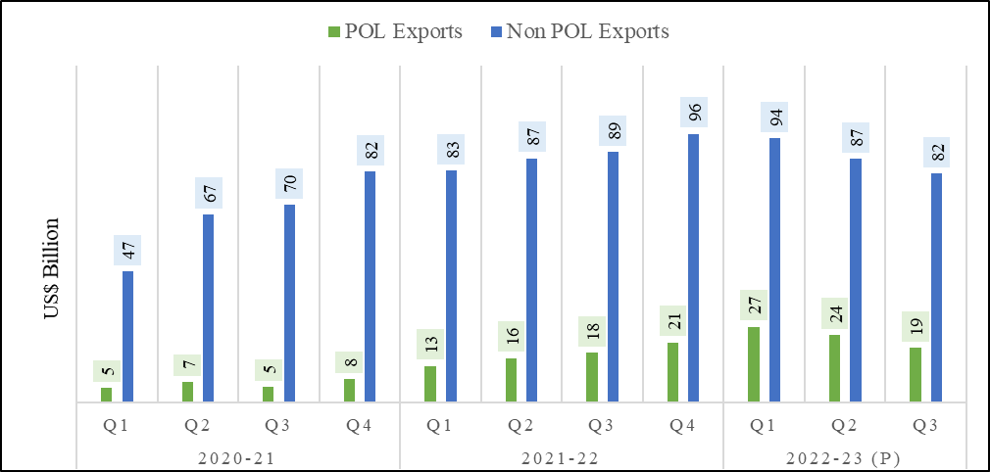
Figure XI.3: India’s Merchandise Exports
 |  | US$ Billion
 |  | POL Exports | Non POL Exports
2020-21 | Q1 | 5 | 47
 | Q2 | 7 | 67
 | Q3 | 5 | 70
 | Q4 | 8 | 82
2021-22 | Q1 | 13 | 83
 | Q2 | 16 | 87
 | Q3 | 18 | 89
 | Q4 | 21 | 96
2022-23 (P) | Q1 | 27 | 94
 | Q2 | 24 | 87
 | Q3 | 19 | 82
Source : Department of commerce
P : Provisional

Figure XI.4
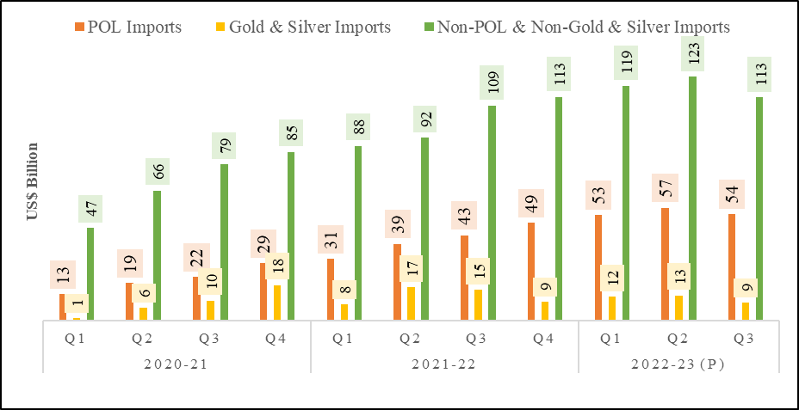
Figure XI.4: India’s Merchandise Imports
 |  |  |  | (US$ Billion)
 |  | POL Imports | Gold & Silver Imports | Non-POL & Non-Gold & Silver Imports
2020-21 | Q1 | 13 | 1 | 47
 | Q2 | 19 | 6 | 66
 | Q3 | 22 | 10 | 79
 | Q4 | 29 | 18 | 85
2021-22 | Q1 | 31 | 8 | 88
 | Q2 | 39 | 17 | 92
 | Q3 | 43 | 15 | 109
 | Q4 | 49 | 9 | 113
2022-23 (P) | Q1 | 53 | 12 | 119
 | Q2 | 57 | 13 | 123
 | Q3 | 54 | 9 | 113
Source : Department of Commerce
P : Provisional

Figure XI.5
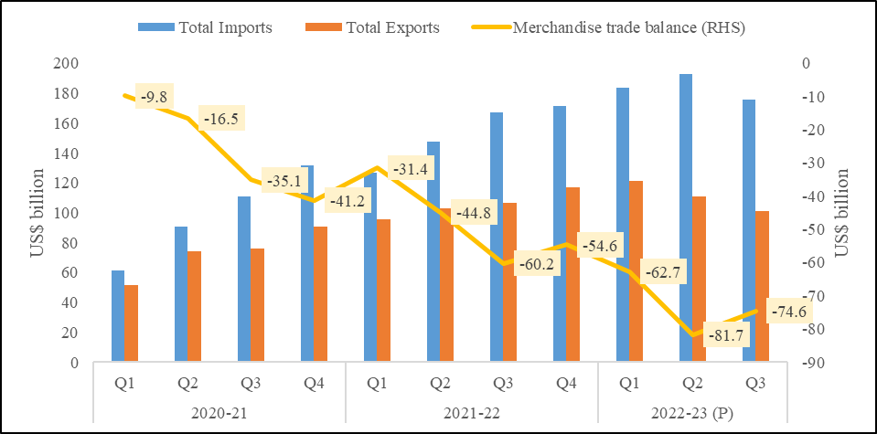
Figure XI.5: Trends in merchandise imports, exports, and trade balance
 |  |  |  | (US$ billion)
 |  | Total Imports | Total Exports | Merchandise trade balance (RHS)
2020-21 | Q1 | 61.3 | 51.5 | -9.8
 | Q2 | 90.7 | 74.2 | -16.5
 | Q3 | 110.8 | 75.8 | -35.1
 | Q4 | 131.7 | 90.4 | -41.2
2021-22 | Q1 | 127.0 | 95.5 | -31.4
 | Q2 | 147.5 | 102.7 | -44.8
 | Q3 | 167.0 | 106.8 | -60.2
 | Q4 | 171.6 | 117.0 | -54.6
2022-23 (P) | Q1 | 183.7 | 121.0 | -62.7
 | Q2 | 192.5 | 110.8 | -81.7
 | Q3 | 175.5 | 100.9 | -74.6
Source : Department of Commerce.
P : Provisional.

Figure XI.6
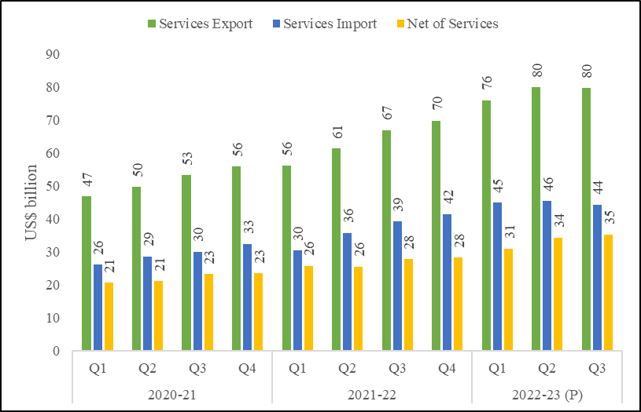
Figure XI.6 Accelerating trend in services trade
 |  |  |  |  |  |  |  |  |  | (US$ billion)
 | 2020-21 |  |  |  | 2021-22 |  |  |  | 2022-23 (P)
 | Q1 | Q2 | Q3 | Q4 | Q1 | Q2 | Q3 | Q4 | Q1 | Q2 | Q3
Services Export | 47 | 50 | 53 | 56 | 56 | 61 | 67 | 70 | 76 | 80 | 80
Services Import | 26 | 29 | 30 | 33 | 30 | 36 | 39 | 42 | 45 | 46 | 44
Net of Services | 21 | 21 | 23 | 23 | 26 | 26 | 28 | 28 | 31 | 34 | 35
Source : Department of Commerce, RBI
P : Provisional

Figure XI.7a
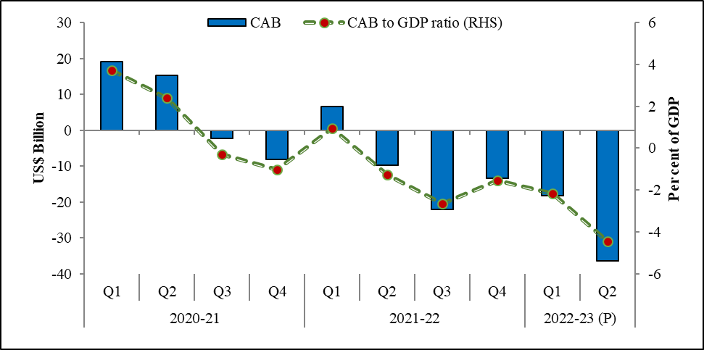
XI.7: Current Account Balance (CAB): Magnitude and Composition
a. Current account balance and as per cent of GDP
 |  | US$ Billion | percent
 |  | CAB | CAB to GDP ratio (RHS)
2020-21 | Q1 | 19.1 | 3.7
 | Q2 | 15.3 | 2.4
 | Q3 | -2.2 | -0.3
 | Q4 | -8.2 | -1.0
2021-22 | Q1 | 6.6 | 0.9
 | Q2 | -9.7 | -1.3
 | Q3 | -22.2 | -2.6
 | Q4 | -13.4 | -1.5
2022-23 (P) | Q1 | -18.2 | -2.2
 | Q2 | -36.4 | -4.4
Source : RBI
P : Provisional

Fig XI.7b
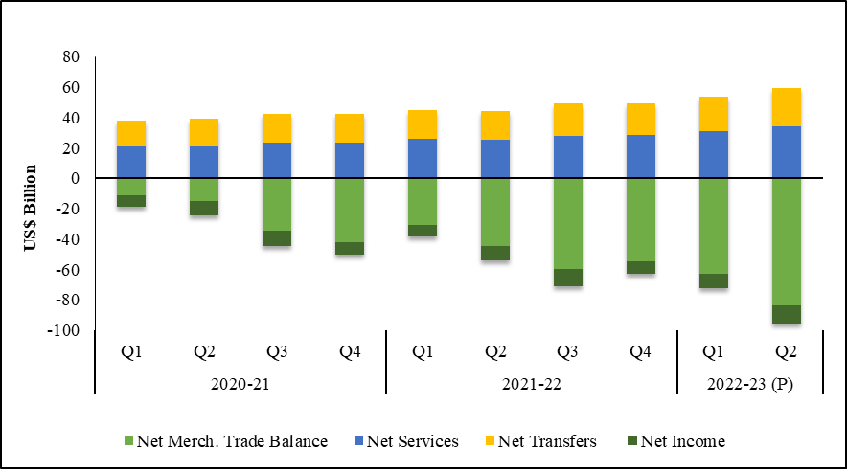
XI.7: Current Account Balance (CAB): Magnitude and Composition
b. Composition of Current account balance
 |  |  |  |  | US$ Billion
 |  | Net Merch. Trade Balance | Net Services | Net Transfers | Net Income
2020-21 | Q1 | -11.0 | 20.8 | 17.0 | -7.7
 | Q2 | -14.8 | 21.1 | 18.4 | -9.4
 | Q3 | -34.6 | 23.2 | 19.3 | -10.1
 | Q4 | -41.7 | 23.5 | 18.8 | -8.7
2021-22 | Q1 | -30.7 | 25.8 | 19.0 | -7.5
 | Q2 | -44.5 | 25.6 | 19.0 | -9.8
 | Q3 | -59.7 | 27.8 | 21.3 | -11.5
 | Q4 | -54.5 | 28.3 | 21.1 | -8.4
2022-23 (P) | Q1 | -63.0 | 31.1 | 22.9 | -9.1
 | Q2 | -83.5 | 34.4 | 24.8 | -12.0
Source : RBI
P : Provisional

Figure XI.8
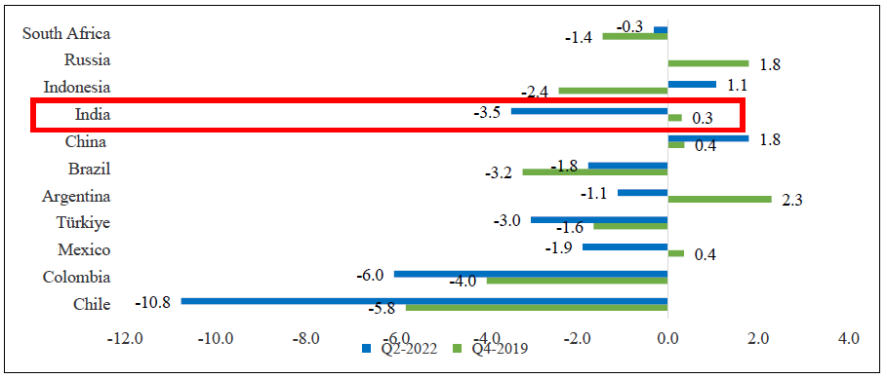
Figure XI.8: Current account balance as percentage of GDP: India vs Select Countries
 | Percentage
Country | Q4-2019 | Q2-2022
Chile | -5.8 | -10.8
Colombia | -4.0 | -6.0
Mexico | 0.4 | -1.9
Türkiye | -1.6 | -3.0
Argentina | 2.3 | -1.1
Brazil | -3.2 | -1.8
China | 0.4 | 1.8
India | 0.3 | -3.5
Indonesia | -2.4 | 1.1
Russia | 1.8
South Africa | -1.4 | -0.3
Source : OECD Economic Outlook 112 database.

Figure XI.9
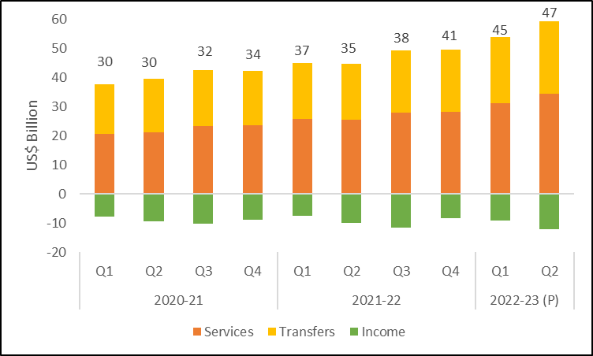
XI.9: Composition of Net Invisibles: Robust services and buoyant transfers | Composition of Net Invisibles
 |  |  |  |  |  |  |  |  |  | (US$ billion)
Year / Item (Net) | 2020-21 |  |  |  | 2021-22 |  |  |  | 2022-23 (P)
 | Q1 | Q2 | Q3 | Q4 | Q1 | Q2 | Q3 | Q4 | Q1 | Q2
Invisibles | 30 | 30 | 32 | 34 | 37 | 35 | 38 | 41 | 45 | 47
Services | 21 | 21 | 23 | 23 | 26 | 26 | 28 | 28 | 31 | 34
Transfers | 17 | 18 | 19 | 19 | 19 | 19 | 21 | 21 | 23 | 25
Income | -8 | -9 | -10 | -9 | -8 | -10 | -12 | -8 | -9 | -12
Source : RBI.
P : Provisional.

Figure XI.10
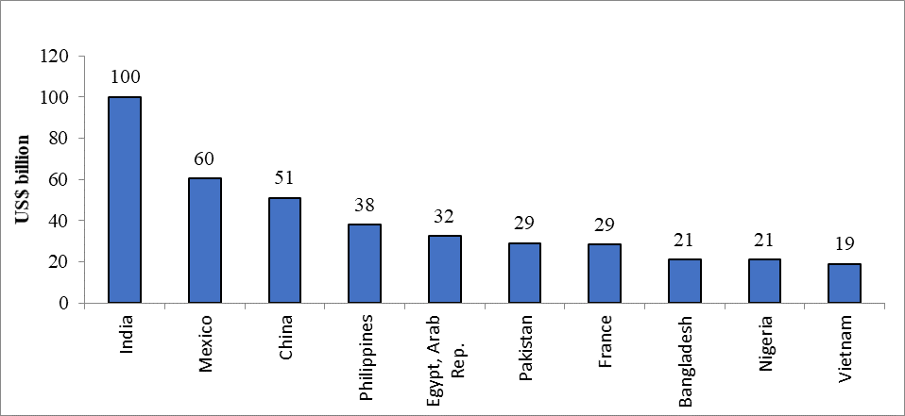
Figure XI.10 Top Remittance recipients of the World during 2022 (Estimated)
 | (US$ billion)
 | Remittance inflows in 2022 (Estimates)
India | 100
Mexico | 60
China | 51
Philippines | 38
Egypt, Arab Rep. | 32
Pakistan | 29
France | 29
Bangladesh | 21
Nigeria | 21
Vietnam | 19
Source : World Bank.

Figure XI.11a
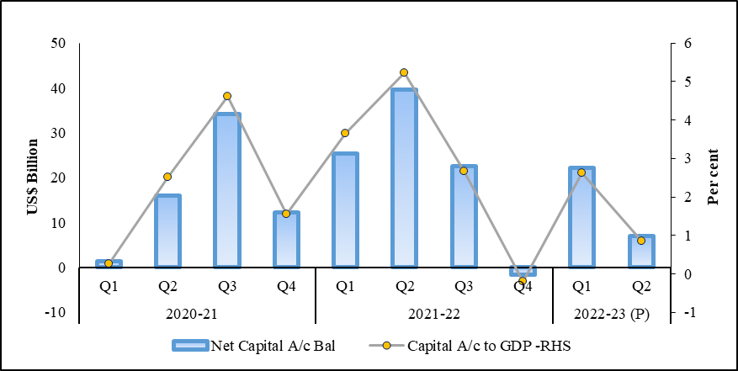
XI.11: Capital Account Balance: Magnitude and Composition
a. Capital Account Balance: Narrowing surplus amid global uncertainty
 |  |  | (US $ billion)
 |  | Net Capital A/c Bal | Capital A/c to GDP -RHS
2020-21 | Q1 | 1.4 | 0.3
 | Q2 | 15.9 | 2.5
 | Q3 | 34.1 | 4.6
 | Q4 | 12.3 | 1.6
2021-22 | Q1 | 25.4 | 3.7
 | Q2 | 39.6 | 5.2
 | Q3 | 22.5 | 2.7
 | Q4 | -1.7 | -0.2
2022-23 (P) | Q1 | 22.1 | 2.6
 | Q2 | 6.9 | 0.8
Source : RBI
P : Provisional

Figure XI.11b
XI.11: Capital Account Balance: Magnitude and Composition
b. Composition of Capital Account Balance
 |  | (US$ billion)
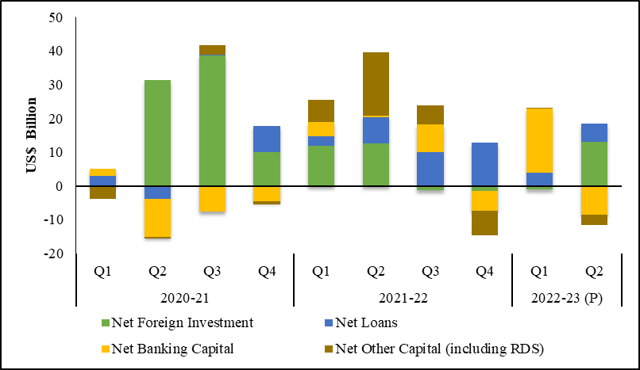
 |  | Net Foreign Investment | Net Loans | Net Banking Capital | Net Other Capital (including RDS)
2020-21 | Q1 | 0.1 | 2.8 | 2.2 | -3.7
 | Q2 | 31.4 | -3.9 | -11.3 | -0.3
 | Q3 | 38.6 | 0.3 | -7.6 | 2.8
 | Q4 | 10.0 | 7.7 | -4.4 | -1.0
2021-22 | Q1 | 12.0 | 2.8 | 4.1 | 6.5
 | Q2 | 12.6 | 7.8 | 0.4 | 18.9
 | Q3 | -1.3 | 10.0 | 8.2 | 5.6
 | Q4 | -1.4 | 12.9 | -6.0 | -7.2
2022-23 (P) | Q1 | -1.0 | 3.9 | 19.0 | 0.2
 | Q2 | 13.0 | 5.5 | -8.4 | -3.1
Source : RBI
P : Provisional

Figure XI.12
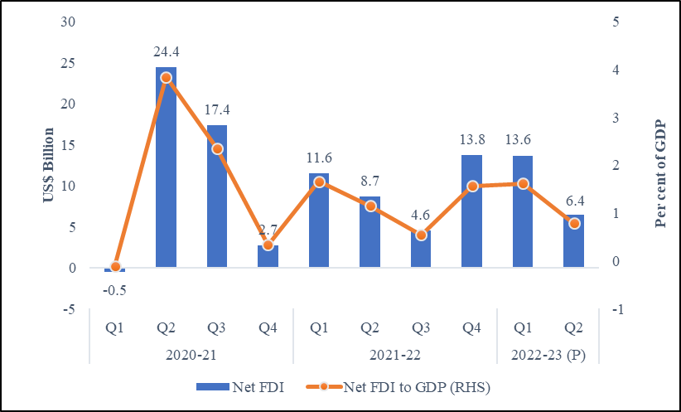
Figure XI.12 Net Foreign Direct Investment

 |  | (US Billion) | Per cent
 |  | Net FDI | Net FDI to GDP (RHS)
2020-21 | Q1 | -0.5 | -0.1
 | Q2 | 24.4 | 3.8
 | Q3 | 17.4 | 2.4
 | Q4 | 2.7 | 0.3
2021-22 | Q1 | 11.6 | 1.7
 | Q2 | 8.7 | 1.1
 | Q3 | 4.6 | 0.5
 | Q4 | 13.8 | 1.6
2022-23 (P) | Q1 | 13.6 | 1.6
 | Q2 | 6.4 | 0.8
Source : RBI
P : Provisional

Figure XI.13
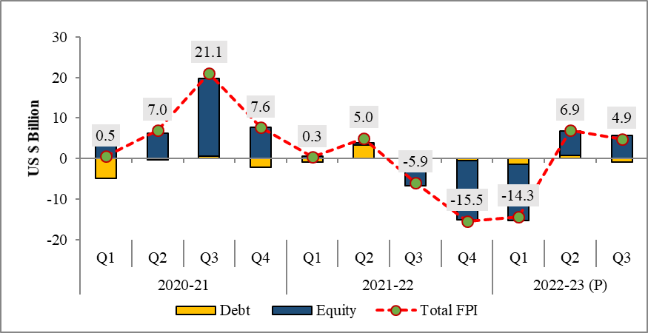
Figure XI.13 Net Foreign Portfolio Investment
 |  |  |  |  |  |  |  |  |  |  | (US$ billion)
 | 2020-21 |  |  |  | 2021-22 |  |  |  | 2022-23 (P)
 | Q1 | Q2 | Q3 | Q4 | Q1 | Q2 | Q3 | Q4 | Q1 | Q2 | Q3
Debt | -4.9 | -0.2 | 0.5 | -2.1 | -0.9 | 3.3 | -1.6 | -0.5 | -1.5 | 0.7 | -0.8
Equity | 3.9 | 6.3 | 19.2 | 7.6 | 0.7 | 0.6 | -5.1 | -14.6 | -13.9 | 6.2 | 5.8
Total FPI | 0.5 | 7.0 | 21.1 | 7.6 | 0.3 | 5.0 | -5.9 | -15.5 | -14.3 | 6.9 | 4.9
Source: NSDL

Figure XI.14a
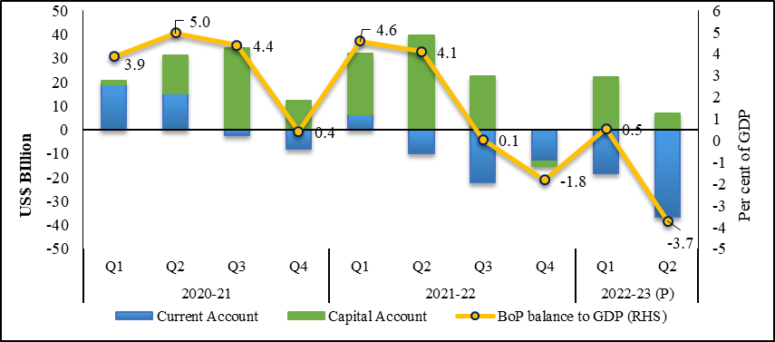
XI.14: Overall BoP Balance and Forex Reserves
a. The surplus in the BoP balance
 |  | (US$ billion) |  | Percent of GDP
 |  | Current Account | Capital Account | BoP balance to GDP (RHS)
2020-21 | Q1 | 19.1 | 1.4 | 3.9
 | Q2 | 15.3 | 15.9 | 5.0
 | Q3 | -2.2 | 34.1 | 4.4
 | Q4 | -8.2 | 12.3 | 0.4
2021-22 | Q1 | 6.6 | 25.4 | 4.6
 | Q2 | -9.7 | 39.6 | 4.1
 | Q3 | -22.2 | 22.5 | 0.1
 | Q4 | -13.4 | -1.7 | -1.8
2022-23 (P) | Q1 | -18.2 | 22.1 | 0.5
 | Q2 | -36.4 | 6.9 | -3.7
Source : RBI
P : Provisional

Figure XI.14b
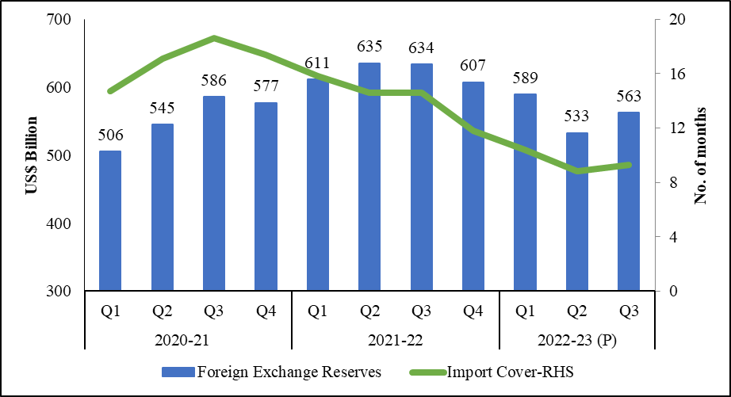
 |  |  |  |  |  |  |  |  | XI.14: Overall BoP Balance and Forex Reserves
 |  |  |  |  |  |  |  |  | b. Adequate Forex reserves and Import Cover
 |  |  |  |  |  | in US $ billion |  | No. of months |  |  | US$ Billion | No. of months
 |  | FCA | Gold | RTP | SDR | FER | Growth in FER (Y-o-Y in Per cent) | Import Cover-RHS |  |  | Foreign Exchange Reserves | Import Cover-RHS
2018-19 | Q1 |  |  |  |  | 405.7 | 5.0 | 10.1 | 2020-21 | Q1 | 506 | 14.7
 | Q2 |  |  |  |  | 400.5 | 0.1 | 9.5 |  | Q2 | 545 | 17.1
 | Q3 |  |  |  |  | 395.6 | -3.3 | 9.1 |  | Q3 | 586 | 18.6
 | Q4 |  |  |  |  | 412.9 | -2.7 | 9.6 |  | Q4 | 577 | 17.4
2019-20 | Q1 | 399.9021 | 22.9587 | 3.3618 | 1.4562 | 427.7 | 5.9 | 9.9 | 2021-22 | Q1 | 611 | 15.8
 | Q2 | 401.61464 | 26.94516 | 3.60601 | 1.42785 | 433.6 | 8.3 | 10.4 |  | Q2 | 635 | 14.6
 | Q3 | 424.93583 | 27.39167 | 3.69954 | 1.44065 | 457.5 | 16.2 | 11.3 |  | Q3 | 634 | 14.6
 | Q4 | 439.6633 | 30.88994 | 3.58564 | 1.42251 | 475.6 | 15.7 | 12.0 |  | Q4 | 607 | 11.8
2020-21 | Q1 | 467.60345 | 33.52255 | 4.2674 | 1.44416 | 506.8 | 17.6 | 14.9 | 2022-23 (P) | Q1 | 589 | 10.4
 | Q2 | 499.94149 | 35.99938 | 4.60762 | 1.47217 | 542.0 | 25.6 | 17.1 |  | Q2 | 533 | 8.8
 | Q3 | 537.47406 | 36.71122 | 5.14538 | 1.51017 | 580.8 | 26.3 | 18.5 |  | Q3 | 563 | 9.3
 | Q4 | 537.95293 | 34.90659 | 4.93463 | 1.49044 | 579.3 | 21.2 | 17.4 | Source : RBI
2021-22 | Q1 | 566.23986 | 36.29571 | 4.96526 | 1.49836 | 609.0 | 20.4 | 18.3
 | 571369 | 39390 | 5207 | 19114 | 635080
 | 571.4 | 39.4 | 5.2 | 19.1 | 635.1

Figure XI.15
Figure XI.15 Adequacy of India’s Forex Reserves (as a percentage of Annual Imports):A Cross-country perspective
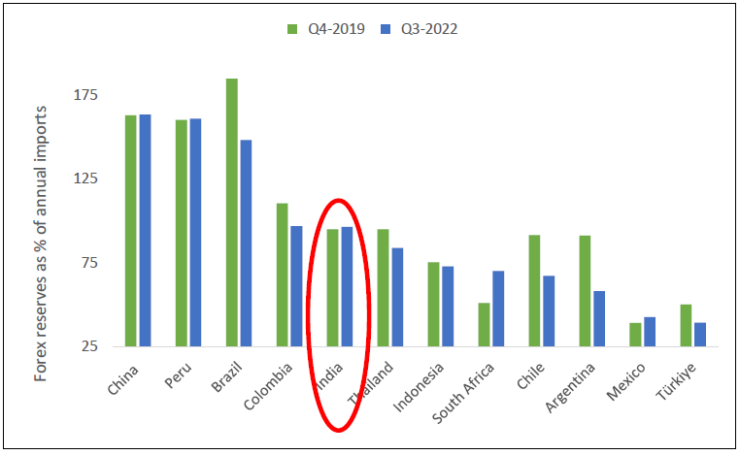
 | FER as % of Annual Import
Country | Q4-2019 | Q3-2022
China | 163.0 | 163.4
Peru | 160.2 | 160.9
Brazil | 184.8 | 148.3
Colombia | 110.6 | 97.0
India | 95.0 | 96.5
Thailand | 95.0 | 84.0
Indonesia | 75.4 | 72.9
South Africa | 51.2 | 70.1
Chile | 91.5 | 67.3
Argentina | 91.3 | 58.3
Mexico | 39.2 | 42.8
Türkiye | 50.2 | 39.4
Source : IMF for FER & WTO for Import.

Figure XI.16
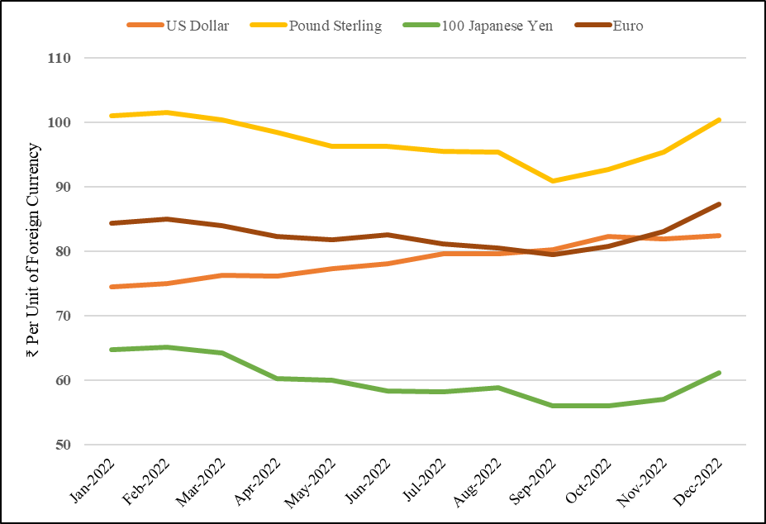
Figure XI.16 Exchange Rate of Indian Rupee vis-à-vis Major Currencies
 |  | (Rs. Per Unit of Foreign Currency)
Year/Month | US Dollar | Pound Sterling | 100 Japanese Yen | Euro
Jan-2022 | 74.4 | 101.0 | 64.8 | 84.3
Feb-2022 | 75.0 | 101.5 | 65.1 | 85.0
Mar-2022 | 76.2 | 100.4 | 64.3 | 83.9
Apr-2022 | 76.2 | 98.5 | 60.2 | 82.3
May-2022 | 77.3 | 96.3 | 60.0 | 81.8
Jun-2022 | 78.1 | 96.2 | 58.3 | 82.6
Jul-2022 | 79.6 | 95.5 | 58.2 | 81.1
Aug-2022 | 79.6 | 95.4 | 58.8 | 80.5
Sep-2022 | 80.2 | 90.9 | 56.1 | 79.5
Oct-2022 | 82.3 | 92.7 | 56.0 | 80.8
Nov-2022 | 81.9 | 95.4 | 57.1 | 83.0
Dec-2022 | 82.5 | 100.4 | 61.1 | 87.3
Source : RBI
Note: The exchange rate for Japanese yen is in Rupees per 100 Yen

Fig XI.17a and b
XI.17: Movement of Index of 6-Currency and 40-Currency NEER and REER (Trade-based weight) (The base Year 2015-16 = 100)
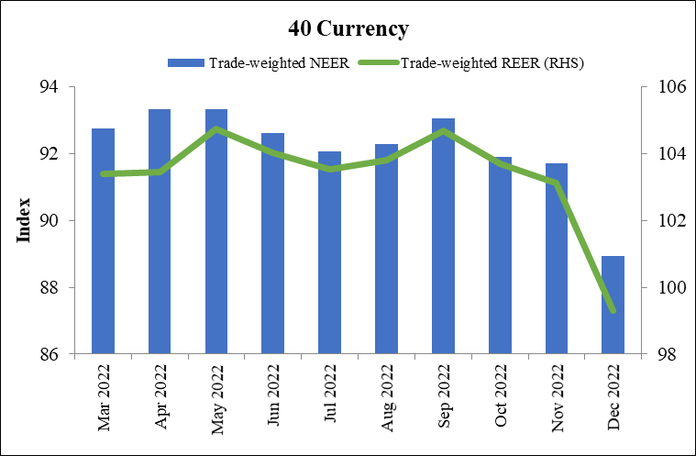
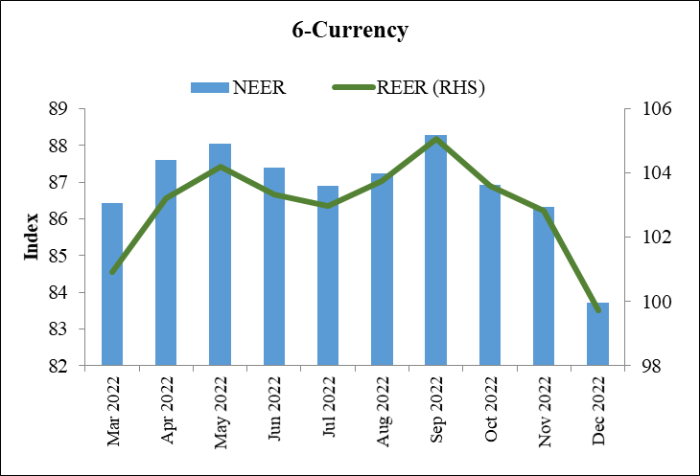
a. 6- Currency Trade-Based |  |  | b. 40- Currency Trade Based
Base: 2015-16 =100 |  |  | Base: 2015-16 =100
6-Currency |  |  | 40-Currency Basket
 | Trade-weighted |  | Monthly/Year | Trade-weighted
Month / Year | NEER | REER (RHS) |  | NEER | REER (RHS)
2022-03-31 | 86.42 | 100.92 | 2022-03-31 | 92.74 | 103.39
2022-04-30 | 87.59 | 103.22 | 2022-04-30 | 93.33 | 103.46
2022-05-31 | 88.04 | 104.20 | 2022-05-31 | 93.34 | 104.75
2022-06-30 | 87.40 | 103.32 | 2022-06-30 | 92.62 | 104.01
2022-07-31 | 86.88 | 102.96 | 2022-07-31 | 92.07 | 103.53
2022-08-31 | 87.24 | 103.74 | 2022-08-31 | 92.27 | 103.79
2022-09-30 | 88.27 | 105.05 | 2022-09-30 | 93.06 | 104.69
2022-10-31 | 86.92 | 103.58 | 2022-10-31 | 91.89 | 103.69
2022-11-30 | 86.33 | 102.82 | 2022-11-30 | 91.70 | 103.11
2022-12-01 | 83.71 | 99.71 | 2022-12-01 | 88.94 | 99.30
Source : RBI |  |  | Source : RBI

Figure XI.18a and b
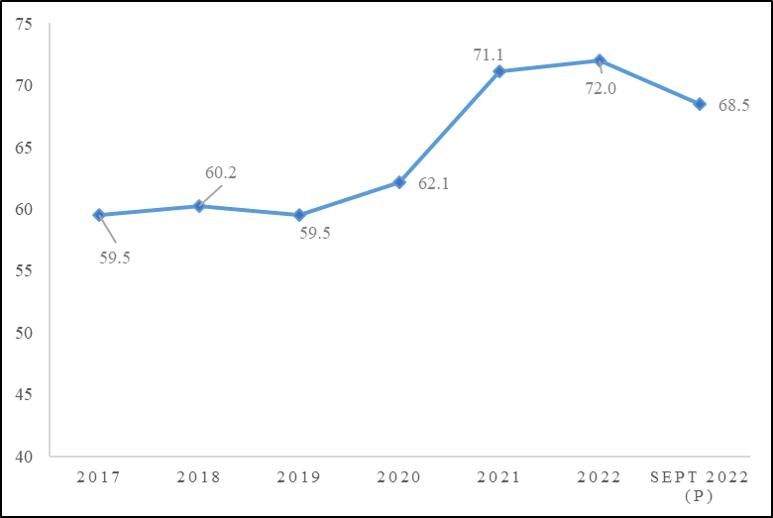
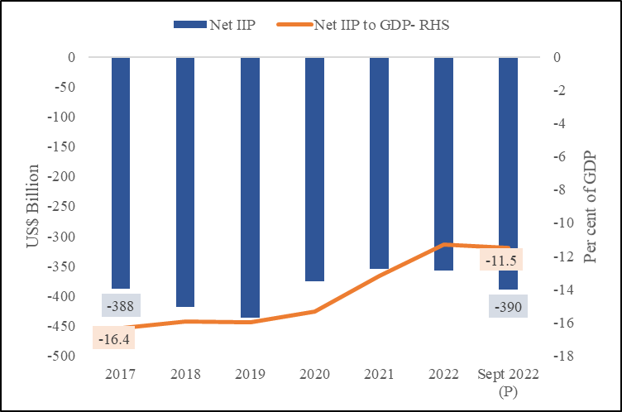
XI.18: India’s net International Investment Position in end-September 2022
a. Net IIP and as percentage to GDP
 |  |  | (US$ billion) | b. Asset Liabilities Ratio (in per cent)
Year |  | Net IIP | Net IIP to GDP- RHS |  | Asset Liabilites Ratio
end-March | 2017 | -388 | -16.4 | 2017 | 59.5
 | 2018 | -419 | -15.9 | 2018 | 60.2
 | 2019 | -437 | -16.0 | 2019 | 59.5
 | 2020 | -375 | -15.4 | 2020 | 62.1
 | 2021 | -355 | -13.2 | 2021 | 71.1
 | 2022 | -358 | -11.3 | 2022 | 72.0
end-Sept. | Sept 2022 (P) | -390 | -11.5 | Sept 2022 (P) | 68.5
Source: RBI; P: Provisional |  |  |  | Source: RBI; P: Provisional

Figure XI.19
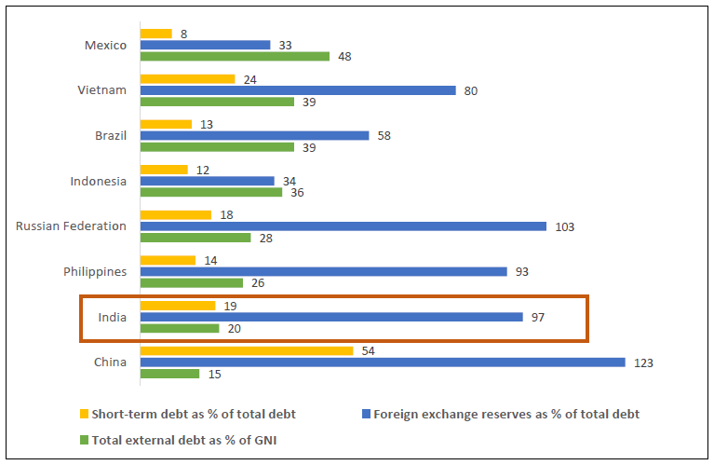
Figure XI.19 Debt ratios: Cross-country comparison for 2021

Country | Total external debt as % of GNI | Foreign exchange reserves as % of total debt | Short-term debt as % of total debt
China | 15 | 123 | 54
India | 20 | 97 | 19
Philippines | 26 | 93 | 14
Russian Federation | 28 | 103 | 18
Indonesia | 36 | 34 | 12
Brazil | 39 | 58 | 13
Vietnam | 39 | 80 | 24
Mexico | 48 | 33 | 8
Source: International Debt Report, 2022, World Bank

