Figure X.1
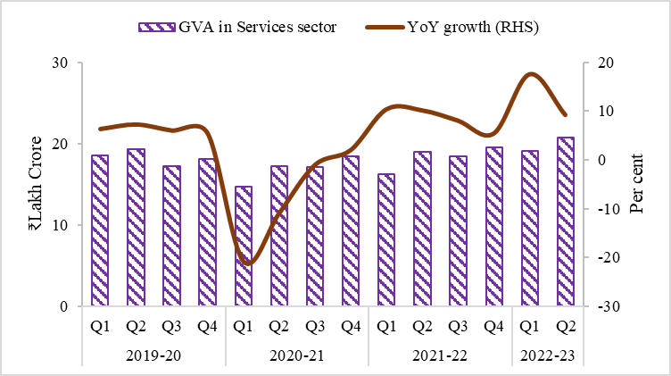
Figure X.1: Broad-based growth in the Services sector
 |  | GVA in Services sector | YoY growth (RHS)
2019-20 | Q1 | 18.5 | 6.4
 | Q2 | 19.3 | 7.3
 | Q3 | 17.3 | 6.1
 | Q4 | 18.1 | 5.5
2020-21 | Q1 | 14.7 | -20.8
 | Q2 | 17.2 | -10.8
 | Q3 | 17.1 | -0.9
 | Q4 | 18.5 | 2.1
2021-22 | Q1 | 16.2 | 10.5
 | Q2 | 19.0 | 10.2
 | Q3 | 18.5 | 8.1
 | Q4 | 19.5 | 5.5
2022-23 | Q1 | 19.1 | 17.6
 | Q2 | 20.7 | 9.3
Source: NSO, MoSPI

Figure X.2
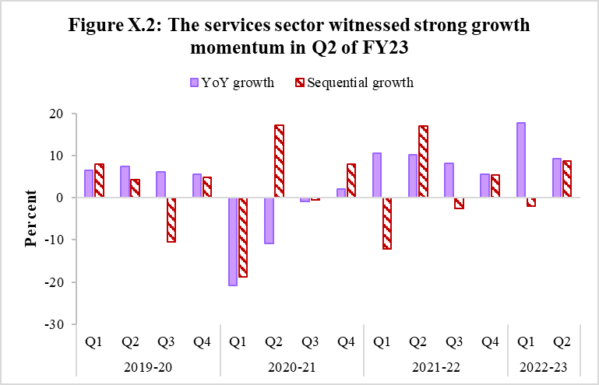
Figure X.2: The services sector witnessed strong growth momentum in Q2 of FY23
 |  | YoY growth | Sequential growth
2019-20 | Q1 | 6.4 | 8.0
 | Q2 | 7.3 | 4.2
 | Q3 | 6.1 | -10.5
 | Q4 | 5.5 | 4.7
2020-21 | Q1 | -20.8 | -18.9
 | Q2 | -10.8 | 17.2
 | Q3 | -0.9 | -0.6
 | Q4 | 2.1 | 8.0
2021-22 | Q1 | 10.5 | -12.2
 | Q2 | 10.2 | 17.0
 | Q3 | 8.1 | -2.5
 | Q4 | 5.5 | 5.4
2022-23 | Q1 | 17.6 | -2.1
 | Q2 | 9.3 | 8.7
Source: NSO, MoSPI

Figure X.3
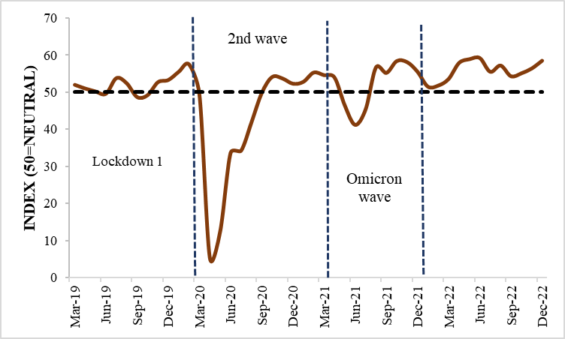
Figure X.3: PMI Services remained in an expansionary zone despite geopolitical tensions
 | PMI Services
Mar-19 | 52
Apr-19 | 51
May-19 | 50.2
Jun-19 | 49.6
Jul-19 | 53.8
Aug-19 | 52.4
Sep-19 | 48.7
Oct-19 | 49.2
Nov-19 | 52.7
Dec-19 | 53.3
Jan-20 | 55.5
Feb-20 | 57.5
Mar-20 | 49.3
Apr-20 | 5.4
May-20 | 12.6
Jun-20 | 33.7
Jul-20 | 34.2
Aug-20 | 41.8
Sep-20 | 49.8
Oct-20 | 54.1
Nov-20 | 53.7
Dec-20 | 52.3
Jan-21 | 52.8
Feb-21 | 55.3
Mar-21 | 54.6
Apr-21 | 54
May-21 | 46.4
Jun-21 | 41.2
Jul-21 | 45.4
Aug-21 | 56.7
Sep-21 | 55.2
Oct-21 | 58.4
Nov-21 | 58.1
Dec-21 | 55.5
Jan-22 | 51.5
Feb-22 | 51.8
Mar-22 | 53.6
Apr-22 | 57.9
May-22 | 58.9
Jun-22 | 59.2
Jul-22 | 55.5
Aug-22 | 57.2
Sep-22 | 54.3
Oct-22 | 55.1
Nov-22 | 56.4
Dec-22 | 58.5
Source: IHS Markit

Figure X.4
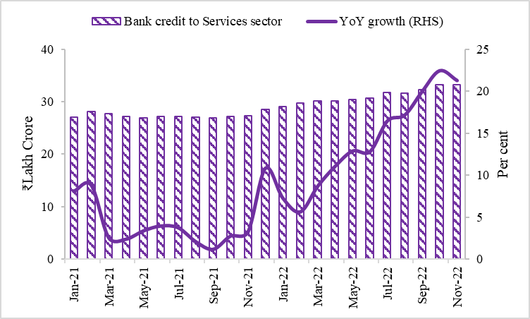
Figure X.4: Credit offtake by the services sector registering double-digit growth since April 2022
 | Bank credit to Services sector | YoY growth (RHS)
Jan-21 | 27.1 | 8.1
Feb-21 | 28.1 | 8.8
Mar-21 | 27.8 | 2.6
Apr-21 | 27.2 | 2.4
May-21 | 27.0 | 3.4
Jun-21 | 27.2 | 4.0
Jul-21 | 27.2 | 3.8
Aug-21 | 27.0 | 2.1
Sep-21 | 26.9 | 1.2
Oct-21 | 27.1 | 2.8
Nov-21 | 27.3 | 3.3
Dec-21 | 28.5 | 10.8
Jan-22 | 29.0 | 7.3
Feb-22 | 29.7 | 5.6
Mar-22 | 30.2 | 8.7
Apr-22 | 30.2 | 11.1
May-22 | 30.4 | 12.9
Jun-22 | 30.7 | 12.8
Jul-22 | 31.7 | 16.5
Aug-22 | 31.6 | 17.2
Sep-22 | 32.2 | 20.0
Oct-22 | 33.2 | 22.5
Nov-22 | 33.2 | 21.3
Source: RBI

Figure X.5
Figure X.5: Services Exports remained resilient amid geopolitical uncertainties
 | Service Exports | Service Imports | Net services receipts
Mar-19 | 17,944 | 11,365 | 6,579
Apr-19 | 18,062 | 11,402 | 6,660
May-19 | 18,679 | 12,492 | 6,187
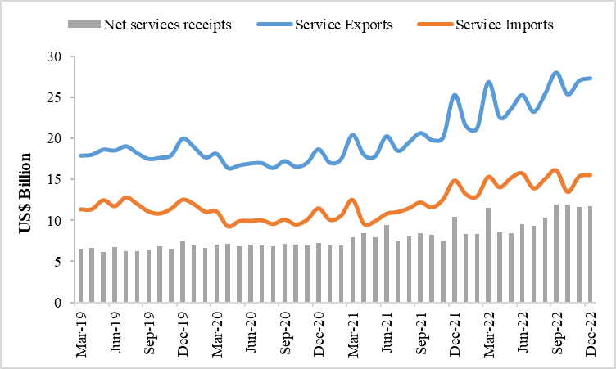
Jun-19 | 18,552 | 11,758 | 6,794
Jul-19 | 19,084 | 12,829 | 6,255
Aug-19 | 18,244 | 12,006 | 6,238
Sep-19 | 17,536 | 11,096 | 6,440
Oct-19 | 17,698 | 10,864 | 6,834
Nov-19 | 17,996 | 11,472 | 6,524
Dec-19 | 20,004 | 12,555 | 7,449
Jan-20 | 18,985 | 12,001 | 6,984
Feb-20 | 17,725 | 11,067 | 6,658
Mar-20 | 18,163 | 11,112 | 7,051
Apr-20 | 16,450 | 9,301 | 7,149
May-20 | 16,766 | 9,938 | 6,828
Jun-20 | 16,995 | 9,960 | 7,035
Jul-20 | 17,031 | 10,047 | 6,984
Aug-20 | 16,441 | 9,597 | 6,844
Sep-20 | 17,285 | 10,135 | 7,150
Oct-20 | 16,583 | 9,525 | 7,058
Nov-20 | 17,080 | 10,120 | 6,960
Dec-20 | 18,721 | 11,500 | 7,221
Jan-21 | 17,076 | 10,098 | 6,978
Feb-21 | 17,545 | 10,613 | 6,932
Mar-21 | 20,451 | 12,537 | 7,914
Apr-21 | 18,056 | 9,620 | 8,436
May-21 | 17,861 | 9,948 | 7,913
Jun-21 | 20,299 | 10,836 | 9,463
Jul-21 | 18,524 | 11,057 | 7,467
Aug-21 | 19,574 | 11,520 | 8,054
Sep-21 | 20,680 | 12,214 | 8,466
Oct-21 | 19,845 | 11,605 | 8,240
Nov-21 | 20,136 | 12,585 | 7,551
Dec-21 | 25,306 | 14,891 | 10,415
Jan-22 | 21,572 | 13,220 | 8,352
Feb-22 | 21,250 | 12,954 | 8,296
Mar-22 | 26,882 | 15,328 | 11,554
Apr-22 | 22,594 | 14,052 | 8,542
May-22 | 23,606 | 15,195 | 8,411
Jun-22 | 25,292 | 15,767 | 9,525
Jul-22 | 23,265 | 13,929 | 9,336
Aug-22 | 25,416 | 15,080 | 10,336
Sep-22 | 28,026 | 16,117 | 11,909
Oct-22 | 25,375 | 13,493 | 11,882
Nov-22 | 27,017 | 15,366 | 11,651
Dec-22 | 27,340 | 15,560 | 11,780
Source: RBI

Figure X.6
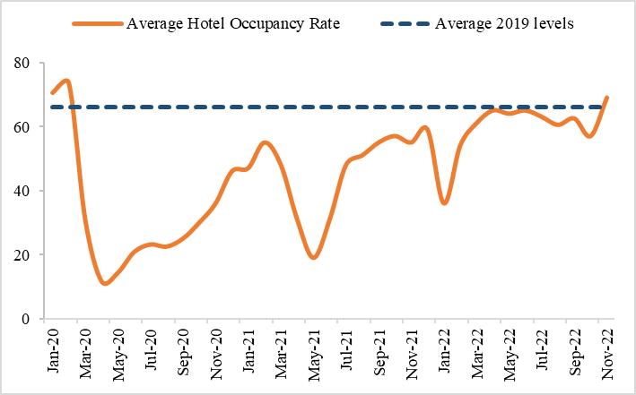
Figure X.6: Hotel Occupancy Rate near the pre-pandemic level
 | Average Hotel Occupancy Rate | Average 2019 levels
Jan-20 | 70.5 | 66.2
Feb-20 | 73.5 | 66.2
Mar-20 | 31 | 66.2
Apr-20 | 11.7 | 66.2
May-20 | 14.3 | 66.2
Jun-20 | 20.8 | 66.2
Jul-20 | 23.15 | 66.2
Aug-20 | 22.5 | 66.2
Sep-20 | 25 | 66.2
Oct-20 | 30 | 66.2
Nov-20 | 36 | 66.2
Dec-20 | 46 | 66.2
Jan-21 | 47 | 66.2
Feb-21 | 55 | 66.2
Mar-21 | 48 | 66.2
Apr-21 | 31 | 66.2
May-21 | 19 | 66.2
Jun-21 | 31 | 66.2
Jul-21 | 48 | 66.2
Aug-21 | 51 | 66.2
Sep-21 | 55 | 66.2
Oct-21 | 57 | 66.2
Nov-21 | 55 | 66.2
Dec-21 | 59 | 66.2
Jan-22 | 36 | 66.2
Feb-22 | 54 | 66.2
Mar-22 | 61 | 66.2
Apr-22 | 65 | 66.2
May-22 | 64 | 66.2
Jun-22 | 65 | 66.2
Jul-22 | 63 | 66.2
Aug-22 | 60.5 | 66.2
Sep-22 | 62.5 | 66.2
Oct-22 | 57 | 66.2
Nov-22 | 69 | 66.2
Source: Anarock

Figure X.7
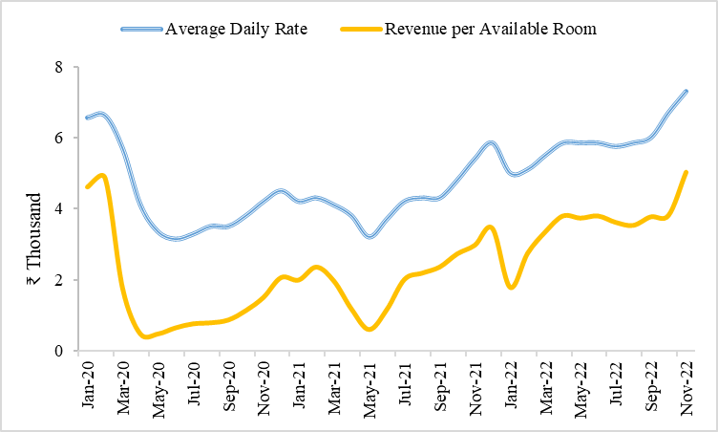
Figure X.7: Improvement in Average Daily Rate (ADR) and Revenue per Available Room (RevPAR)
 | Average Daily Rate | Revenue per Available Room
Jan-20 | 6560 | 4620
Feb-20 | 6620 | 4870
Mar-20 | 5690 | 1750
Apr-20 | 4113 | 482
May-20 | 3353 | 481
Jun-20 | 3140.7 | 652.9
Jul-20 | 3282 | 767.1
Aug-20 | 3500 | 795
Sep-20 | 3500 | 875
Oct-20 | 3800 | 1140
Nov-20 | 4200 | 1513
Dec-20 | 4500 | 2071
Jan-21 | 4200 | 2000
Feb-21 | 4300 | 2366
Mar-21 | 4100 | 1970
Apr-21 | 3800 | 1179
May-21 | 3200 | 605
Jun-21 | 3700 | 1165
Jul-21 | 4200 | 2017
Aug-21 | 4300 | 2194
Sep-21 | 4300 | 2366
Oct-21 | 4800 | 2737
Nov-21 | 5400 | 2981
Dec-21 | 5850 | 3452.5
Jan-22 | 5000 | 1795
Feb-22 | 5100 | 2755
Mar-22 | 5500 | 3355
Apr-22 | 5850 | 3803.5
May-22 | 5850 | 3744.5
Jun-22 | 5850 | 3803.5
Jul-22 | 5750 | 3623.5
Aug-22 | 5850 | 3540
Sep-22 | 6000 | 3781
Oct-22 | 6700 | 3820
Nov-22 | 7300 | 5038
Source: Anarock

Figure X.8
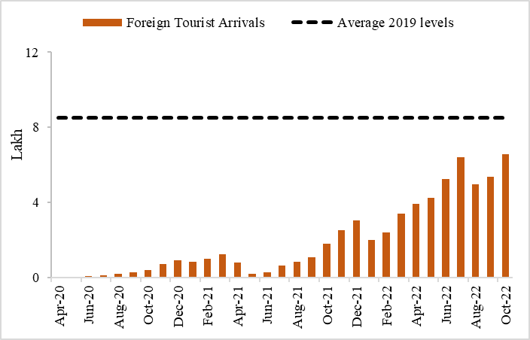
Figure X.8: Foreign Tourist Arrivals (FTAs) in India are catching-up with the pre-pandemic levels
 | Foreign Tourist Arrivals | Average 2019 levels
Apr-20 | 2,820 | 851,380
May-20 | 3,764 | 851,380
Jun-20 | 8,590 | 851,380
Jul-20 | 12,655 | 851,380
Aug-20 | 19,761 | 851,380
Sep-20 | 28,167 | 851,380
Oct-20 | 41,494 | 851,380
Nov-20 | 70,977 | 851,380
Dec-20 | 90,544 | 851,380
Jan-21 | 83,822 | 851,380
Feb-21 | 99,640 | 851,380
Mar-21 | 123,179 | 851,380
Apr-21 | 78,718 | 851,380
May-21 | 19,765 | 851,380
Jun-21 | 29,397 | 851,380
Jul-21 | 64,566 | 851,380
Aug-21 | 84,955 | 851,380
Sep-21 | 106,704 | 851,380
Oct-21 | 181,325 | 851,380
Nov-21 | 251,993 | 851,380
Dec-21 | 303,799 | 851,380
Jan-22 | 201,546 | 851,380
Feb-22 | 240,896 | 851,380
Mar-22 | 342,308 | 851,380
Apr-22 | 392,930 | 851,380
May-22 | 423,701 | 851,380
Jun-22 | 522,737 | 851,380
Jul-22 | 640,858 | 851,380
Aug-22 | 498,243 | 851,380
Sep-22 | 536,340 | 851,380
Oct-22 | 656,895 | 851,380
Source: Ministry of Tourism

Figure X.9
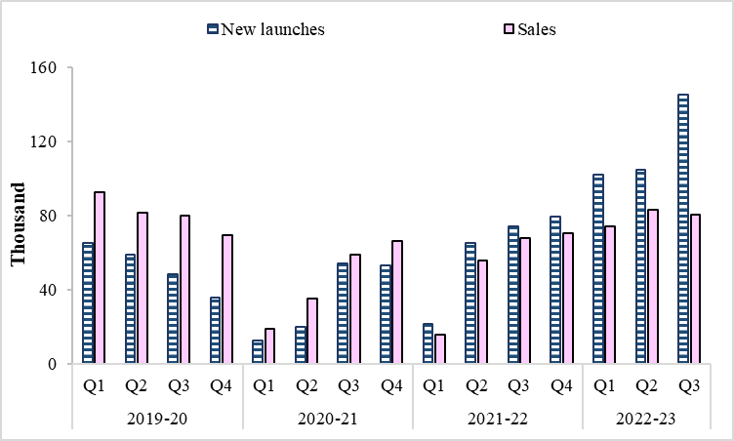
Figure X.9: Sustained growth in Housing sales and launches, surpassing the pre-pandemic level
 |  | New launches | Sales
2019-20 | Q1 | 65240 | 92764
 | Q2 | 59220 | 81880
 | Q3 | 48530 | 80250
 | Q4 | 35668 | 69555
2020-21 | Q1 | 12564 | 19038
 | Q2 | 19865 | 35132
 | Q3 | 54329 | 58914
 | Q4 | 53037 | 66176
2021-22 | Q1 | 21839 | 15968
 | Q2 | 65211 | 55907
 | Q3 | 74309 | 67885
 | Q4 | 79,530 | 70,623
2022-23 | Q1 | 102,130 | 74,330
 | Q2 | 104,820 | 83,220
 | Q3 | 145030 | 80,770
Source: Prop Tiger

Figure X.10
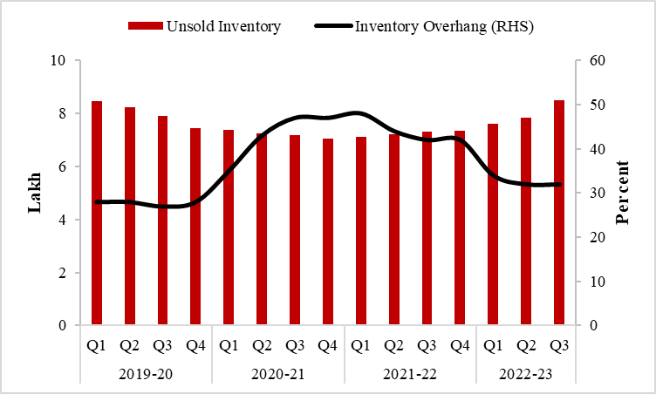
Figure X.10: The decline in Inventory Overhang
 |  | Unsold Inventory | Inventory Overhang (RHS)
2019-20 | Q1 | 8.46 | 28
 | Q2 | 8.23 | 28
 | Q3 | 7.91 | 27
 | Q4 | 7.44 | 28
2020-21 | Q1 | 7.38 | 35
 | Q2 | 7.23 | 43
 | Q3 | 7.18 | 47
 | Q4 | 7.05 | 47
2021-22 | Q1 | 7.11 | 48
 | Q2 | 7.2 | 44
 | Q3 | 7.3 | 42
 | Q4 | 7.35 | 42
2022-23 | Q1 | 7.6 | 34
 | Q2 | 7.85 | 32
 | Q3 | 8.49 | 32
Source: Prop Tiger

Figure X.11
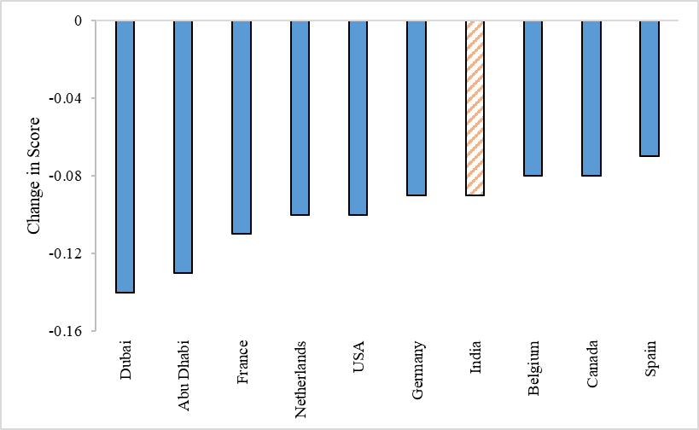
Figure X.11: Top Transparency Improvers in Global Real Estate Transparency Index between 2020 and 2022
Dubai | -0.14
Abu Dhabi | -0.13
France | -0.11
Netherlands | -0.1
USA | -0.1
Germany | -0.09
India | -0.09
Belgium | -0.08
Canada | -0.08
Spain | -0.07
Source: JLL, LaSalle 2022

Figure X.12
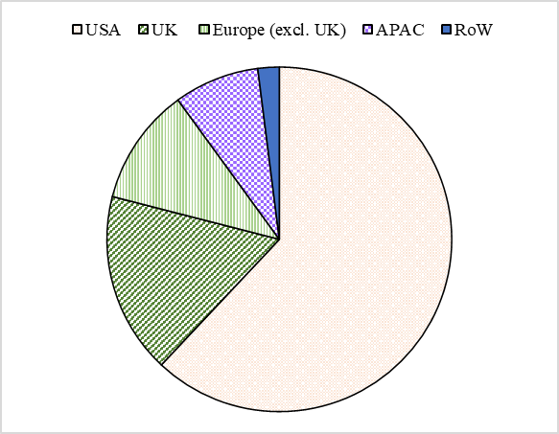
Figure X.12: Geographic distribution of IT-BPM exports (excluding hardware)
 | 2021-22 E
USA | 62
UK | 17
Europe (excl. UK) | 11
APAC | 8
RoW | 2
Source: NASSCOM

Figure X.13
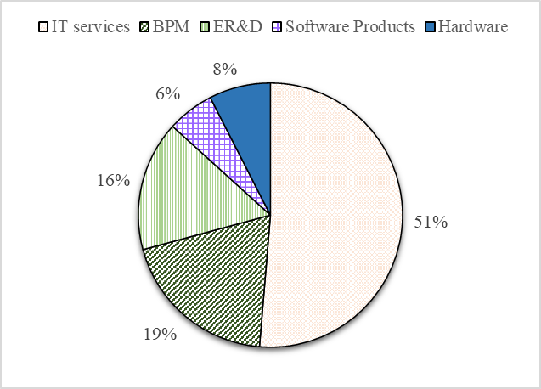
Figure X.13: Segment-wise break-up of Revenues in FY22
 | 2021-22 E
IT services | 116
BPM | 44
ER&D | 36
Software Products | 13
Hardware | 17
Source: NASSCOM

Figure X.14
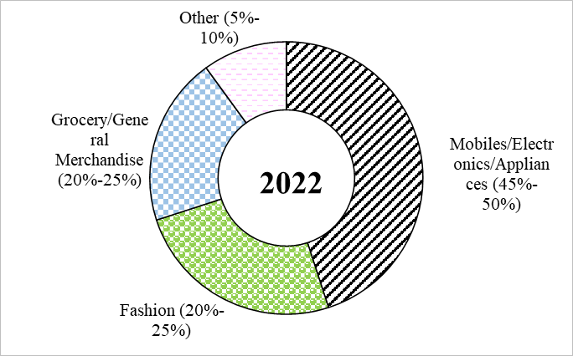
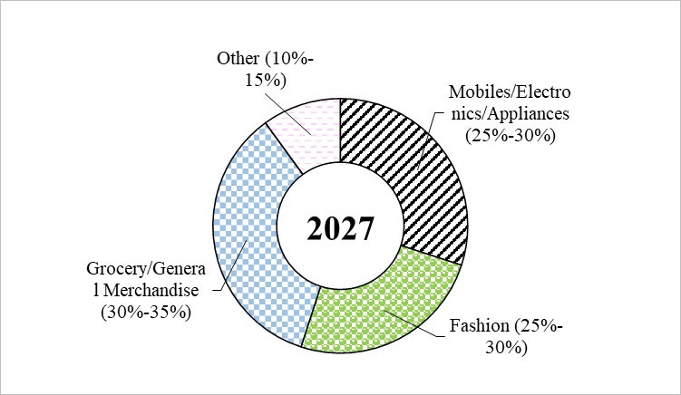
Figure X.14: Fashion, grocery, and general merchandise to capture nearly two-thirds of the Indian e-commerce market by 2027
 | 2022 | 2027
Mobiles/Electronics/Appliances | 45 | 30
Fashion | 25 | 25
Grocery/General Merchandise | 20 | 35
Other | 10 | 10
How India Shops Online 2022, Bain and Company

